AKR7A3 _multivariate
Reported by Tex Li-Hsing Chi. tex@gate.sinica.edu.tw 2019-08-22

Table 2. The clinicopathological features of HNSCC cohort and AKR7A3 expression. (Chi square test)
Cutoff at -0.347 (49.8%)
 |  | AKR7A3 expression |  | AKR7A3 expression |  | (Optimised)
 | Features | Low | (%) | High | (%) | Case no | P-value | Remark | Matthews
Gender | Female | 144 | 34.7 | 162 | 39 | 415 | 0.0697 | 0 | 0
2 | Male | 63 | 15.2 | 46 | 11.1
Age at diagnosis | <=65y | 125 | 30.1 | 149 | 35.9 | 415 | 0.0206 | 1 | 0
4 | >65y | 82 | 19.8 | 59 | 14.2
Clinical T Status | T1+T2 | 78 | 18.8 | 71 | 17.1 | 415 | 0.5152 | 0 | 0
6 | T3+T4 | 129 | 31.1 | 137 | 33
Clinical N Status | N0 | 108 | 26 | 108 | 26 | 415 | 1 | 0 | 0
8 | N1-3 | 99 | 23.9 | 100 | 24.1
Clinical M Status | M0 | 206 | 49.6 | 206 | 49.6 | 415 | 1 | 0 | 0
10 | M1 | 1 | 0.2 | 2 | 0.5
Clinical Stage | Stage I+II | 57 | 13.7 | 45 | 10.8 | 415 | 0.1998 | 0 | 0
12 | Stage III+IV | 150 | 36.1 | 163 | 39.3
Surgical Margin status | Negative | 161 | 38.8 | 157 | 37.8 | 415 | 0.6429 | 0 | 0
14 | Positive | 46 | 11.1 | 51 | 12.3
Tobacco Exposure | Low | 98 | 23.6 | 63 | 15.2 | 415 | 4e-04 | 1 | 0
16 | High | 109 | 26.3 | 145 | 34.9

Table 3. Univariate/Multivariate Cox's proportional hazards regression analyses on OS time of AKR7A3 gene expression in HNSCC

 |  | Univariate |  |  |  | Multivariate
 | Features | HR | CI95%(L) | CI95%(H) | P-value | HR | CI95%(L) | CI95%(H) | P-value
1 | Female | 1 |  |  |  | 1
Gender | Male | 1.157 | 0.843 | 1.587 | 0.367 | 1.226 | 0.878 | 1.713 | 0.232
11 | <=65y | 1 |  |  |  | 1
Age at diagnosis | >65y | 1.329 | 0.99 | 1.784 | 0.058 | 1.365 | 1.002 | 1.859 | 0.048
12 | T1+T2 | 1 |  |  |  | 1
Clinical T Status | T3+T4 | 1.409 | 1.028 | 1.931 | 0.033 | 2.146 | 1.133 | 4.065 | 0.019
13 | N0 | 1 |  |  |  | 1
Clinical N Status | N1-3 | 1.185 | 0.89 | 1.577 | 0.246 | 1.217 | 0.853 | 1.736 | 0.279
14 | M0 | 1 |  |  |  | 1
Clinical M Status | M1 | 4.097 | 1.009 | 16.644 | 0.049 | 9.546 | 2.082 | 43.776 | 0.004
15 | Stage I+II | 1 |  |  |  | 1
Clinical Stage | Stage III+IV | 1.245 | 0.882 | 1.759 | 0.213 | 0.53 | 0.246 | 1.141 | 0.104
16 | Negative | 1 |  |  |  | 1
Surgical Margin status | Positive | 1.591 | 1.155 | 2.191 | 0.004 | 1.724 | 1.244 | 2.389 | 0.001
17 | Low | 1 |  |  |  | 1
Tobacco Exposure | High | 1.364 | 1.008 | 1.844 | 0.044 | 1.552 | 1.113 | 2.163 | 0.009
18 | Low | 1 |  |  |  | 1
RNAseq(z-score) | High | 0.868 | 0.651 | 1.159 | 0.337 | 0.787 | 0.582 | 1.066 | 0.121

Table 4. Univariate/Multivariate Cox's proportional hazards regression analyses on RFS time of AKR7A3 gene expression in HNSCC

 |  | Univariate |  |  |  | Multivariate
 | Features | HR | CI95%(L) | CI95%(H) | P-value | HR | CI95%(L) | CI95%(H) | P-value
1 | Female | 1 |  |  |  | 1
Gender | Male | 1.157 | 0.843 | 1.587 | 0.367 | 1.226 | 0.878 | 1.713 | 0.232
11 | <=65y | 1 |  |  |  | 1
Age at diagnosis | >65y | 1.329 | 0.99 | 1.784 | 0.058 | 1.365 | 1.002 | 1.859 | 0.048
12 | T1+T2 | 1 |  |  |  | 1
Clinical T Status | T3+T4 | 1.409 | 1.028 | 1.931 | 0.033 | 2.146 | 1.133 | 4.065 | 0.019
13 | N0 | 1 |  |  |  | 1
Clinical N Status | N1-3 | 1.185 | 0.89 | 1.577 | 0.246 | 1.217 | 0.853 | 1.736 | 0.279
14 | M0 | 1 |  |  |  | 1
Clinical M Status | M1 | 4.097 | 1.009 | 16.644 | 0.049 | 9.546 | 2.082 | 43.776 | 0.004
15 | Stage I+II | 1 |  |  |  | 1
Clinical Stage | Stage III+IV | 1.245 | 0.882 | 1.759 | 0.213 | 0.53 | 0.246 | 1.141 | 0.104
16 | Negative | 1 |  |  |  | 1
Surgical Margin status | Positive | 1.591 | 1.155 | 2.191 | 0.004 | 1.724 | 1.244 | 2.389 | 0.001
17 | Low | 1 |  |  |  | 1
Tobacco Exposure | High | 1.364 | 1.008 | 1.844 | 0.044 | 1.552 | 1.113 | 2.163 | 0.009
18 | Low | 1 |  |  |  | 1
RNAseq(z-score) | High | 0.868 | 0.651 | 1.159 | 0.337 | 0.787 | 0.582 | 1.066 | 0.121

Kaplan-Meier survival estimate: Cutoff at -0.347 (49.8%)



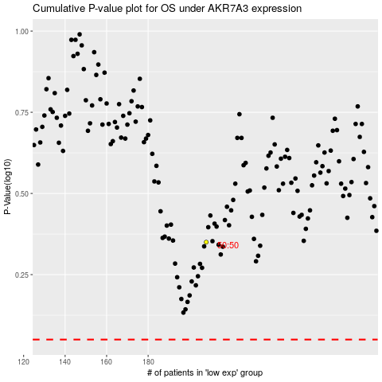

 |  |  |  |  |  | cases_OS | p_OS | rank | exp
 |  |  |  |  |  |  | cases_RFS | p_RFS | rank | exp

