AKT1S1 _multivariate
Reported by Tex Li-Hsing Chi. tex@gate.sinica.edu.tw 2019-08-22

Table 2. The clinicopathological features of HNSCC cohort and AKT1S1 expression. (Chi square test)
Cutoff at -0.157 (50.0%)
 |  | AKT1S1 expression |  | AKT1S1 expression |  | (Optimised)
 | Features | Low | (%) | High | (%) | Case no | P-value | Remark | Matthews
Gender | Female | 158 | 38.1 | 148 | 35.7 | 415 | 0.2774 | 0 | 0
2 | Male | 49 | 11.8 | 60 | 14.5
Age at diagnosis | <=65y | 138 | 33.3 | 136 | 32.8 | 415 | 0.8634 | 0 | 0
4 | >65y | 69 | 16.6 | 72 | 17.3
Clinical T Status | T1+T2 | 72 | 17.3 | 77 | 18.6 | 415 | 0.7095 | 0 | 0
6 | T3+T4 | 135 | 32.5 | 131 | 31.6
Clinical N Status | N0 | 99 | 23.9 | 117 | 28.2 | 415 | 0.1054 | 0 | 0
8 | N1-3 | 108 | 26 | 91 | 21.9
Clinical M Status | M0 | 206 | 49.6 | 206 | 49.6 | 415 | 1 | 0 | 0
10 | M1 | 1 | 0.2 | 2 | 0.5
Clinical Stage | Stage I+II | 45 | 10.8 | 57 | 13.7 | 415 | 0.2202 | 0 | 0
12 | Stage III+IV | 162 | 39 | 151 | 36.4
Surgical Margin status | Negative | 157 | 37.8 | 161 | 38.8 | 415 | 0.729 | 0 | 0
14 | Positive | 50 | 12 | 47 | 11.3
Tobacco Exposure | Low | 67 | 16.1 | 94 | 22.7 | 415 | 0.0088 | 1 | 0
16 | High | 140 | 33.7 | 114 | 27.5

Table 3. Univariate/Multivariate Cox's proportional hazards regression analyses on OS time of AKT1S1 gene expression in HNSCC

 |  | Univariate |  |  |  | Multivariate
 | Features | HR | CI95%(L) | CI95%(H) | P-value | HR | CI95%(L) | CI95%(H) | P-value
1 | Female | 1 |  |  |  | 1
Gender | Male | 1.157 | 0.843 | 1.587 | 0.367 | 1.216 | 0.869 | 1.702 | 0.253
11 | <=65y | 1 |  |  |  | 1
Age at diagnosis | >65y | 1.329 | 0.99 | 1.784 | 0.058 | 1.382 | 1.016 | 1.879 | 0.039
12 | T1+T2 | 1 |  |  |  | 1
Clinical T Status | T3+T4 | 1.409 | 1.028 | 1.931 | 0.033 | 2.21 | 1.168 | 4.179 | 0.015
13 | N0 | 1 |  |  |  | 1
Clinical N Status | N1-3 | 1.185 | 0.89 | 1.577 | 0.246 | 1.243 | 0.871 | 1.774 | 0.23
14 | M0 | 1 |  |  |  | 1
Clinical M Status | M1 | 4.097 | 1.009 | 16.644 | 0.049 | 9.74 | 2.117 | 44.814 | 0.003
15 | Stage I+II | 1 |  |  |  | 1
Clinical Stage | Stage III+IV | 1.245 | 0.882 | 1.759 | 0.213 | 0.502 | 0.234 | 1.078 | 0.077
16 | Negative | 1 |  |  |  | 1
Surgical Margin status | Positive | 1.591 | 1.155 | 2.191 | 0.004 | 1.673 | 1.211 | 2.313 | 0.002
17 | Low | 1 |  |  |  | 1
Tobacco Exposure | High | 1.364 | 1.008 | 1.844 | 0.044 | 1.442 | 1.046 | 1.988 | 0.025
18 | Low | 1 |  |  |  | 1
RNAseq(z-score) | High | 0.912 | 0.685 | 1.215 | 0.53 | 0.908 | 0.678 | 1.216 | 0.518

Table 4. Univariate/Multivariate Cox's proportional hazards regression analyses on RFS time of AKT1S1 gene expression in HNSCC

 |  | Univariate |  |  |  | Multivariate
 | Features | HR | CI95%(L) | CI95%(H) | P-value | HR | CI95%(L) | CI95%(H) | P-value
1 | Female | 1 |  |  |  | 1
Gender | Male | 1.157 | 0.843 | 1.587 | 0.367 | 1.216 | 0.869 | 1.702 | 0.253
11 | <=65y | 1 |  |  |  | 1
Age at diagnosis | >65y | 1.329 | 0.99 | 1.784 | 0.058 | 1.382 | 1.016 | 1.879 | 0.039
12 | T1+T2 | 1 |  |  |  | 1
Clinical T Status | T3+T4 | 1.409 | 1.028 | 1.931 | 0.033 | 2.21 | 1.168 | 4.179 | 0.015
13 | N0 | 1 |  |  |  | 1
Clinical N Status | N1-3 | 1.185 | 0.89 | 1.577 | 0.246 | 1.243 | 0.871 | 1.774 | 0.23
14 | M0 | 1 |  |  |  | 1
Clinical M Status | M1 | 4.097 | 1.009 | 16.644 | 0.049 | 9.74 | 2.117 | 44.814 | 0.003
15 | Stage I+II | 1 |  |  |  | 1
Clinical Stage | Stage III+IV | 1.245 | 0.882 | 1.759 | 0.213 | 0.502 | 0.234 | 1.078 | 0.077
16 | Negative | 1 |  |  |  | 1
Surgical Margin status | Positive | 1.591 | 1.155 | 2.191 | 0.004 | 1.673 | 1.211 | 2.313 | 0.002
17 | Low | 1 |  |  |  | 1
Tobacco Exposure | High | 1.364 | 1.008 | 1.844 | 0.044 | 1.442 | 1.046 | 1.988 | 0.025
18 | Low | 1 |  |  |  | 1
RNAseq(z-score) | High | 0.912 | 0.685 | 1.215 | 0.53 | 0.908 | 0.678 | 1.216 | 0.518

Kaplan-Meier survival estimate: Cutoff at -0.157 (50.0%)



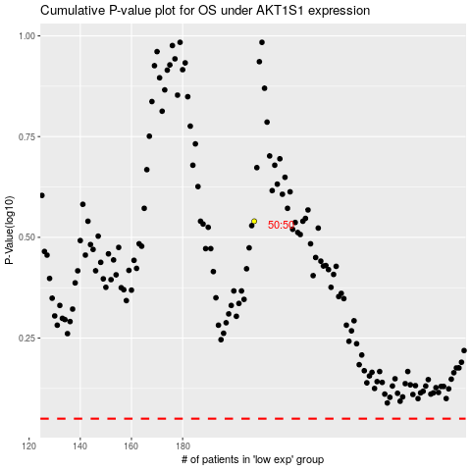

 |  |  |  |  |  | cases_OS | p_OS | rank | exp
 |  |  |  |  |  |  | cases_RFS | p_RFS | rank | exp

