AKTIP _multivariate
Reported by Tex Li-Hsing Chi. tex@gate.sinica.edu.tw 2019-08-22

Table 2. The clinicopathological features of HNSCC cohort and AKTIP expression. (Chi square test)
Cutoff at -0.247 (50.0%)
 |  | AKTIP expression |  | AKTIP expression |  | (Optimised)
 | Features | Low | (%) | High | (%) | Case no | P-value | Remark | Matthews
Gender | Female | 157 | 37.8 | 149 | 35.9 | 415 | 0.3881 | 0 | 0
2 | Male | 50 | 12 | 59 | 14.2
Age at diagnosis | <=65y | 133 | 32 | 141 | 34 | 415 | 0.5111 | 0 | 0
4 | >65y | 74 | 17.8 | 67 | 16.1
Clinical T Status | T1+T2 | 80 | 19.3 | 69 | 16.6 | 415 | 0.2891 | 0 | 0
6 | T3+T4 | 127 | 30.6 | 139 | 33.5
Clinical N Status | N0 | 103 | 24.8 | 113 | 27.2 | 415 | 0.4047 | 0 | 0
8 | N1-3 | 104 | 25.1 | 95 | 22.9
Clinical M Status | M0 | 205 | 49.4 | 207 | 49.9 | 415 | 0.6232 | 0 | 0
10 | M1 | 2 | 0.5 | 1 | 0.2
Clinical Stage | Stage I+II | 53 | 12.8 | 49 | 11.8 | 415 | 0.7113 | 0 | 0
12 | Stage III+IV | 154 | 37.1 | 159 | 38.3
Surgical Margin status | Negative | 161 | 38.8 | 157 | 37.8 | 415 | 0.6429 | 0 | 0
14 | Positive | 46 | 11.1 | 51 | 12.3
Tobacco Exposure | Low | 75 | 18.1 | 86 | 20.7 | 415 | 0.3141 | 0 | 0
16 | High | 132 | 31.8 | 122 | 29.4

Table 3. Univariate/Multivariate Cox's proportional hazards regression analyses on OS time of AKTIP gene expression in HNSCC

 |  | Univariate |  |  |  | Multivariate
 | Features | HR | CI95%(L) | CI95%(H) | P-value | HR | CI95%(L) | CI95%(H) | P-value
1 | Female | 1 |  |  |  | 1
Gender | Male | 1.157 | 0.843 | 1.587 | 0.367 | 1.206 | 0.861 | 1.687 | 0.276
11 | <=65y | 1 |  |  |  | 1
Age at diagnosis | >65y | 1.329 | 0.99 | 1.784 | 0.058 | 1.389 | 1.02 | 1.89 | 0.037
12 | T1+T2 | 1 |  |  |  | 1
Clinical T Status | T3+T4 | 1.409 | 1.028 | 1.931 | 0.033 | 2.205 | 1.166 | 4.17 | 0.015
13 | N0 | 1 |  |  |  | 1
Clinical N Status | N1-3 | 1.185 | 0.89 | 1.577 | 0.246 | 1.237 | 0.866 | 1.768 | 0.243
14 | M0 | 1 |  |  |  | 1
Clinical M Status | M1 | 4.097 | 1.009 | 16.644 | 0.049 | 9.403 | 2.051 | 43.101 | 0.004
15 | Stage I+II | 1 |  |  |  | 1
Clinical Stage | Stage III+IV | 1.245 | 0.882 | 1.759 | 0.213 | 0.505 | 0.235 | 1.085 | 0.08
16 | Negative | 1 |  |  |  | 1
Surgical Margin status | Positive | 1.591 | 1.155 | 2.191 | 0.004 | 1.675 | 1.211 | 2.317 | 0.002
17 | Low | 1 |  |  |  | 1
Tobacco Exposure | High | 1.364 | 1.008 | 1.844 | 0.044 | 1.454 | 1.055 | 2.004 | 0.022
18 | Low | 1 |  |  |  | 1
RNAseq(z-score) | High | 0.991 | 0.744 | 1.32 | 0.951 | 0.974 | 0.729 | 1.302 | 0.859

Table 4. Univariate/Multivariate Cox's proportional hazards regression analyses on RFS time of AKTIP gene expression in HNSCC

 |  | Univariate |  |  |  | Multivariate
 | Features | HR | CI95%(L) | CI95%(H) | P-value | HR | CI95%(L) | CI95%(H) | P-value
1 | Female | 1 |  |  |  | 1
Gender | Male | 1.157 | 0.843 | 1.587 | 0.367 | 1.206 | 0.861 | 1.687 | 0.276
11 | <=65y | 1 |  |  |  | 1
Age at diagnosis | >65y | 1.329 | 0.99 | 1.784 | 0.058 | 1.389 | 1.02 | 1.89 | 0.037
12 | T1+T2 | 1 |  |  |  | 1
Clinical T Status | T3+T4 | 1.409 | 1.028 | 1.931 | 0.033 | 2.205 | 1.166 | 4.17 | 0.015
13 | N0 | 1 |  |  |  | 1
Clinical N Status | N1-3 | 1.185 | 0.89 | 1.577 | 0.246 | 1.237 | 0.866 | 1.768 | 0.243
14 | M0 | 1 |  |  |  | 1
Clinical M Status | M1 | 4.097 | 1.009 | 16.644 | 0.049 | 9.403 | 2.051 | 43.101 | 0.004
15 | Stage I+II | 1 |  |  |  | 1
Clinical Stage | Stage III+IV | 1.245 | 0.882 | 1.759 | 0.213 | 0.505 | 0.235 | 1.085 | 0.08
16 | Negative | 1 |  |  |  | 1
Surgical Margin status | Positive | 1.591 | 1.155 | 2.191 | 0.004 | 1.675 | 1.211 | 2.317 | 0.002
17 | Low | 1 |  |  |  | 1
Tobacco Exposure | High | 1.364 | 1.008 | 1.844 | 0.044 | 1.454 | 1.055 | 2.004 | 0.022
18 | Low | 1 |  |  |  | 1
RNAseq(z-score) | High | 0.991 | 0.744 | 1.32 | 0.951 | 0.974 | 0.729 | 1.302 | 0.859

Kaplan-Meier survival estimate: Cutoff at -0.247 (50.0%)



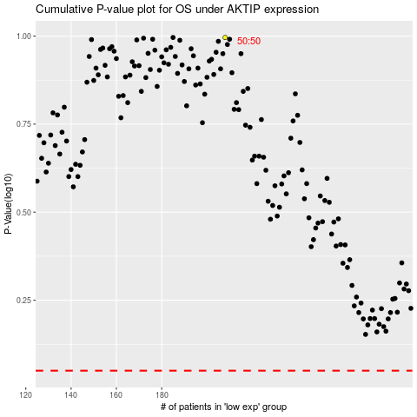

 |  |  |  |  |  | cases_OS | p_OS | rank | exp
 |  |  |  |  |  |  | cases_RFS | p_RFS | rank | exp

