ALAD _multivariate
Reported by Tex Li-Hsing Chi. tex@gate.sinica.edu.tw 2019-08-22

Table 2. The clinicopathological features of HNSCC cohort and ALAD expression. (Chi square test)
Cutoff at -0.204 (49.8%)
 |  | ALAD expression |  | ALAD expression |  | (Optimised)
 | Features | Low | (%) | High | (%) | Case no | P-value | Remark | Matthews
Gender | Female | 157 | 37.8 | 149 | 35.9 | 415 | 0.3881 | 0 | 0
2 | Male | 50 | 12 | 59 | 14.2
Age at diagnosis | <=65y | 139 | 33.5 | 135 | 32.5 | 415 | 0.7044 | 0 | 0
4 | >65y | 68 | 16.4 | 73 | 17.6
Clinical T Status | T1+T2 | 63 | 15.2 | 86 | 20.7 | 415 | 0.0268 | 1 | 0
6 | T3+T4 | 144 | 34.7 | 122 | 29.4
Clinical N Status | N0 | 103 | 24.8 | 113 | 27.2 | 415 | 0.4047 | 0 | 0
8 | N1-3 | 104 | 25.1 | 95 | 22.9
Clinical M Status | M0 | 206 | 49.6 | 206 | 49.6 | 415 | 1 | 0 | 0
10 | M1 | 1 | 0.2 | 2 | 0.5
Clinical Stage | Stage I+II | 44 | 10.6 | 58 | 14 | 415 | 0.1459 | 0 | 0
12 | Stage III+IV | 163 | 39.3 | 150 | 36.1
Surgical Margin status | Negative | 159 | 38.3 | 159 | 38.3 | 415 | 1 | 0 | 0
14 | Positive | 48 | 11.6 | 49 | 11.8
Tobacco Exposure | Low | 73 | 17.6 | 88 | 21.2 | 415 | 0.1587 | 0 | 0
16 | High | 134 | 32.3 | 120 | 28.9

Table 3. Univariate/Multivariate Cox's proportional hazards regression analyses on OS time of ALAD gene expression in HNSCC

 |  | Univariate |  |  |  | Multivariate
 | Features | HR | CI95%(L) | CI95%(H) | P-value | HR | CI95%(L) | CI95%(H) | P-value
1 | Female | 1 |  |  |  | 1
Gender | Male | 1.157 | 0.843 | 1.587 | 0.367 | 1.199 | 0.859 | 1.674 | 0.287
11 | <=65y | 1 |  |  |  | 1
Age at diagnosis | >65y | 1.329 | 0.99 | 1.784 | 0.058 | 1.389 | 1.021 | 1.888 | 0.036
12 | T1+T2 | 1 |  |  |  | 1
Clinical T Status | T3+T4 | 1.409 | 1.028 | 1.931 | 0.033 | 2.252 | 1.189 | 4.267 | 0.013
13 | N0 | 1 |  |  |  | 1
Clinical N Status | N1-3 | 1.185 | 0.89 | 1.577 | 0.246 | 1.24 | 0.869 | 1.769 | 0.235
14 | M0 | 1 |  |  |  | 1
Clinical M Status | M1 | 4.097 | 1.009 | 16.644 | 0.049 | 9.482 | 2.068 | 43.474 | 0.004
15 | Stage I+II | 1 |  |  |  | 1
Clinical Stage | Stage III+IV | 1.245 | 0.882 | 1.759 | 0.213 | 0.496 | 0.231 | 1.066 | 0.072
16 | Negative | 1 |  |  |  | 1
Surgical Margin status | Positive | 1.591 | 1.155 | 2.191 | 0.004 | 1.675 | 1.212 | 2.316 | 0.002
17 | Low | 1 |  |  |  | 1
Tobacco Exposure | High | 1.364 | 1.008 | 1.844 | 0.044 | 1.457 | 1.058 | 2.008 | 0.021
18 | Low | 1 |  |  |  | 1
RNAseq(z-score) | High | 1.089 | 0.817 | 1.452 | 0.56 | 1.138 | 0.852 | 1.519 | 0.382

Table 4. Univariate/Multivariate Cox's proportional hazards regression analyses on RFS time of ALAD gene expression in HNSCC

 |  | Univariate |  |  |  | Multivariate
 | Features | HR | CI95%(L) | CI95%(H) | P-value | HR | CI95%(L) | CI95%(H) | P-value
1 | Female | 1 |  |  |  | 1
Gender | Male | 1.157 | 0.843 | 1.587 | 0.367 | 1.199 | 0.859 | 1.674 | 0.287
11 | <=65y | 1 |  |  |  | 1
Age at diagnosis | >65y | 1.329 | 0.99 | 1.784 | 0.058 | 1.389 | 1.021 | 1.888 | 0.036
12 | T1+T2 | 1 |  |  |  | 1
Clinical T Status | T3+T4 | 1.409 | 1.028 | 1.931 | 0.033 | 2.252 | 1.189 | 4.267 | 0.013
13 | N0 | 1 |  |  |  | 1
Clinical N Status | N1-3 | 1.185 | 0.89 | 1.577 | 0.246 | 1.24 | 0.869 | 1.769 | 0.235
14 | M0 | 1 |  |  |  | 1
Clinical M Status | M1 | 4.097 | 1.009 | 16.644 | 0.049 | 9.482 | 2.068 | 43.474 | 0.004
15 | Stage I+II | 1 |  |  |  | 1
Clinical Stage | Stage III+IV | 1.245 | 0.882 | 1.759 | 0.213 | 0.496 | 0.231 | 1.066 | 0.072
16 | Negative | 1 |  |  |  | 1
Surgical Margin status | Positive | 1.591 | 1.155 | 2.191 | 0.004 | 1.675 | 1.212 | 2.316 | 0.002
17 | Low | 1 |  |  |  | 1
Tobacco Exposure | High | 1.364 | 1.008 | 1.844 | 0.044 | 1.457 | 1.058 | 2.008 | 0.021
18 | Low | 1 |  |  |  | 1
RNAseq(z-score) | High | 1.089 | 0.817 | 1.452 | 0.56 | 1.138 | 0.852 | 1.519 | 0.382

Kaplan-Meier survival estimate: Cutoff at -0.204 (49.8%)



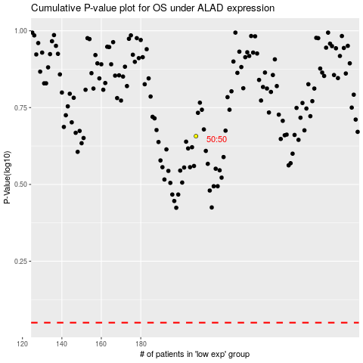

 |  |  |  |  |  | cases_OS | p_OS | rank | exp
 |  |  |  |  |  |  | cases_RFS | p_RFS | rank | exp

