ALDH18A1 _multivariate
Reported by Tex Li-Hsing Chi. tex@gate.sinica.edu.tw 2019-08-22

Table 2. The clinicopathological features of HNSCC cohort and ALDH18A1 expression. (Chi square test)
Cutoff at -0.06 (49.8%)
 |  | ALDH18A1 expression |  | ALDH18A1 expression |  | (Optimised)
 | Features | Low | (%) | High | (%) | Case no | P-value | Remark | Matthews
Gender | Female | 146 | 35.2 | 160 | 38.6 | 415 | 0.1714 | 0 | 0
2 | Male | 61 | 14.7 | 48 | 11.6
Age at diagnosis | <=65y | 135 | 32.5 | 139 | 33.5 | 415 | 0.8084 | 0 | 0
4 | >65y | 72 | 17.3 | 69 | 16.6
Clinical T Status | T1+T2 | 86 | 20.7 | 63 | 15.2 | 415 | 0.0221 | 1 | 0
6 | T3+T4 | 121 | 29.2 | 145 | 34.9
Clinical N Status | N0 | 109 | 26.3 | 107 | 25.8 | 415 | 0.8812 | 0 | 0
8 | N1-3 | 98 | 23.6 | 101 | 24.3
Clinical M Status | M0 | 205 | 49.4 | 207 | 49.9 | 415 | 0.6232 | 0 | 0
10 | M1 | 2 | 0.5 | 1 | 0.2
Clinical Stage | Stage I+II | 51 | 12.3 | 51 | 12.3 | 415 | 1 | 0 | 0
12 | Stage III+IV | 156 | 37.6 | 157 | 37.8
Surgical Margin status | Negative | 154 | 37.1 | 164 | 39.5 | 415 | 0.2984 | 0 | 0
14 | Positive | 53 | 12.8 | 44 | 10.6
Tobacco Exposure | Low | 96 | 23.1 | 65 | 15.7 | 415 | 0.0018 | 1 | 0
16 | High | 111 | 26.7 | 143 | 34.5

Table 3. Univariate/Multivariate Cox's proportional hazards regression analyses on OS time of ALDH18A1 gene expression in HNSCC

 |  | Univariate |  |  |  | Multivariate
 | Features | HR | CI95%(L) | CI95%(H) | P-value | HR | CI95%(L) | CI95%(H) | P-value
1 | Female | 1 |  |  |  | 1
Gender | Male | 1.157 | 0.843 | 1.587 | 0.367 | 1.198 | 0.857 | 1.675 | 0.291
11 | <=65y | 1 |  |  |  | 1
Age at diagnosis | >65y | 1.329 | 0.99 | 1.784 | 0.058 | 1.393 | 1.024 | 1.894 | 0.035
12 | T1+T2 | 1 |  |  |  | 1
Clinical T Status | T3+T4 | 1.409 | 1.028 | 1.931 | 0.033 | 2.244 | 1.175 | 4.285 | 0.014
13 | N0 | 1 |  |  |  | 1
Clinical N Status | N1-3 | 1.185 | 0.89 | 1.577 | 0.246 | 1.251 | 0.874 | 1.79 | 0.221
14 | M0 | 1 |  |  |  | 1
Clinical M Status | M1 | 4.097 | 1.009 | 16.644 | 0.049 | 9.475 | 2.066 | 43.463 | 0.004
15 | Stage I+II | 1 |  |  |  | 1
Clinical Stage | Stage III+IV | 1.245 | 0.882 | 1.759 | 0.213 | 0.492 | 0.226 | 1.071 | 0.074
16 | Negative | 1 |  |  |  | 1
Surgical Margin status | Positive | 1.591 | 1.155 | 2.191 | 0.004 | 1.669 | 1.208 | 2.306 | 0.002
17 | Low | 1 |  |  |  | 1
Tobacco Exposure | High | 1.364 | 1.008 | 1.844 | 0.044 | 1.459 | 1.058 | 2.012 | 0.021
18 | Low | 1 |  |  |  | 1
RNAseq(z-score) | High | 1.01 | 0.758 | 1.346 | 0.945 | 0.951 | 0.708 | 1.279 | 0.741

Table 4. Univariate/Multivariate Cox's proportional hazards regression analyses on RFS time of ALDH18A1 gene expression in HNSCC

 |  | Univariate |  |  |  | Multivariate
 | Features | HR | CI95%(L) | CI95%(H) | P-value | HR | CI95%(L) | CI95%(H) | P-value
1 | Female | 1 |  |  |  | 1
Gender | Male | 1.157 | 0.843 | 1.587 | 0.367 | 1.198 | 0.857 | 1.675 | 0.291
11 | <=65y | 1 |  |  |  | 1
Age at diagnosis | >65y | 1.329 | 0.99 | 1.784 | 0.058 | 1.393 | 1.024 | 1.894 | 0.035
12 | T1+T2 | 1 |  |  |  | 1
Clinical T Status | T3+T4 | 1.409 | 1.028 | 1.931 | 0.033 | 2.244 | 1.175 | 4.285 | 0.014
13 | N0 | 1 |  |  |  | 1
Clinical N Status | N1-3 | 1.185 | 0.89 | 1.577 | 0.246 | 1.251 | 0.874 | 1.79 | 0.221
14 | M0 | 1 |  |  |  | 1
Clinical M Status | M1 | 4.097 | 1.009 | 16.644 | 0.049 | 9.475 | 2.066 | 43.463 | 0.004
15 | Stage I+II | 1 |  |  |  | 1
Clinical Stage | Stage III+IV | 1.245 | 0.882 | 1.759 | 0.213 | 0.492 | 0.226 | 1.071 | 0.074
16 | Negative | 1 |  |  |  | 1
Surgical Margin status | Positive | 1.591 | 1.155 | 2.191 | 0.004 | 1.669 | 1.208 | 2.306 | 0.002
17 | Low | 1 |  |  |  | 1
Tobacco Exposure | High | 1.364 | 1.008 | 1.844 | 0.044 | 1.459 | 1.058 | 2.012 | 0.021
18 | Low | 1 |  |  |  | 1
RNAseq(z-score) | High | 1.01 | 0.758 | 1.346 | 0.945 | 0.951 | 0.708 | 1.279 | 0.741

Kaplan-Meier survival estimate: Cutoff at -0.06 (49.8%)



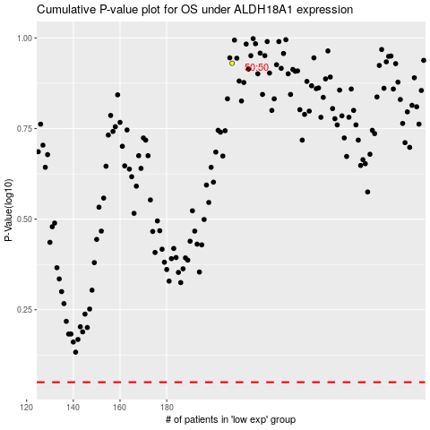

 |  |  |  |  |  | cases_OS | p_OS | rank | exp
 |  |  |  |  |  |  | cases_RFS | p_RFS | rank | exp

