ALDH1A1 _multivariate
Reported by Tex Li-Hsing Chi. tex@gate.sinica.edu.tw 2019-08-22

Table 2. The clinicopathological features of HNSCC cohort and ALDH1A1 expression. (Chi square test)
Cutoff at -0.432 (49.5%)
 |  | ALDH1A1 expression |  | ALDH1A1 expression |  | (Optimised)
 | Features | Low | (%) | High | (%) | Case no | P-value | Remark | Matthews
Gender | Female | 145 | 34.9 | 161 | 38.8 | 415 | 0.1537 | 0 | 0
2 | Male | 61 | 14.7 | 48 | 11.6
Age at diagnosis | <=65y | 134 | 32.3 | 140 | 33.7 | 415 | 0.7543 | 0 | 0
4 | >65y | 72 | 17.3 | 69 | 16.6
Clinical T Status | T1+T2 | 68 | 16.4 | 81 | 19.5 | 415 | 0.2637 | 0 | 0
6 | T3+T4 | 138 | 33.3 | 128 | 30.8
Clinical N Status | N0 | 109 | 26.3 | 107 | 25.8 | 415 | 0.8013 | 0 | 0
8 | N1-3 | 97 | 23.4 | 102 | 24.6
Clinical M Status | M0 | 204 | 49.2 | 208 | 50.1 | 415 | 0.6214 | 0 | 0
10 | M1 | 2 | 0.5 | 1 | 0.2
Clinical Stage | Stage I+II | 49 | 11.8 | 53 | 12.8 | 415 | 0.7964 | 0 | 0
12 | Stage III+IV | 157 | 37.8 | 156 | 37.6
Surgical Margin status | Negative | 152 | 36.6 | 166 | 40 | 415 | 0.2021 | 0 | 0
14 | Positive | 54 | 13 | 43 | 10.4
Tobacco Exposure | Low | 97 | 23.4 | 64 | 15.4 | 415 | 6e-04 | 1 | 0
16 | High | 109 | 26.3 | 145 | 34.9

Table 3. Univariate/Multivariate Cox's proportional hazards regression analyses on OS time of ALDH1A1 gene expression in HNSCC

 |  | Univariate |  |  |  | Multivariate
 | Features | HR | CI95%(L) | CI95%(H) | P-value | HR | CI95%(L) | CI95%(H) | P-value
1 | Female | 1 |  |  |  | 1
Gender | Male | 1.157 | 0.843 | 1.587 | 0.367 | 1.195 | 0.855 | 1.672 | 0.297
11 | <=65y | 1 |  |  |  | 1
Age at diagnosis | >65y | 1.329 | 0.99 | 1.784 | 0.058 | 1.398 | 1.027 | 1.901 | 0.033
12 | T1+T2 | 1 |  |  |  | 1
Clinical T Status | T3+T4 | 1.409 | 1.028 | 1.931 | 0.033 | 2.188 | 1.156 | 4.14 | 0.016
13 | N0 | 1 |  |  |  | 1
Clinical N Status | N1-3 | 1.185 | 0.89 | 1.577 | 0.246 | 1.249 | 0.874 | 1.784 | 0.222
14 | M0 | 1 |  |  |  | 1
Clinical M Status | M1 | 4.097 | 1.009 | 16.644 | 0.049 | 9.257 | 2.016 | 42.508 | 0.004
15 | Stage I+II | 1 |  |  |  | 1
Clinical Stage | Stage III+IV | 1.245 | 0.882 | 1.759 | 0.213 | 0.508 | 0.237 | 1.092 | 0.083
16 | Negative | 1 |  |  |  | 1
Surgical Margin status | Positive | 1.591 | 1.155 | 2.191 | 0.004 | 1.657 | 1.197 | 2.295 | 0.002
17 | Low | 1 |  |  |  | 1
Tobacco Exposure | High | 1.364 | 1.008 | 1.844 | 0.044 | 1.468 | 1.061 | 2.03 | 0.02
18 | Low | 1 |  |  |  | 1
RNAseq(z-score) | High | 0.95 | 0.711 | 1.268 | 0.727 | 0.938 | 0.696 | 1.264 | 0.673

Table 4. Univariate/Multivariate Cox's proportional hazards regression analyses on RFS time of ALDH1A1 gene expression in HNSCC

 |  | Univariate |  |  |  | Multivariate
 | Features | HR | CI95%(L) | CI95%(H) | P-value | HR | CI95%(L) | CI95%(H) | P-value
1 | Female | 1 |  |  |  | 1
Gender | Male | 1.157 | 0.843 | 1.587 | 0.367 | 1.195 | 0.855 | 1.672 | 0.297
11 | <=65y | 1 |  |  |  | 1
Age at diagnosis | >65y | 1.329 | 0.99 | 1.784 | 0.058 | 1.398 | 1.027 | 1.901 | 0.033
12 | T1+T2 | 1 |  |  |  | 1
Clinical T Status | T3+T4 | 1.409 | 1.028 | 1.931 | 0.033 | 2.188 | 1.156 | 4.14 | 0.016
13 | N0 | 1 |  |  |  | 1
Clinical N Status | N1-3 | 1.185 | 0.89 | 1.577 | 0.246 | 1.249 | 0.874 | 1.784 | 0.222
14 | M0 | 1 |  |  |  | 1
Clinical M Status | M1 | 4.097 | 1.009 | 16.644 | 0.049 | 9.257 | 2.016 | 42.508 | 0.004
15 | Stage I+II | 1 |  |  |  | 1
Clinical Stage | Stage III+IV | 1.245 | 0.882 | 1.759 | 0.213 | 0.508 | 0.237 | 1.092 | 0.083
16 | Negative | 1 |  |  |  | 1
Surgical Margin status | Positive | 1.591 | 1.155 | 2.191 | 0.004 | 1.657 | 1.197 | 2.295 | 0.002
17 | Low | 1 |  |  |  | 1
Tobacco Exposure | High | 1.364 | 1.008 | 1.844 | 0.044 | 1.468 | 1.061 | 2.03 | 0.02
18 | Low | 1 |  |  |  | 1
RNAseq(z-score) | High | 0.95 | 0.711 | 1.268 | 0.727 | 0.938 | 0.696 | 1.264 | 0.673

Kaplan-Meier survival estimate: Cutoff at -0.432 (49.5%)



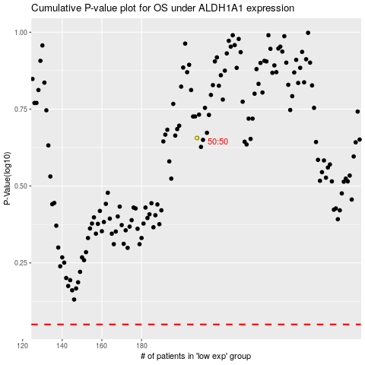

 |  |  |  |  |  | cases_OS | p_OS | rank | exp
 |  |  |  |  |  |  | cases_RFS | p_RFS | rank | exp

