ALDH1A3 _multivariate
Reported by Tex Li-Hsing Chi. tex@gate.sinica.edu.tw 2019-08-22

Table 2. The clinicopathological features of HNSCC cohort and ALDH1A3 expression. (Chi square test)
Cutoff at -0.371 (50.0%)
 |  | ALDH1A3 expression |  | ALDH1A3 expression |  | (Optimised)
 | Features | Low | (%) | High | (%) | Case no | P-value | Remark | Matthews
Gender | Female | 156 | 37.6 | 150 | 36.1 | 415 | 0.5222 | 0 | 0
2 | Male | 51 | 12.3 | 58 | 14
Age at diagnosis | <=65y | 136 | 32.8 | 138 | 33.3 | 415 | 0.9719 | 0 | 0
4 | >65y | 71 | 17.1 | 70 | 16.9
Clinical T Status | T1+T2 | 79 | 19 | 70 | 16.9 | 415 | 0.3924 | 0 | 0
6 | T3+T4 | 128 | 30.8 | 138 | 33.3
Clinical N Status | N0 | 109 | 26.3 | 107 | 25.8 | 415 | 0.8812 | 0 | 0
8 | N1-3 | 98 | 23.6 | 101 | 24.3
Clinical M Status | M0 | 206 | 49.6 | 206 | 49.6 | 415 | 1 | 0 | 0
10 | M1 | 1 | 0.2 | 2 | 0.5
Clinical Stage | Stage I+II | 52 | 12.5 | 50 | 12 | 415 | 0.8871 | 0 | 0
12 | Stage III+IV | 155 | 37.3 | 158 | 38.1
Surgical Margin status | Negative | 156 | 37.6 | 162 | 39 | 415 | 0.5636 | 0 | 0
14 | Positive | 51 | 12.3 | 46 | 11.1
Tobacco Exposure | Low | 86 | 20.7 | 75 | 18.1 | 415 | 0.2687 | 0 | 0
16 | High | 121 | 29.2 | 133 | 32

Table 3. Univariate/Multivariate Cox's proportional hazards regression analyses on OS time of ALDH1A3 gene expression in HNSCC

 |  | Univariate |  |  |  | Multivariate
 | Features | HR | CI95%(L) | CI95%(H) | P-value | HR | CI95%(L) | CI95%(H) | P-value
1 | Female | 1 |  |  |  | 1
Gender | Male | 1.157 | 0.843 | 1.587 | 0.367 | 1.205 | 0.862 | 1.683 | 0.275
11 | <=65y | 1 |  |  |  | 1
Age at diagnosis | >65y | 1.329 | 0.99 | 1.784 | 0.058 | 1.394 | 1.025 | 1.896 | 0.034
12 | T1+T2 | 1 |  |  |  | 1
Clinical T Status | T3+T4 | 1.409 | 1.028 | 1.931 | 0.033 | 2.224 | 1.175 | 4.207 | 0.014
13 | N0 | 1 |  |  |  | 1
Clinical N Status | N1-3 | 1.185 | 0.89 | 1.577 | 0.246 | 1.24 | 0.869 | 1.77 | 0.235
14 | M0 | 1 |  |  |  | 1
Clinical M Status | M1 | 4.097 | 1.009 | 16.644 | 0.049 | 9.803 | 2.129 | 45.136 | 0.003
15 | Stage I+II | 1 |  |  |  | 1
Clinical Stage | Stage III+IV | 1.245 | 0.882 | 1.759 | 0.213 | 0.498 | 0.232 | 1.07 | 0.074
16 | Negative | 1 |  |  |  | 1
Surgical Margin status | Positive | 1.591 | 1.155 | 2.191 | 0.004 | 1.661 | 1.202 | 2.296 | 0.002
17 | Low | 1 |  |  |  | 1
Tobacco Exposure | High | 1.364 | 1.008 | 1.844 | 0.044 | 1.467 | 1.063 | 2.023 | 0.02
18 | Low | 1 |  |  |  | 1
RNAseq(z-score) | High | 0.935 | 0.7 | 1.248 | 0.648 | 0.901 | 0.672 | 1.206 | 0.483

Table 4. Univariate/Multivariate Cox's proportional hazards regression analyses on RFS time of ALDH1A3 gene expression in HNSCC

 |  | Univariate |  |  |  | Multivariate
 | Features | HR | CI95%(L) | CI95%(H) | P-value | HR | CI95%(L) | CI95%(H) | P-value
1 | Female | 1 |  |  |  | 1
Gender | Male | 1.157 | 0.843 | 1.587 | 0.367 | 1.205 | 0.862 | 1.683 | 0.275
11 | <=65y | 1 |  |  |  | 1
Age at diagnosis | >65y | 1.329 | 0.99 | 1.784 | 0.058 | 1.394 | 1.025 | 1.896 | 0.034
12 | T1+T2 | 1 |  |  |  | 1
Clinical T Status | T3+T4 | 1.409 | 1.028 | 1.931 | 0.033 | 2.224 | 1.175 | 4.207 | 0.014
13 | N0 | 1 |  |  |  | 1
Clinical N Status | N1-3 | 1.185 | 0.89 | 1.577 | 0.246 | 1.24 | 0.869 | 1.77 | 0.235
14 | M0 | 1 |  |  |  | 1
Clinical M Status | M1 | 4.097 | 1.009 | 16.644 | 0.049 | 9.803 | 2.129 | 45.136 | 0.003
15 | Stage I+II | 1 |  |  |  | 1
Clinical Stage | Stage III+IV | 1.245 | 0.882 | 1.759 | 0.213 | 0.498 | 0.232 | 1.07 | 0.074
16 | Negative | 1 |  |  |  | 1
Surgical Margin status | Positive | 1.591 | 1.155 | 2.191 | 0.004 | 1.661 | 1.202 | 2.296 | 0.002
17 | Low | 1 |  |  |  | 1
Tobacco Exposure | High | 1.364 | 1.008 | 1.844 | 0.044 | 1.467 | 1.063 | 2.023 | 0.02
18 | Low | 1 |  |  |  | 1
RNAseq(z-score) | High | 0.935 | 0.7 | 1.248 | 0.648 | 0.901 | 0.672 | 1.206 | 0.483

Kaplan-Meier survival estimate: Cutoff at -0.371 (50.0%)



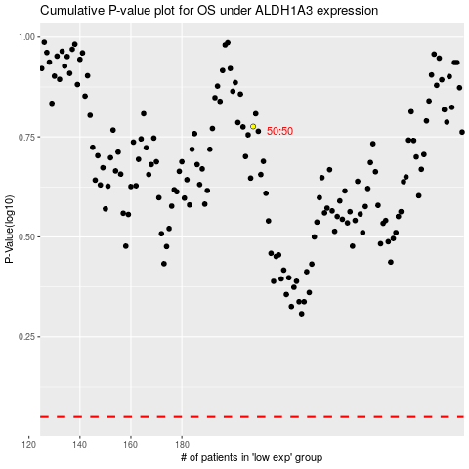

 |  |  |  |  |  | cases_OS | p_OS | rank | exp
 |  |  |  |  |  |  | cases_RFS | p_RFS | rank | exp

