ALDH1L2 _multivariate
Reported by Tex Li-Hsing Chi. tex@gate.sinica.edu.tw 2019-08-22

Table 2. The clinicopathological features of HNSCC cohort and ALDH1L2 expression. (Chi square test)
Cutoff at -0.248 (49.8%)
 |  | ALDH1L2 expression |  | ALDH1L2 expression |  | (Optimised)
 | Features | Low | (%) | High | (%) | Case no | P-value | Remark | Matthews
Gender | Female | 154 | 37.1 | 152 | 36.6 | 415 | 0.8463 | 0 | 0
2 | Male | 53 | 12.8 | 56 | 13.5
Age at diagnosis | <=65y | 143 | 34.5 | 131 | 31.6 | 415 | 0.2269 | 0 | 0
4 | >65y | 64 | 15.4 | 77 | 18.6
Clinical T Status | T1+T2 | 83 | 20 | 66 | 15.9 | 415 | 0.0941 | 0 | 0
6 | T3+T4 | 124 | 29.9 | 142 | 34.2
Clinical N Status | N0 | 108 | 26 | 108 | 26 | 415 | 1 | 0 | 0
8 | N1-3 | 99 | 23.9 | 100 | 24.1
Clinical M Status | M0 | 204 | 49.2 | 208 | 50.1 | 415 | 0.1232 | 0 | 0
10 | M1 | 3 | 0.7 | 0 | 0
Clinical Stage | Stage I+II | 52 | 12.5 | 50 | 12 | 415 | 0.8871 | 0 | 0
12 | Stage III+IV | 155 | 37.3 | 158 | 38.1
Surgical Margin status | Negative | 159 | 38.3 | 159 | 38.3 | 415 | 1 | 0 | 0
14 | Positive | 48 | 11.6 | 49 | 11.8
Tobacco Exposure | Low | 94 | 22.7 | 67 | 16.1 | 415 | 0.0065 | 1 | 0
16 | High | 113 | 27.2 | 141 | 34

Table 3. Univariate/Multivariate Cox's proportional hazards regression analyses on OS time of ALDH1L2 gene expression in HNSCC

 |  | Univariate |  |  |  | Multivariate
 | Features | HR | CI95%(L) | CI95%(H) | P-value | HR | CI95%(L) | CI95%(H) | P-value
1 | Female | 1 |  |  |  | 1
Gender | Male | 1.157 | 0.843 | 1.587 | 0.367 | 1.202 | 0.86 | 1.679 | 0.282
11 | <=65y | 1 |  |  |  | 1
Age at diagnosis | >65y | 1.329 | 0.99 | 1.784 | 0.058 | 1.391 | 1.023 | 1.893 | 0.035
12 | T1+T2 | 1 |  |  |  | 1
Clinical T Status | T3+T4 | 1.409 | 1.028 | 1.931 | 0.033 | 2.202 | 1.162 | 4.17 | 0.015
13 | N0 | 1 |  |  |  | 1
Clinical N Status | N1-3 | 1.185 | 0.89 | 1.577 | 0.246 | 1.241 | 0.87 | 1.77 | 0.234
14 | M0 | 1 |  |  |  | 1
Clinical M Status | M1 | 4.097 | 1.009 | 16.644 | 0.049 | 9.415 | 2.046 | 43.323 | 0.004
15 | Stage I+II | 1 |  |  |  | 1
Clinical Stage | Stage III+IV | 1.245 | 0.882 | 1.759 | 0.213 | 0.505 | 0.235 | 1.084 | 0.08
16 | Negative | 1 |  |  |  | 1
Surgical Margin status | Positive | 1.591 | 1.155 | 2.191 | 0.004 | 1.672 | 1.21 | 2.311 | 0.002
17 | Low | 1 |  |  |  | 1
Tobacco Exposure | High | 1.364 | 1.008 | 1.844 | 0.044 | 1.452 | 1.051 | 2.008 | 0.024
18 | Low | 1 |  |  |  | 1
RNAseq(z-score) | High | 1.086 | 0.815 | 1.447 | 0.573 | 1.002 | 0.747 | 1.345 | 0.988

Table 4. Univariate/Multivariate Cox's proportional hazards regression analyses on RFS time of ALDH1L2 gene expression in HNSCC

 |  | Univariate |  |  |  | Multivariate
 | Features | HR | CI95%(L) | CI95%(H) | P-value | HR | CI95%(L) | CI95%(H) | P-value
1 | Female | 1 |  |  |  | 1
Gender | Male | 1.157 | 0.843 | 1.587 | 0.367 | 1.202 | 0.86 | 1.679 | 0.282
11 | <=65y | 1 |  |  |  | 1
Age at diagnosis | >65y | 1.329 | 0.99 | 1.784 | 0.058 | 1.391 | 1.023 | 1.893 | 0.035
12 | T1+T2 | 1 |  |  |  | 1
Clinical T Status | T3+T4 | 1.409 | 1.028 | 1.931 | 0.033 | 2.202 | 1.162 | 4.17 | 0.015
13 | N0 | 1 |  |  |  | 1
Clinical N Status | N1-3 | 1.185 | 0.89 | 1.577 | 0.246 | 1.241 | 0.87 | 1.77 | 0.234
14 | M0 | 1 |  |  |  | 1
Clinical M Status | M1 | 4.097 | 1.009 | 16.644 | 0.049 | 9.415 | 2.046 | 43.323 | 0.004
15 | Stage I+II | 1 |  |  |  | 1
Clinical Stage | Stage III+IV | 1.245 | 0.882 | 1.759 | 0.213 | 0.505 | 0.235 | 1.084 | 0.08
16 | Negative | 1 |  |  |  | 1
Surgical Margin status | Positive | 1.591 | 1.155 | 2.191 | 0.004 | 1.672 | 1.21 | 2.311 | 0.002
17 | Low | 1 |  |  |  | 1
Tobacco Exposure | High | 1.364 | 1.008 | 1.844 | 0.044 | 1.452 | 1.051 | 2.008 | 0.024
18 | Low | 1 |  |  |  | 1
RNAseq(z-score) | High | 1.086 | 0.815 | 1.447 | 0.573 | 1.002 | 0.747 | 1.345 | 0.988

Kaplan-Meier survival estimate: Cutoff at -0.248 (49.8%)



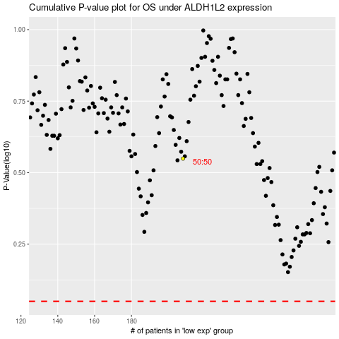

 |  |  |  |  |  | cases_OS | p_OS | rank | exp
 |  |  |  |  |  |  | cases_RFS | p_RFS | rank | exp

