ALDH3A2 _multivariate
Reported by Tex Li-Hsing Chi. tex@gate.sinica.edu.tw 2019-08-22

Table 2. The clinicopathological features of HNSCC cohort and ALDH3A2 expression. (Chi square test)
Cutoff at -0.422 (49.8%)
 |  | ALDH3A2 expression |  | ALDH3A2 expression |  | (Optimised)
 | Features | Low | (%) | High | (%) | Case no | P-value | Remark | Matthews
Gender | Female | 150 | 36.1 | 156 | 37.6 | 415 | 0.6344 | 0 | 0
2 | Male | 57 | 13.7 | 52 | 12.5
Age at diagnosis | <=65y | 138 | 33.3 | 136 | 32.8 | 415 | 0.8634 | 0 | 0
4 | >65y | 69 | 16.6 | 72 | 17.3
Clinical T Status | T1+T2 | 75 | 18.1 | 74 | 17.8 | 415 | 0.9707 | 0 | 0
6 | T3+T4 | 132 | 31.8 | 134 | 32.3
Clinical N Status | N0 | 108 | 26 | 108 | 26 | 415 | 1 | 0 | 0
8 | N1-3 | 99 | 23.9 | 100 | 24.1
Clinical M Status | M0 | 206 | 49.6 | 206 | 49.6 | 415 | 1 | 0 | 0
10 | M1 | 1 | 0.2 | 2 | 0.5
Clinical Stage | Stage I+II | 57 | 13.7 | 45 | 10.8 | 415 | 0.1998 | 0 | 0
12 | Stage III+IV | 150 | 36.1 | 163 | 39.3
Surgical Margin status | Negative | 163 | 39.3 | 155 | 37.3 | 415 | 0.3537 | 0 | 0
14 | Positive | 44 | 10.6 | 53 | 12.8
Tobacco Exposure | Low | 85 | 20.5 | 76 | 18.3 | 415 | 0.3655 | 0 | 0
16 | High | 122 | 29.4 | 132 | 31.8

Table 3. Univariate/Multivariate Cox's proportional hazards regression analyses on OS time of ALDH3A2 gene expression in HNSCC

 |  | Univariate |  |  |  | Multivariate
 | Features | HR | CI95%(L) | CI95%(H) | P-value | HR | CI95%(L) | CI95%(H) | P-value
1 | Female | 1 |  |  |  | 1
Gender | Male | 1.157 | 0.843 | 1.587 | 0.367 | 1.197 | 0.857 | 1.673 | 0.291
11 | <=65y | 1 |  |  |  | 1
Age at diagnosis | >65y | 1.329 | 0.99 | 1.784 | 0.058 | 1.395 | 1.026 | 1.897 | 0.034
12 | T1+T2 | 1 |  |  |  | 1
Clinical T Status | T3+T4 | 1.409 | 1.028 | 1.931 | 0.033 | 2.181 | 1.152 | 4.129 | 0.017
13 | N0 | 1 |  |  |  | 1
Clinical N Status | N1-3 | 1.185 | 0.89 | 1.577 | 0.246 | 1.236 | 0.866 | 1.765 | 0.243
14 | M0 | 1 |  |  |  | 1
Clinical M Status | M1 | 4.097 | 1.009 | 16.644 | 0.049 | 9.363 | 2.042 | 42.926 | 0.004
15 | Stage I+II | 1 |  |  |  | 1
Clinical Stage | Stage III+IV | 1.245 | 0.882 | 1.759 | 0.213 | 0.516 | 0.239 | 1.113 | 0.091
16 | Negative | 1 |  |  |  | 1
Surgical Margin status | Positive | 1.591 | 1.155 | 2.191 | 0.004 | 1.669 | 1.208 | 2.306 | 0.002
17 | Low | 1 |  |  |  | 1
Tobacco Exposure | High | 1.364 | 1.008 | 1.844 | 0.044 | 1.465 | 1.061 | 2.022 | 0.02
18 | Low | 1 |  |  |  | 1
RNAseq(z-score) | High | 0.945 | 0.709 | 1.26 | 0.702 | 0.932 | 0.695 | 1.249 | 0.637

Table 4. Univariate/Multivariate Cox's proportional hazards regression analyses on RFS time of ALDH3A2 gene expression in HNSCC

 |  | Univariate |  |  |  | Multivariate
 | Features | HR | CI95%(L) | CI95%(H) | P-value | HR | CI95%(L) | CI95%(H) | P-value
1 | Female | 1 |  |  |  | 1
Gender | Male | 1.157 | 0.843 | 1.587 | 0.367 | 1.197 | 0.857 | 1.673 | 0.291
11 | <=65y | 1 |  |  |  | 1
Age at diagnosis | >65y | 1.329 | 0.99 | 1.784 | 0.058 | 1.395 | 1.026 | 1.897 | 0.034
12 | T1+T2 | 1 |  |  |  | 1
Clinical T Status | T3+T4 | 1.409 | 1.028 | 1.931 | 0.033 | 2.181 | 1.152 | 4.129 | 0.017
13 | N0 | 1 |  |  |  | 1
Clinical N Status | N1-3 | 1.185 | 0.89 | 1.577 | 0.246 | 1.236 | 0.866 | 1.765 | 0.243
14 | M0 | 1 |  |  |  | 1
Clinical M Status | M1 | 4.097 | 1.009 | 16.644 | 0.049 | 9.363 | 2.042 | 42.926 | 0.004
15 | Stage I+II | 1 |  |  |  | 1
Clinical Stage | Stage III+IV | 1.245 | 0.882 | 1.759 | 0.213 | 0.516 | 0.239 | 1.113 | 0.091
16 | Negative | 1 |  |  |  | 1
Surgical Margin status | Positive | 1.591 | 1.155 | 2.191 | 0.004 | 1.669 | 1.208 | 2.306 | 0.002
17 | Low | 1 |  |  |  | 1
Tobacco Exposure | High | 1.364 | 1.008 | 1.844 | 0.044 | 1.465 | 1.061 | 2.022 | 0.02
18 | Low | 1 |  |  |  | 1
RNAseq(z-score) | High | 0.945 | 0.709 | 1.26 | 0.702 | 0.932 | 0.695 | 1.249 | 0.637

Kaplan-Meier survival estimate: Cutoff at -0.422 (49.8%)



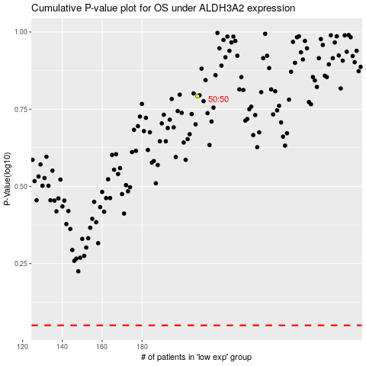

 |  |  |  |  |  | cases_OS | p_OS | rank | exp
 |  |  |  |  |  |  | cases_RFS | p_RFS | rank | exp

