ALDH3B1 _multivariate
Reported by Tex Li-Hsing Chi. tex@gate.sinica.edu.tw 2019-08-22

Table 2. The clinicopathological features of HNSCC cohort and ALDH3B1 expression. (Chi square test)
Cutoff at -0.146 (58.5%)
 |  | ALDH3B1 expression |  | ALDH3B1 expression |  | (Optimised)
 | Features | Low | (%) | High | (%) | Case no | P-value | Remark | Matthews
Gender | Female | 183 | 44.1 | 123 | 29.6 | 415 | 0.4516 | 0 | 0
2 | Male | 60 | 14.5 | 49 | 11.8
Age at diagnosis | <=65y | 165 | 39.8 | 109 | 26.3 | 415 | 0.3928 | 0 | 0
4 | >65y | 78 | 18.8 | 63 | 15.2
Clinical T Status | T1+T2 | 89 | 21.4 | 60 | 14.5 | 415 | 0.7945 | 0 | 0
6 | T3+T4 | 154 | 37.1 | 112 | 27
Clinical N Status | N0 | 130 | 31.3 | 86 | 20.7 | 415 | 0.5465 | 0 | 0
8 | N1-3 | 113 | 27.2 | 86 | 20.7
Clinical M Status | M0 | 240 | 57.8 | 172 | 41.4 | 415 | 0.2702 | 0 | 0
10 | M1 | 3 | 0.7 | 0 | 0
Clinical Stage | Stage I+II | 61 | 14.7 | 41 | 9.9 | 415 | 0.8577 | 0 | 0
12 | Stage III+IV | 182 | 43.9 | 131 | 31.6
Surgical Margin status | Negative | 180 | 43.4 | 138 | 33.3 | 415 | 0.1586 | 0 | 0
14 | Positive | 63 | 15.2 | 34 | 8.2
Tobacco Exposure | Low | 93 | 22.4 | 68 | 16.4 | 415 | 0.8382 | 0 | 0
16 | High | 150 | 36.1 | 104 | 25.1

Table 3. Univariate/Multivariate Cox's proportional hazards regression analyses on OS time of ALDH3B1 gene expression in HNSCC

 |  | Univariate |  |  |  | Multivariate
 | Features | HR | CI95%(L) | CI95%(H) | P-value | HR | CI95%(L) | CI95%(H) | P-value
1 | Female | 1 |  |  |  | 1
Gender | Male | 1.157 | 0.843 | 1.587 | 0.367 | 1.221 | 0.874 | 1.707 | 0.242
11 | <=65y | 1 |  |  |  | 1
Age at diagnosis | >65y | 1.329 | 0.99 | 1.784 | 0.058 | 1.398 | 1.028 | 1.902 | 0.033
12 | T1+T2 | 1 |  |  |  | 1
Clinical T Status | T3+T4 | 1.409 | 1.028 | 1.931 | 0.033 | 2.14 | 1.133 | 4.042 | 0.019
13 | N0 | 1 |  |  |  | 1
Clinical N Status | N1-3 | 1.185 | 0.89 | 1.577 | 0.246 | 1.205 | 0.843 | 1.722 | 0.305
14 | M0 | 1 |  |  |  | 1
Clinical M Status | M1 | 4.097 | 1.009 | 16.644 | 0.049 | 11.071 | 2.399 | 51.086 | 0.002
15 | Stage I+II | 1 |  |  |  | 1
Clinical Stage | Stage III+IV | 1.245 | 0.882 | 1.759 | 0.213 | 0.512 | 0.239 | 1.098 | 0.085
16 | Negative | 1 |  |  |  | 1
Surgical Margin status | Positive | 1.591 | 1.155 | 2.191 | 0.004 | 1.693 | 1.225 | 2.339 | 0.001
17 | Low | 1 |  |  |  | 1
Tobacco Exposure | High | 1.364 | 1.008 | 1.844 | 0.044 | 1.491 | 1.081 | 2.057 | 0.015
18 | Low | 1 |  |  |  | 1
RNAseq(z-score) | High | 1.373 | 1.03 | 1.832 | 0.031 | 1.436 | 1.072 | 1.925 | 0.015

Table 4. Univariate/Multivariate Cox's proportional hazards regression analyses on RFS time of ALDH3B1 gene expression in HNSCC

 |  | Univariate |  |  |  | Multivariate
 | Features | HR | CI95%(L) | CI95%(H) | P-value | HR | CI95%(L) | CI95%(H) | P-value
1 | Female | 1 |  |  |  | 1
Gender | Male | 1.157 | 0.843 | 1.587 | 0.367 | 1.221 | 0.874 | 1.707 | 0.242
11 | <=65y | 1 |  |  |  | 1
Age at diagnosis | >65y | 1.329 | 0.99 | 1.784 | 0.058 | 1.398 | 1.028 | 1.902 | 0.033
12 | T1+T2 | 1 |  |  |  | 1
Clinical T Status | T3+T4 | 1.409 | 1.028 | 1.931 | 0.033 | 2.14 | 1.133 | 4.042 | 0.019
13 | N0 | 1 |  |  |  | 1
Clinical N Status | N1-3 | 1.185 | 0.89 | 1.577 | 0.246 | 1.205 | 0.843 | 1.722 | 0.305
14 | M0 | 1 |  |  |  | 1
Clinical M Status | M1 | 4.097 | 1.009 | 16.644 | 0.049 | 11.071 | 2.399 | 51.086 | 0.002
15 | Stage I+II | 1 |  |  |  | 1
Clinical Stage | Stage III+IV | 1.245 | 0.882 | 1.759 | 0.213 | 0.512 | 0.239 | 1.098 | 0.085
16 | Negative | 1 |  |  |  | 1
Surgical Margin status | Positive | 1.591 | 1.155 | 2.191 | 0.004 | 1.693 | 1.225 | 2.339 | 0.001
17 | Low | 1 |  |  |  | 1
Tobacco Exposure | High | 1.364 | 1.008 | 1.844 | 0.044 | 1.491 | 1.081 | 2.057 | 0.015
18 | Low | 1 |  |  |  | 1
RNAseq(z-score) | High | 1.373 | 1.03 | 1.832 | 0.031 | 1.436 | 1.072 | 1.925 | 0.015

Kaplan-Meier survival estimate: Cutoff at -0.146 (58.5%)



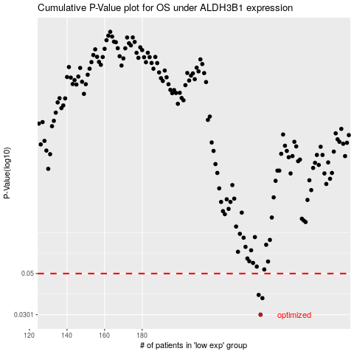

 |  |  |  |  |  | cases_OS | p_OS | rank | exp
 |  |  |  |  |  | 243 | 0.0301 | 249 | -0.14565613425
 |  |  |  |  |  | 244 | 0.0369 | 225 | -0.14307990276
 |  |  |  |  |  | 242 | 0.0384 | 151 | -0.14730107831
 |  |  |  |  |  |  | cases_RFS | p_RFS | rank | exp
 |  |  |  |  |  |  | 242 | 0.0301 | 151 | -0.14730107831
 |  |  |  |  |  |  | 243 | 0.0369 | 249 | -0.14565613425
 |  |  |  |  |  |  | 241 | 0.0384 | 57 | -0.15042461893

