ALDH4A1 _multivariate
Reported by Tex Li-Hsing Chi. tex@gate.sinica.edu.tw 2019-08-22

Table 2. The clinicopathological features of HNSCC cohort and ALDH4A1 expression. (Chi square test)
Cutoff at -0.226 (50.0%)
 |  | ALDH4A1 expression |  | ALDH4A1 expression |  | (Optimised)
 | Features | Low | (%) | High | (%) | Case no | P-value | Remark | Matthews
Gender | Female | 161 | 38.8 | 145 | 34.9 | 415 | 0.0792 | 0 | 0
2 | Male | 46 | 11.1 | 63 | 15.2
Age at diagnosis | <=65y | 135 | 32.5 | 139 | 33.5 | 415 | 0.8084 | 0 | 0
4 | >65y | 72 | 17.3 | 69 | 16.6
Clinical T Status | T1+T2 | 70 | 16.9 | 79 | 19 | 415 | 0.4343 | 0 | 0
6 | T3+T4 | 137 | 33 | 129 | 31.1
Clinical N Status | N0 | 97 | 23.4 | 119 | 28.7 | 415 | 0.0442 | 1 | 0
8 | N1-3 | 110 | 26.5 | 89 | 21.4
Clinical M Status | M0 | 206 | 49.6 | 206 | 49.6 | 415 | 1 | 0 | 0
10 | M1 | 1 | 0.2 | 2 | 0.5
Clinical Stage | Stage I+II | 42 | 10.1 | 60 | 14.5 | 415 | 0.0561 | 0 | 0
12 | Stage III+IV | 165 | 39.8 | 148 | 35.7
Surgical Margin status | Negative | 154 | 37.1 | 164 | 39.5 | 415 | 0.2984 | 0 | 0
14 | Positive | 53 | 12.8 | 44 | 10.6
Tobacco Exposure | Low | 74 | 17.8 | 87 | 21 | 415 | 0.227 | 0 | 0
16 | High | 133 | 32 | 121 | 29.2

Table 3. Univariate/Multivariate Cox's proportional hazards regression analyses on OS time of ALDH4A1 gene expression in HNSCC

 |  | Univariate |  |  |  | Multivariate
 | Features | HR | CI95%(L) | CI95%(H) | P-value | HR | CI95%(L) | CI95%(H) | P-value
1 | Female | 1 |  |  |  | 1
Gender | Male | 1.157 | 0.843 | 1.587 | 0.367 | 1.212 | 0.867 | 1.694 | 0.262
11 | <=65y | 1 |  |  |  | 1
Age at diagnosis | >65y | 1.329 | 0.99 | 1.784 | 0.058 | 1.392 | 1.024 | 1.893 | 0.035
12 | T1+T2 | 1 |  |  |  | 1
Clinical T Status | T3+T4 | 1.409 | 1.028 | 1.931 | 0.033 | 2.201 | 1.164 | 4.161 | 0.015
13 | N0 | 1 |  |  |  | 1
Clinical N Status | N1-3 | 1.185 | 0.89 | 1.577 | 0.246 | 1.235 | 0.865 | 1.762 | 0.246
14 | M0 | 1 |  |  |  | 1
Clinical M Status | M1 | 4.097 | 1.009 | 16.644 | 0.049 | 9.673 | 2.104 | 44.474 | 0.004
15 | Stage I+II | 1 |  |  |  | 1
Clinical Stage | Stage III+IV | 1.245 | 0.882 | 1.759 | 0.213 | 0.505 | 0.235 | 1.084 | 0.08
16 | Negative | 1 |  |  |  | 1
Surgical Margin status | Positive | 1.591 | 1.155 | 2.191 | 0.004 | 1.653 | 1.193 | 2.289 | 0.002
17 | Low | 1 |  |  |  | 1
Tobacco Exposure | High | 1.364 | 1.008 | 1.844 | 0.044 | 1.451 | 1.053 | 1.999 | 0.023
18 | Low | 1 |  |  |  | 1
RNAseq(z-score) | High | 0.891 | 0.668 | 1.188 | 0.431 | 0.92 | 0.687 | 1.232 | 0.575

Table 4. Univariate/Multivariate Cox's proportional hazards regression analyses on RFS time of ALDH4A1 gene expression in HNSCC

 |  | Univariate |  |  |  | Multivariate
 | Features | HR | CI95%(L) | CI95%(H) | P-value | HR | CI95%(L) | CI95%(H) | P-value
1 | Female | 1 |  |  |  | 1
Gender | Male | 1.157 | 0.843 | 1.587 | 0.367 | 1.212 | 0.867 | 1.694 | 0.262
11 | <=65y | 1 |  |  |  | 1
Age at diagnosis | >65y | 1.329 | 0.99 | 1.784 | 0.058 | 1.392 | 1.024 | 1.893 | 0.035
12 | T1+T2 | 1 |  |  |  | 1
Clinical T Status | T3+T4 | 1.409 | 1.028 | 1.931 | 0.033 | 2.201 | 1.164 | 4.161 | 0.015
13 | N0 | 1 |  |  |  | 1
Clinical N Status | N1-3 | 1.185 | 0.89 | 1.577 | 0.246 | 1.235 | 0.865 | 1.762 | 0.246
14 | M0 | 1 |  |  |  | 1
Clinical M Status | M1 | 4.097 | 1.009 | 16.644 | 0.049 | 9.673 | 2.104 | 44.474 | 0.004
15 | Stage I+II | 1 |  |  |  | 1
Clinical Stage | Stage III+IV | 1.245 | 0.882 | 1.759 | 0.213 | 0.505 | 0.235 | 1.084 | 0.08
16 | Negative | 1 |  |  |  | 1
Surgical Margin status | Positive | 1.591 | 1.155 | 2.191 | 0.004 | 1.653 | 1.193 | 2.289 | 0.002
17 | Low | 1 |  |  |  | 1
Tobacco Exposure | High | 1.364 | 1.008 | 1.844 | 0.044 | 1.451 | 1.053 | 1.999 | 0.023
18 | Low | 1 |  |  |  | 1
RNAseq(z-score) | High | 0.891 | 0.668 | 1.188 | 0.431 | 0.92 | 0.687 | 1.232 | 0.575

Kaplan-Meier survival estimate: Cutoff at -0.226 (50.0%)



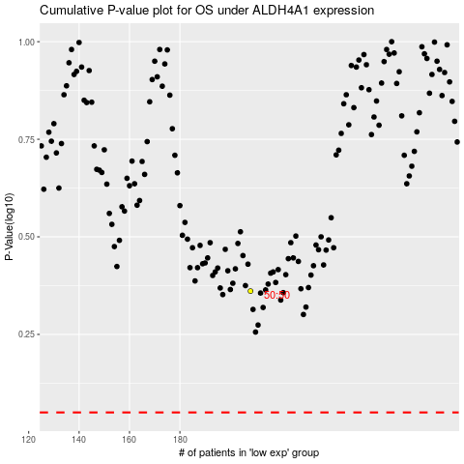

 |  |  |  |  |  | cases_OS | p_OS | rank | exp
 |  |  |  |  |  |  | cases_RFS | p_RFS | rank | exp

