ALDH5A1 _multivariate
Reported by Tex Li-Hsing Chi. tex@gate.sinica.edu.tw 2019-08-22

Table 2. The clinicopathological features of HNSCC cohort and ALDH5A1 expression. (Chi square test)
Cutoff at -0.339 (49.8%)
 |  | ALDH5A1 expression |  | ALDH5A1 expression |  | (Optimised)
 | Features | Low | (%) | High | (%) | Case no | P-value | Remark | Matthews
Gender | Female | 149 | 35.9 | 157 | 37.8 | 415 | 0.4848 | 0 | 0
2 | Male | 58 | 14 | 51 | 12.3
Age at diagnosis | <=65y | 132 | 31.8 | 142 | 34.2 | 415 | 0.3874 | 0 | 0
4 | >65y | 75 | 18.1 | 66 | 15.9
Clinical T Status | T1+T2 | 76 | 18.3 | 73 | 17.6 | 415 | 0.8092 | 0 | 0
6 | T3+T4 | 131 | 31.6 | 135 | 32.5
Clinical N Status | N0 | 106 | 25.5 | 110 | 26.5 | 415 | 0.8075 | 0 | 0
8 | N1-3 | 101 | 24.3 | 98 | 23.6
Clinical M Status | M0 | 204 | 49.2 | 208 | 50.1 | 415 | 0.1232 | 0 | 0
10 | M1 | 3 | 0.7 | 0 | 0
Clinical Stage | Stage I+II | 56 | 13.5 | 46 | 11.1 | 415 | 0.2918 | 0 | 0
12 | Stage III+IV | 151 | 36.4 | 162 | 39
Surgical Margin status | Negative | 160 | 38.6 | 158 | 38.1 | 415 | 0.8167 | 0 | 0
14 | Positive | 47 | 11.3 | 50 | 12
Tobacco Exposure | Low | 90 | 21.7 | 71 | 17.1 | 415 | 0.0559 | 0 | 0
16 | High | 117 | 28.2 | 137 | 33

Table 3. Univariate/Multivariate Cox's proportional hazards regression analyses on OS time of ALDH5A1 gene expression in HNSCC

 |  | Univariate |  |  |  | Multivariate
 | Features | HR | CI95%(L) | CI95%(H) | P-value | HR | CI95%(L) | CI95%(H) | P-value
1 | Female | 1 |  |  |  | 1
Gender | Male | 1.157 | 0.843 | 1.587 | 0.367 | 1.2 | 0.858 | 1.677 | 0.286
11 | <=65y | 1 |  |  |  | 1
Age at diagnosis | >65y | 1.329 | 0.99 | 1.784 | 0.058 | 1.386 | 1.019 | 1.886 | 0.037
12 | T1+T2 | 1 |  |  |  | 1
Clinical T Status | T3+T4 | 1.409 | 1.028 | 1.931 | 0.033 | 2.181 | 1.151 | 4.132 | 0.017
13 | N0 | 1 |  |  |  | 1
Clinical N Status | N1-3 | 1.185 | 0.89 | 1.577 | 0.246 | 1.236 | 0.866 | 1.764 | 0.244
14 | M0 | 1 |  |  |  | 1
Clinical M Status | M1 | 4.097 | 1.009 | 16.644 | 0.049 | 9.059 | 1.953 | 42.025 | 0.005
15 | Stage I+II | 1 |  |  |  | 1
Clinical Stage | Stage III+IV | 1.245 | 0.882 | 1.759 | 0.213 | 0.514 | 0.238 | 1.109 | 0.09
16 | Negative | 1 |  |  |  | 1
Surgical Margin status | Positive | 1.591 | 1.155 | 2.191 | 0.004 | 1.669 | 1.208 | 2.306 | 0.002
17 | Low | 1 |  |  |  | 1
Tobacco Exposure | High | 1.364 | 1.008 | 1.844 | 0.044 | 1.459 | 1.058 | 2.012 | 0.021
18 | Low | 1 |  |  |  | 1
RNAseq(z-score) | High | 0.903 | 0.678 | 1.203 | 0.486 | 0.945 | 0.704 | 1.267 | 0.704

Table 4. Univariate/Multivariate Cox's proportional hazards regression analyses on RFS time of ALDH5A1 gene expression in HNSCC

 |  | Univariate |  |  |  | Multivariate
 | Features | HR | CI95%(L) | CI95%(H) | P-value | HR | CI95%(L) | CI95%(H) | P-value
1 | Female | 1 |  |  |  | 1
Gender | Male | 1.157 | 0.843 | 1.587 | 0.367 | 1.2 | 0.858 | 1.677 | 0.286
11 | <=65y | 1 |  |  |  | 1
Age at diagnosis | >65y | 1.329 | 0.99 | 1.784 | 0.058 | 1.386 | 1.019 | 1.886 | 0.037
12 | T1+T2 | 1 |  |  |  | 1
Clinical T Status | T3+T4 | 1.409 | 1.028 | 1.931 | 0.033 | 2.181 | 1.151 | 4.132 | 0.017
13 | N0 | 1 |  |  |  | 1
Clinical N Status | N1-3 | 1.185 | 0.89 | 1.577 | 0.246 | 1.236 | 0.866 | 1.764 | 0.244
14 | M0 | 1 |  |  |  | 1
Clinical M Status | M1 | 4.097 | 1.009 | 16.644 | 0.049 | 9.059 | 1.953 | 42.025 | 0.005
15 | Stage I+II | 1 |  |  |  | 1
Clinical Stage | Stage III+IV | 1.245 | 0.882 | 1.759 | 0.213 | 0.514 | 0.238 | 1.109 | 0.09
16 | Negative | 1 |  |  |  | 1
Surgical Margin status | Positive | 1.591 | 1.155 | 2.191 | 0.004 | 1.669 | 1.208 | 2.306 | 0.002
17 | Low | 1 |  |  |  | 1
Tobacco Exposure | High | 1.364 | 1.008 | 1.844 | 0.044 | 1.459 | 1.058 | 2.012 | 0.021
18 | Low | 1 |  |  |  | 1
RNAseq(z-score) | High | 0.903 | 0.678 | 1.203 | 0.486 | 0.945 | 0.704 | 1.267 | 0.704

Kaplan-Meier survival estimate: Cutoff at -0.339 (49.8%)



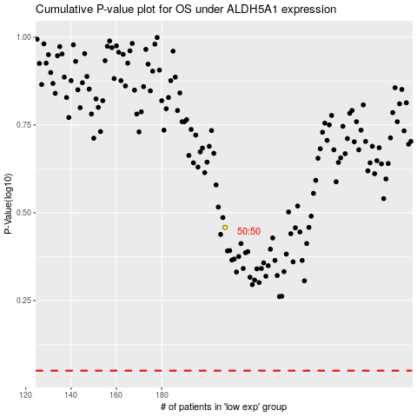

 |  |  |  |  |  | cases_OS | p_OS | rank | exp
 |  |  |  |  |  |  | cases_RFS | p_RFS | rank | exp

