ALDH8A1 _multivariate
Reported by Tex Li-Hsing Chi. tex@gate.sinica.edu.tw 2019-08-22

Table 2. The clinicopathological features of HNSCC cohort and ALDH8A1 expression. (Chi square test)
Cutoff at -0.092 (50.0%)
 |  | ALDH8A1 expression |  | ALDH8A1 expression |  | (Optimised)
 | Features | Low | (%) | High | (%) | Case no | P-value | Remark | Matthews
Gender | Female | 151 | 36.4 | 155 | 37.3 | 415 | 0.8007 | 0 | 0
2 | Male | 56 | 13.5 | 53 | 12.8
Age at diagnosis | <=65y | 138 | 33.3 | 136 | 32.8 | 415 | 0.8634 | 0 | 0
4 | >65y | 69 | 16.6 | 72 | 17.3
Clinical T Status | T1+T2 | 77 | 18.6 | 72 | 17.3 | 415 | 0.6556 | 0 | 0
6 | T3+T4 | 130 | 31.3 | 136 | 32.8
Clinical N Status | N0 | 106 | 25.5 | 110 | 26.5 | 415 | 0.8075 | 0 | 0
8 | N1-3 | 101 | 24.3 | 98 | 23.6
Clinical M Status | M0 | 205 | 49.4 | 207 | 49.9 | 415 | 0.6232 | 0 | 0
10 | M1 | 2 | 0.5 | 1 | 0.2
Clinical Stage | Stage I+II | 55 | 13.3 | 47 | 11.3 | 415 | 0.4087 | 0 | 0
12 | Stage III+IV | 152 | 36.6 | 161 | 38.8
Surgical Margin status | Negative | 159 | 38.3 | 159 | 38.3 | 415 | 1 | 0 | 0
14 | Positive | 48 | 11.6 | 49 | 11.8
Tobacco Exposure | Low | 85 | 20.5 | 76 | 18.3 | 415 | 0.3655 | 0 | 0
16 | High | 122 | 29.4 | 132 | 31.8

Table 3. Univariate/Multivariate Cox's proportional hazards regression analyses on OS time of ALDH8A1 gene expression in HNSCC

 |  | Univariate |  |  |  | Multivariate
 | Features | HR | CI95%(L) | CI95%(H) | P-value | HR | CI95%(L) | CI95%(H) | P-value
1 | Female | 1 |  |  |  | 1
Gender | Male | 1.157 | 0.843 | 1.587 | 0.367 | 1.204 | 0.862 | 1.681 | 0.277
11 | <=65y | 1 |  |  |  | 1
Age at diagnosis | >65y | 1.329 | 0.99 | 1.784 | 0.058 | 1.402 | 1.032 | 1.905 | 0.031
12 | T1+T2 | 1 |  |  |  | 1
Clinical T Status | T3+T4 | 1.409 | 1.028 | 1.931 | 0.033 | 2.167 | 1.146 | 4.097 | 0.017
13 | N0 | 1 |  |  |  | 1
Clinical N Status | N1-3 | 1.185 | 0.89 | 1.577 | 0.246 | 1.232 | 0.864 | 1.758 | 0.249
14 | M0 | 1 |  |  |  | 1
Clinical M Status | M1 | 4.097 | 1.009 | 16.644 | 0.049 | 9.128 | 1.99 | 41.865 | 0.004
15 | Stage I+II | 1 |  |  |  | 1
Clinical Stage | Stage III+IV | 1.245 | 0.882 | 1.759 | 0.213 | 0.525 | 0.244 | 1.129 | 0.099
16 | Negative | 1 |  |  |  | 1
Surgical Margin status | Positive | 1.591 | 1.155 | 2.191 | 0.004 | 1.667 | 1.207 | 2.302 | 0.002
17 | Low | 1 |  |  |  | 1
Tobacco Exposure | High | 1.364 | 1.008 | 1.844 | 0.044 | 1.452 | 1.055 | 2 | 0.022
18 | Low | 1 |  |  |  | 1
RNAseq(z-score) | High | 0.852 | 0.639 | 1.137 | 0.277 | 0.848 | 0.634 | 1.134 | 0.267

Table 4. Univariate/Multivariate Cox's proportional hazards regression analyses on RFS time of ALDH8A1 gene expression in HNSCC

 |  | Univariate |  |  |  | Multivariate
 | Features | HR | CI95%(L) | CI95%(H) | P-value | HR | CI95%(L) | CI95%(H) | P-value
1 | Female | 1 |  |  |  | 1
Gender | Male | 1.157 | 0.843 | 1.587 | 0.367 | 1.204 | 0.862 | 1.681 | 0.277
11 | <=65y | 1 |  |  |  | 1
Age at diagnosis | >65y | 1.329 | 0.99 | 1.784 | 0.058 | 1.402 | 1.032 | 1.905 | 0.031
12 | T1+T2 | 1 |  |  |  | 1
Clinical T Status | T3+T4 | 1.409 | 1.028 | 1.931 | 0.033 | 2.167 | 1.146 | 4.097 | 0.017
13 | N0 | 1 |  |  |  | 1
Clinical N Status | N1-3 | 1.185 | 0.89 | 1.577 | 0.246 | 1.232 | 0.864 | 1.758 | 0.249
14 | M0 | 1 |  |  |  | 1
Clinical M Status | M1 | 4.097 | 1.009 | 16.644 | 0.049 | 9.128 | 1.99 | 41.865 | 0.004
15 | Stage I+II | 1 |  |  |  | 1
Clinical Stage | Stage III+IV | 1.245 | 0.882 | 1.759 | 0.213 | 0.525 | 0.244 | 1.129 | 0.099
16 | Negative | 1 |  |  |  | 1
Surgical Margin status | Positive | 1.591 | 1.155 | 2.191 | 0.004 | 1.667 | 1.207 | 2.302 | 0.002
17 | Low | 1 |  |  |  | 1
Tobacco Exposure | High | 1.364 | 1.008 | 1.844 | 0.044 | 1.452 | 1.055 | 2 | 0.022
18 | Low | 1 |  |  |  | 1
RNAseq(z-score) | High | 0.852 | 0.639 | 1.137 | 0.277 | 0.848 | 0.634 | 1.134 | 0.267

Kaplan-Meier survival estimate: Cutoff at -0.092 (50.0%)



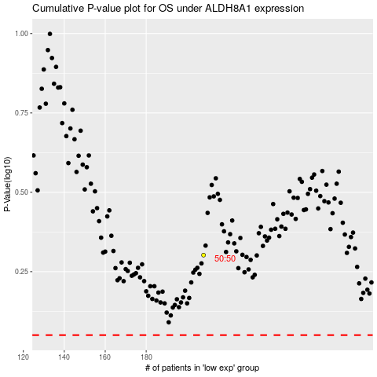

 |  |  |  |  |  | cases_OS | p_OS | rank | exp
 |  |  |  |  |  |  | cases_RFS | p_RFS | rank | exp

