ALG10 _multivariate
Reported by Tex Li-Hsing Chi. tex@gate.sinica.edu.tw 2019-08-22

Table 2. The clinicopathological features of HNSCC cohort and ALG10 expression. (Chi square test)
Cutoff at -0.206 (49.8%)
 |  | ALG10 expression |  | ALG10 expression |  | (Optimised)
 | Features | Low | (%) | High | (%) | Case no | P-value | Remark | Matthews
Gender | Female | 149 | 35.9 | 157 | 37.8 | 415 | 0.4848 | 0 | 0
2 | Male | 58 | 14 | 51 | 12.3
Age at diagnosis | <=65y | 140 | 33.7 | 134 | 32.3 | 415 | 0.5574 | 0 | 0
4 | >65y | 67 | 16.1 | 74 | 17.8
Clinical T Status | T1+T2 | 64 | 15.4 | 85 | 20.5 | 415 | 0.0445 | 1 | 0
6 | T3+T4 | 143 | 34.5 | 123 | 29.6
Clinical N Status | N0 | 103 | 24.8 | 113 | 27.2 | 415 | 0.4047 | 0 | 0
8 | N1-3 | 104 | 25.1 | 95 | 22.9
Clinical M Status | M0 | 205 | 49.4 | 207 | 49.9 | 415 | 0.6232 | 0 | 0
10 | M1 | 2 | 0.5 | 1 | 0.2
Clinical Stage | Stage I+II | 43 | 10.4 | 59 | 14.2 | 415 | 0.0925 | 0 | 0
12 | Stage III+IV | 164 | 39.5 | 149 | 35.9
Surgical Margin status | Negative | 163 | 39.3 | 155 | 37.3 | 415 | 0.3537 | 0 | 0
14 | Positive | 44 | 10.6 | 53 | 12.8
Tobacco Exposure | Low | 87 | 21 | 74 | 17.8 | 415 | 0.1911 | 0 | 0
16 | High | 120 | 28.9 | 134 | 32.3

Table 3. Univariate/Multivariate Cox's proportional hazards regression analyses on OS time of ALG10 gene expression in HNSCC

 |  | Univariate |  |  |  | Multivariate
 | Features | HR | CI95%(L) | CI95%(H) | P-value | HR | CI95%(L) | CI95%(H) | P-value
1 | Female | 1 |  |  |  | 1
Gender | Male | 1.157 | 0.843 | 1.587 | 0.367 | 1.206 | 0.864 | 1.685 | 0.271
11 | <=65y | 1 |  |  |  | 1
Age at diagnosis | >65y | 1.329 | 0.99 | 1.784 | 0.058 | 1.387 | 1.02 | 1.885 | 0.037
12 | T1+T2 | 1 |  |  |  | 1
Clinical T Status | T3+T4 | 1.409 | 1.028 | 1.931 | 0.033 | 2.252 | 1.187 | 4.276 | 0.013
13 | N0 | 1 |  |  |  | 1
Clinical N Status | N1-3 | 1.185 | 0.89 | 1.577 | 0.246 | 1.251 | 0.876 | 1.787 | 0.218
14 | M0 | 1 |  |  |  | 1
Clinical M Status | M1 | 4.097 | 1.009 | 16.644 | 0.049 | 9.812 | 2.127 | 45.254 | 0.003
15 | Stage I+II | 1 |  |  |  | 1
Clinical Stage | Stage III+IV | 1.245 | 0.882 | 1.759 | 0.213 | 0.497 | 0.231 | 1.069 | 0.074
16 | Negative | 1 |  |  |  | 1
Surgical Margin status | Positive | 1.591 | 1.155 | 2.191 | 0.004 | 1.662 | 1.203 | 2.298 | 0.002
17 | Low | 1 |  |  |  | 1
Tobacco Exposure | High | 1.364 | 1.008 | 1.844 | 0.044 | 1.432 | 1.036 | 1.979 | 0.03
18 | Low | 1 |  |  |  | 1
RNAseq(z-score) | High | 1.092 | 0.819 | 1.457 | 0.548 | 1.097 | 0.816 | 1.474 | 0.539

Table 4. Univariate/Multivariate Cox's proportional hazards regression analyses on RFS time of ALG10 gene expression in HNSCC

 |  | Univariate |  |  |  | Multivariate
 | Features | HR | CI95%(L) | CI95%(H) | P-value | HR | CI95%(L) | CI95%(H) | P-value
1 | Female | 1 |  |  |  | 1
Gender | Male | 1.157 | 0.843 | 1.587 | 0.367 | 1.206 | 0.864 | 1.685 | 0.271
11 | <=65y | 1 |  |  |  | 1
Age at diagnosis | >65y | 1.329 | 0.99 | 1.784 | 0.058 | 1.387 | 1.02 | 1.885 | 0.037
12 | T1+T2 | 1 |  |  |  | 1
Clinical T Status | T3+T4 | 1.409 | 1.028 | 1.931 | 0.033 | 2.252 | 1.187 | 4.276 | 0.013
13 | N0 | 1 |  |  |  | 1
Clinical N Status | N1-3 | 1.185 | 0.89 | 1.577 | 0.246 | 1.251 | 0.876 | 1.787 | 0.218
14 | M0 | 1 |  |  |  | 1
Clinical M Status | M1 | 4.097 | 1.009 | 16.644 | 0.049 | 9.812 | 2.127 | 45.254 | 0.003
15 | Stage I+II | 1 |  |  |  | 1
Clinical Stage | Stage III+IV | 1.245 | 0.882 | 1.759 | 0.213 | 0.497 | 0.231 | 1.069 | 0.074
16 | Negative | 1 |  |  |  | 1
Surgical Margin status | Positive | 1.591 | 1.155 | 2.191 | 0.004 | 1.662 | 1.203 | 2.298 | 0.002
17 | Low | 1 |  |  |  | 1
Tobacco Exposure | High | 1.364 | 1.008 | 1.844 | 0.044 | 1.432 | 1.036 | 1.979 | 0.03
18 | Low | 1 |  |  |  | 1
RNAseq(z-score) | High | 1.092 | 0.819 | 1.457 | 0.548 | 1.097 | 0.816 | 1.474 | 0.539

Kaplan-Meier survival estimate: Cutoff at -0.206 (49.8%)



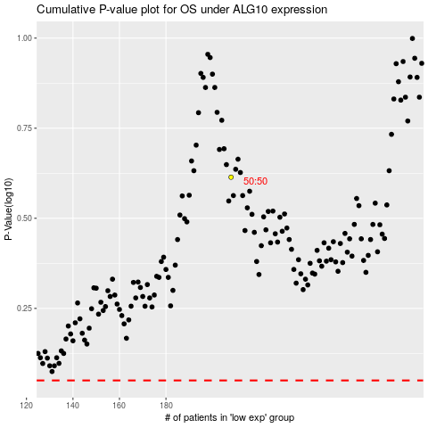

 |  |  |  |  |  | cases_OS | p_OS | rank | exp
 |  |  |  |  |  |  | cases_RFS | p_RFS | rank | exp

