ALG11 _multivariate
Reported by Tex Li-Hsing Chi. tex@gate.sinica.edu.tw 2019-08-22

Table 2. The clinicopathological features of HNSCC cohort and ALG11 expression. (Chi square test)
Cutoff at -0.296 (42.3%)
 |  | ALG11 expression |  | ALG11 expression |  | (Optimised)
 | Features | Low | (%) | High | (%) | Case no | P-value | Remark | Matthews
Gender | Female | 122 | 29.4 | 184 | 44.3 | 415 | 0.1398 | 0 | 0
2 | Male | 53 | 12.8 | 56 | 13.5
Age at diagnosis | <=65y | 119 | 28.7 | 155 | 37.3 | 415 | 0.5347 | 0 | 0
4 | >65y | 56 | 13.5 | 85 | 20.5
Clinical T Status | T1+T2 | 64 | 15.4 | 85 | 20.5 | 415 | 0.8898 | 0 | 0
6 | T3+T4 | 111 | 26.7 | 155 | 37.3
Clinical N Status | N0 | 91 | 21.9 | 125 | 30.1 | 415 | 1 | 0 | 0
8 | N1-3 | 84 | 20.2 | 115 | 27.7
Clinical M Status | M0 | 173 | 41.7 | 239 | 57.6 | 415 | 0.5756 | 0 | 0
10 | M1 | 2 | 0.5 | 1 | 0.2
Clinical Stage | Stage I+II | 43 | 10.4 | 59 | 14.2 | 415 | 1 | 0 | 0
12 | Stage III+IV | 132 | 31.8 | 181 | 43.6
Surgical Margin status | Negative | 133 | 32 | 185 | 44.6 | 415 | 0.815 | 0 | 0
14 | Positive | 42 | 10.1 | 55 | 13.3
Tobacco Exposure | Low | 70 | 16.9 | 91 | 21.9 | 415 | 0.6842 | 0 | 0
16 | High | 105 | 25.3 | 149 | 35.9

Table 3. Univariate/Multivariate Cox's proportional hazards regression analyses on OS time of ALG11 gene expression in HNSCC

 |  | Univariate |  |  |  | Multivariate
 | Features | HR | CI95%(L) | CI95%(H) | P-value | HR | CI95%(L) | CI95%(H) | P-value
1 | Female | 1 |  |  |  | 1
Gender | Male | 1.157 | 0.843 | 1.587 | 0.367 | 1.248 | 0.894 | 1.742 | 0.194
11 | <=65y | 1 |  |  |  | 1
Age at diagnosis | >65y | 1.329 | 0.99 | 1.784 | 0.058 | 1.365 | 1.003 | 1.858 | 0.048
12 | T1+T2 | 1 |  |  |  | 1
Clinical T Status | T3+T4 | 1.409 | 1.028 | 1.931 | 0.033 | 2.258 | 1.193 | 4.273 | 0.012
13 | N0 | 1 |  |  |  | 1
Clinical N Status | N1-3 | 1.185 | 0.89 | 1.577 | 0.246 | 1.272 | 0.891 | 1.816 | 0.186
14 | M0 | 1 |  |  |  | 1
Clinical M Status | M1 | 4.097 | 1.009 | 16.644 | 0.049 | 10.329 | 2.25 | 47.427 | 0.003
15 | Stage I+II | 1 |  |  |  | 1
Clinical Stage | Stage III+IV | 1.245 | 0.882 | 1.759 | 0.213 | 0.496 | 0.231 | 1.066 | 0.073
16 | Negative | 1 |  |  |  | 1
Surgical Margin status | Positive | 1.591 | 1.155 | 2.191 | 0.004 | 1.646 | 1.192 | 2.275 | 0.003
17 | Low | 1 |  |  |  | 1
Tobacco Exposure | High | 1.364 | 1.008 | 1.844 | 0.044 | 1.413 | 1.027 | 1.944 | 0.034
18 | Low | 1 |  |  |  | 1
RNAseq(z-score) | High | 1.487 | 1.103 | 2.005 | 0.009 | 1.512 | 1.118 | 2.045 | 0.007

Table 4. Univariate/Multivariate Cox's proportional hazards regression analyses on RFS time of ALG11 gene expression in HNSCC

 |  | Univariate |  |  |  | Multivariate
 | Features | HR | CI95%(L) | CI95%(H) | P-value | HR | CI95%(L) | CI95%(H) | P-value
1 | Female | 1 |  |  |  | 1
Gender | Male | 1.157 | 0.843 | 1.587 | 0.367 | 1.248 | 0.894 | 1.742 | 0.194
11 | <=65y | 1 |  |  |  | 1
Age at diagnosis | >65y | 1.329 | 0.99 | 1.784 | 0.058 | 1.365 | 1.003 | 1.858 | 0.048
12 | T1+T2 | 1 |  |  |  | 1
Clinical T Status | T3+T4 | 1.409 | 1.028 | 1.931 | 0.033 | 2.258 | 1.193 | 4.273 | 0.012
13 | N0 | 1 |  |  |  | 1
Clinical N Status | N1-3 | 1.185 | 0.89 | 1.577 | 0.246 | 1.272 | 0.891 | 1.816 | 0.186
14 | M0 | 1 |  |  |  | 1
Clinical M Status | M1 | 4.097 | 1.009 | 16.644 | 0.049 | 10.329 | 2.25 | 47.427 | 0.003
15 | Stage I+II | 1 |  |  |  | 1
Clinical Stage | Stage III+IV | 1.245 | 0.882 | 1.759 | 0.213 | 0.496 | 0.231 | 1.066 | 0.073
16 | Negative | 1 |  |  |  | 1
Surgical Margin status | Positive | 1.591 | 1.155 | 2.191 | 0.004 | 1.646 | 1.192 | 2.275 | 0.003
17 | Low | 1 |  |  |  | 1
Tobacco Exposure | High | 1.364 | 1.008 | 1.844 | 0.044 | 1.413 | 1.027 | 1.944 | 0.034
18 | Low | 1 |  |  |  | 1
RNAseq(z-score) | High | 1.487 | 1.103 | 2.005 | 0.009 | 1.512 | 1.118 | 2.045 | 0.007

Kaplan-Meier survival estimate: Cutoff at -0.296 (42.3%)

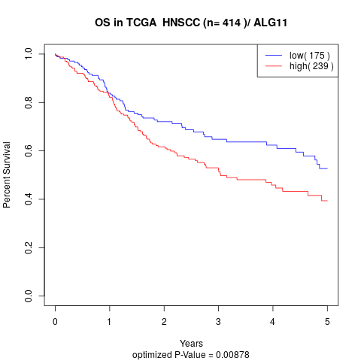

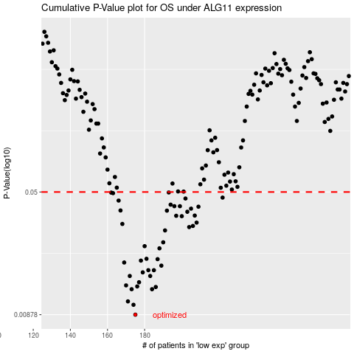

 |  |  |  |  |  | cases_OS | p_OS | rank | exp
 |  |  |  |  |  | 175 | 0.00878 | 344 | -0.29644620179
 |  |  |  |  |  | 174 | 0.0101 | 360 | -0.29760454784
 |  |  |  |  |  | 171 | 0.0106 | 196 | -0.30427962112
 |  |  |  |  |  | 184 | 0.0126 | 143 | -0.27272094135
 |  |  |  |  |  | 173 | 0.0126 | 168 | -0.30039624515
 |  |  |  |  |  | 186 | 0.013 | 225 | -0.26769588619
 |  |  |  |  |  | 176 | 0.0131 | 212 | -0.29260449295
 |  |  |  |  |  | 170 | 0.0133 | 300 | -0.30437128879
 |  |  |  |  |  | 177 | 0.0139 | 409 | -0.28507107692
 |  |  |  |  |  | 183 | 0.0152 | 15 | -0.27419595754
 |  |  |  |  |  | 172 | 0.0152 | 314 | -0.30347961233
 |  |  |  |  |  | 179 | 0.016 | 43 | -0.27954601627
 |  |  |  |  |  | 185 | 0.0165 | 126 | -0.26866256347
 |  |  |  |  |  | 182 | 0.0165 | 146 | -0.27529596962
 |  |  |  |  |  | 189 | 0.0176 | 296 | -0.25447074101
 |  |  |  |  |  | 169 | 0.0184 | 111 | -0.30679631541
 |  |  |  |  |  | 178 | 0.0189 | 317 | -0.28233771358
 |  |  |  |  |  | 187 | 0.0193 | 55 | -0.26428751544
 |  |  |  |  |  | 181 | 0.0194 | 156 | -0.27627098032
 |  |  |  |  |  | 188 | 0.0225 | 149 | -0.258295783
 |  |  |  |  |  | 180 | 0.0232 | 337 | -0.27889600914
 |  |  |  |  |  | 190 | 0.0245 | 244 | -0.2404289202
 |  |  |  |  |  | 191 | 0.029 | 23 | -0.23692054836
 |  |  |  |  |  | 204 | 0.0304 | 361 | -0.17840323932
 |  |  |  |  |  | 206 | 0.0309 | 3 | -0.17226983866
 |  |  |  |  |  | 168 | 0.0318 | 230 | -0.31314638512
 |  |  |  |  |  | 208 | 0.0324 | 161 | -0.16745311912
 |  |  |  |  |  | 200 | 0.0355 | 281 | -0.18942836035
 |  |  |  |  |  | 197 | 0.0357 | 198 | -0.19873679586
 |  |  |  |  |  | 207 | 0.0358 | 331 | -0.1714448296
 |  |  |  |  |  | 203 | 0.0378 | 327 | -0.18207827966
 |  |  |  |  |  | 192 | 0.0384 | 253 | -0.2282704534
 |  |  |  |  |  | 167 | 0.0385 | 324 | -0.32856322102
 |  |  |  |  |  | 205 | 0.0395 | 44 | -0.17672822093
 |  |  |  |  |  | 209 | 0.0406 | 289 | -0.14896958288
 |  |  |  |  |  | 196 | 0.0409 | 9 | -0.20912857661
 |  |  |  |  |  | 199 | 0.0409 | 382 | -0.19311173412
 |  |  |  |  |  | 194 | 0.0418 | 148 | -0.22115370861
 |  |  |  |  |  | 166 | 0.0443 | 336 | -0.33273826685
 |  |  |  |  |  | 202 | 0.0456 | 329 | -0.18470330848
 |  |  |  |  |  | 222 | 0.0462 | 124 | -0.099777376214
 |  |  |  |  |  | 163 | 0.0492 | 404 | -0.33844666285
 |  |  |  |  |  | 162 | 0.0496 | 306 | -0.33893000149
 |  |  |  |  |  | 193 | 0.0497 | 158 | -0.22772044736
 |  |  |  |  |  |  | cases_RFS | p_RFS | rank | exp
 |  |  |  |  |  |  | 174 | 0.00878 | 360 | -0.29760454784
 |  |  |  |  |  |  | 173 | 0.0101 | 168 | -0.30039624515
 |  |  |  |  |  |  | 170 | 0.0106 | 300 | -0.30437128879
 |  |  |  |  |  |  | 183 | 0.0126 | 15 | -0.27419595754
 |  |  |  |  |  |  | 172 | 0.0126 | 314 | -0.30347961233
 |  |  |  |  |  |  | 185 | 0.013 | 126 | -0.26866256347
 |  |  |  |  |  |  | 175 | 0.0131 | 344 | -0.29644620179
 |  |  |  |  |  |  | 169 | 0.0133 | 111 | -0.30679631541
 |  |  |  |  |  |  | 176 | 0.0139 | 212 | -0.29260449295
 |  |  |  |  |  |  | 182 | 0.0152 | 146 | -0.27529596962
 |  |  |  |  |  |  | 171 | 0.0152 | 196 | -0.30427962112
 |  |  |  |  |  |  | 178 | 0.016 | 317 | -0.28233771358
 |  |  |  |  |  |  | 184 | 0.0165 | 143 | -0.27272094135
 |  |  |  |  |  |  | 181 | 0.0165 | 156 | -0.27627098032
 |  |  |  |  |  |  | 188 | 0.0176 | 149 | -0.258295783
 |  |  |  |  |  |  | 168 | 0.0184 | 230 | -0.31314638512
 |  |  |  |  |  |  | 177 | 0.0189 | 409 | -0.28507107692
 |  |  |  |  |  |  | 186 | 0.0193 | 225 | -0.26769588619
 |  |  |  |  |  |  | 180 | 0.0194 | 337 | -0.27889600914
 |  |  |  |  |  |  | 187 | 0.0225 | 55 | -0.26428751544
 |  |  |  |  |  |  | 179 | 0.0232 | 43 | -0.27954601627
 |  |  |  |  |  |  | 189 | 0.0245 | 296 | -0.25447074101
 |  |  |  |  |  |  | 190 | 0.029 | 244 | -0.2404289202
 |  |  |  |  |  |  | 203 | 0.0304 | 327 | -0.18207827966
 |  |  |  |  |  |  | 205 | 0.0309 | 44 | -0.17672822093
 |  |  |  |  |  |  | 167 | 0.0318 | 324 | -0.32856322102
 |  |  |  |  |  |  | 207 | 0.0324 | 331 | -0.1714448296
 |  |  |  |  |  |  | 199 | 0.0355 | 382 | -0.19311173412
 |  |  |  |  |  |  | 196 | 0.0357 | 9 | -0.20912857661
 |  |  |  |  |  |  | 206 | 0.0358 | 3 | -0.17226983866
 |  |  |  |  |  |  | 202 | 0.0378 | 329 | -0.18470330848
 |  |  |  |  |  |  | 191 | 0.0384 | 23 | -0.23692054836
 |  |  |  |  |  |  | 166 | 0.0385 | 336 | -0.33273826685
 |  |  |  |  |  |  | 204 | 0.0395 | 361 | -0.17840323932
 |  |  |  |  |  |  | 208 | 0.0406 | 161 | -0.16745311912
 |  |  |  |  |  |  | 195 | 0.0409 | 35 | -0.21997036229
 |  |  |  |  |  |  | 198 | 0.0409 | 116 | -0.19565342868
 |  |  |  |  |  |  | 193 | 0.0418 | 158 | -0.22772044736
 |  |  |  |  |  |  | 165 | 0.0443 | 160 | -0.33612163733
 |  |  |  |  |  |  | 201 | 0.0456 | 147 | -0.18492831095
 |  |  |  |  |  |  | 221 | 0.0462 | 292 | -0.10325241436
 |  |  |  |  |  |  | 162 | 0.0492 | 306 | -0.33893000149
 |  |  |  |  |  |  | 161 | 0.0496 | 11 | -0.34383005528
 |  |  |  |  |  |  | 192 | 0.0497 | 253 | -0.2282704534

