ALG12 _multivariate
Reported by Tex Li-Hsing Chi. tex@gate.sinica.edu.tw 2019-08-22

Table 2. The clinicopathological features of HNSCC cohort and ALG12 expression. (Chi square test)
Cutoff at -0.102 (49.8%)
 |  | ALG12 expression |  | ALG12 expression |  | (Optimised)
 | Features | Low | (%) | High | (%) | Case no | P-value | Remark | Matthews
Gender | Female | 152 | 36.6 | 154 | 37.1 | 415 | 0.9766 | 0 | 0
2 | Male | 55 | 13.3 | 54 | 13
Age at diagnosis | <=65y | 135 | 32.5 | 139 | 33.5 | 415 | 0.8084 | 0 | 0
4 | >65y | 72 | 17.3 | 69 | 16.6
Clinical T Status | T1+T2 | 69 | 16.6 | 80 | 19.3 | 415 | 0.3239 | 0 | 0
6 | T3+T4 | 138 | 33.3 | 128 | 30.8
Clinical N Status | N0 | 96 | 23.1 | 120 | 28.9 | 415 | 0.0272 | 1 | 0
8 | N1-3 | 111 | 26.7 | 88 | 21.2
Clinical M Status | M0 | 206 | 49.6 | 206 | 49.6 | 415 | 1 | 0 | 0
10 | M1 | 1 | 0.2 | 2 | 0.5
Clinical Stage | Stage I+II | 44 | 10.6 | 58 | 14 | 415 | 0.1459 | 0 | 0
12 | Stage III+IV | 163 | 39.3 | 150 | 36.1
Surgical Margin status | Negative | 153 | 36.9 | 165 | 39.8 | 415 | 0.2036 | 0 | 0
14 | Positive | 54 | 13 | 43 | 10.4
Tobacco Exposure | Low | 84 | 20.2 | 77 | 18.6 | 415 | 0.4816 | 0 | 0
16 | High | 123 | 29.6 | 131 | 31.6

Table 3. Univariate/Multivariate Cox's proportional hazards regression analyses on OS time of ALG12 gene expression in HNSCC

 |  | Univariate |  |  |  | Multivariate
 | Features | HR | CI95%(L) | CI95%(H) | P-value | HR | CI95%(L) | CI95%(H) | P-value
1 | Female | 1 |  |  |  | 1
Gender | Male | 1.157 | 0.843 | 1.587 | 0.367 | 1.198 | 0.857 | 1.675 | 0.29
11 | <=65y | 1 |  |  |  | 1
Age at diagnosis | >65y | 1.329 | 0.99 | 1.784 | 0.058 | 1.4 | 1.029 | 1.904 | 0.032
12 | T1+T2 | 1 |  |  |  | 1
Clinical T Status | T3+T4 | 1.409 | 1.028 | 1.931 | 0.033 | 2.221 | 1.174 | 4.203 | 0.014
13 | N0 | 1 |  |  |  | 1
Clinical N Status | N1-3 | 1.185 | 0.89 | 1.577 | 0.246 | 1.268 | 0.885 | 1.817 | 0.195
14 | M0 | 1 |  |  |  | 1
Clinical M Status | M1 | 4.097 | 1.009 | 16.644 | 0.049 | 9.037 | 1.965 | 41.551 | 0.005
15 | Stage I+II | 1 |  |  |  | 1
Clinical Stage | Stage III+IV | 1.245 | 0.882 | 1.759 | 0.213 | 0.5 | 0.233 | 1.073 | 0.075
16 | Negative | 1 |  |  |  | 1
Surgical Margin status | Positive | 1.591 | 1.155 | 2.191 | 0.004 | 1.691 | 1.222 | 2.34 | 0.002
17 | Low | 1 |  |  |  | 1
Tobacco Exposure | High | 1.364 | 1.008 | 1.844 | 0.044 | 1.439 | 1.043 | 1.986 | 0.027
18 | Low | 1 |  |  |  | 1
RNAseq(z-score) | High | 1.103 | 0.825 | 1.474 | 0.509 | 1.138 | 0.846 | 1.53 | 0.392

Table 4. Univariate/Multivariate Cox's proportional hazards regression analyses on RFS time of ALG12 gene expression in HNSCC

 |  | Univariate |  |  |  | Multivariate
 | Features | HR | CI95%(L) | CI95%(H) | P-value | HR | CI95%(L) | CI95%(H) | P-value
1 | Female | 1 |  |  |  | 1
Gender | Male | 1.157 | 0.843 | 1.587 | 0.367 | 1.198 | 0.857 | 1.675 | 0.29
11 | <=65y | 1 |  |  |  | 1
Age at diagnosis | >65y | 1.329 | 0.99 | 1.784 | 0.058 | 1.4 | 1.029 | 1.904 | 0.032
12 | T1+T2 | 1 |  |  |  | 1
Clinical T Status | T3+T4 | 1.409 | 1.028 | 1.931 | 0.033 | 2.221 | 1.174 | 4.203 | 0.014
13 | N0 | 1 |  |  |  | 1
Clinical N Status | N1-3 | 1.185 | 0.89 | 1.577 | 0.246 | 1.268 | 0.885 | 1.817 | 0.195
14 | M0 | 1 |  |  |  | 1
Clinical M Status | M1 | 4.097 | 1.009 | 16.644 | 0.049 | 9.037 | 1.965 | 41.551 | 0.005
15 | Stage I+II | 1 |  |  |  | 1
Clinical Stage | Stage III+IV | 1.245 | 0.882 | 1.759 | 0.213 | 0.5 | 0.233 | 1.073 | 0.075
16 | Negative | 1 |  |  |  | 1
Surgical Margin status | Positive | 1.591 | 1.155 | 2.191 | 0.004 | 1.691 | 1.222 | 2.34 | 0.002
17 | Low | 1 |  |  |  | 1
Tobacco Exposure | High | 1.364 | 1.008 | 1.844 | 0.044 | 1.439 | 1.043 | 1.986 | 0.027
18 | Low | 1 |  |  |  | 1
RNAseq(z-score) | High | 1.103 | 0.825 | 1.474 | 0.509 | 1.138 | 0.846 | 1.53 | 0.392

Kaplan-Meier survival estimate: Cutoff at -0.102 (49.8%)



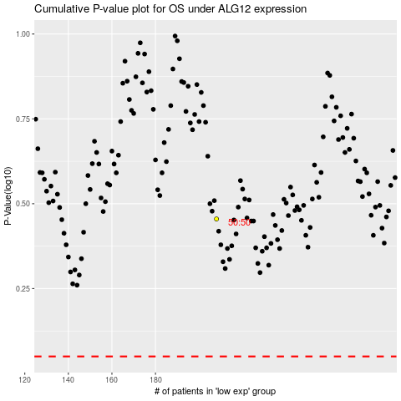

 |  |  |  |  |  | cases_OS | p_OS | rank | exp
 |  |  |  |  |  |  | cases_RFS | p_RFS | rank | exp

