ALG14 _multivariate
Reported by Tex Li-Hsing Chi. tex@gate.sinica.edu.tw 2019-08-22

Table 2. The clinicopathological features of HNSCC cohort and ALG14 expression. (Chi square test)
Cutoff at -0.203 (50.0%)
 |  | ALG14 expression |  | ALG14 expression |  | (Optimised)
 | Features | Low | (%) | High | (%) | Case no | P-value | Remark | Matthews
Gender | Female | 156 | 37.6 | 150 | 36.1 | 415 | 0.5222 | 0 | 0
2 | Male | 51 | 12.3 | 58 | 14
Age at diagnosis | <=65y | 135 | 32.5 | 139 | 33.5 | 415 | 0.8084 | 0 | 0
4 | >65y | 72 | 17.3 | 69 | 16.6
Clinical T Status | T1+T2 | 59 | 14.2 | 90 | 21.7 | 415 | 0.0024 | 1 | 0
6 | T3+T4 | 148 | 35.7 | 118 | 28.4
Clinical N Status | N0 | 100 | 24.1 | 116 | 28 | 415 | 0.1548 | 0 | 0
8 | N1-3 | 107 | 25.8 | 92 | 22.2
Clinical M Status | M0 | 207 | 49.9 | 205 | 49.4 | 415 | 0.2482 | 0 | 0
10 | M1 | 0 | 0 | 3 | 0.7
Clinical Stage | Stage I+II | 36 | 8.7 | 66 | 15.9 | 415 | 0.001 | 1 | 0
12 | Stage III+IV | 171 | 41.2 | 142 | 34.2
Surgical Margin status | Negative | 160 | 38.6 | 158 | 38.1 | 415 | 0.8167 | 0 | 0
14 | Positive | 47 | 11.3 | 50 | 12
Tobacco Exposure | Low | 69 | 16.6 | 92 | 22.2 | 415 | 0.0266 | 1 | 0
16 | High | 138 | 33.3 | 116 | 28

Table 3. Univariate/Multivariate Cox's proportional hazards regression analyses on OS time of ALG14 gene expression in HNSCC

 |  | Univariate |  |  |  | Multivariate
 | Features | HR | CI95%(L) | CI95%(H) | P-value | HR | CI95%(L) | CI95%(H) | P-value
1 | Female | 1 |  |  |  | 1
Gender | Male | 1.157 | 0.843 | 1.587 | 0.367 | 1.213 | 0.867 | 1.696 | 0.26
11 | <=65y | 1 |  |  |  | 1
Age at diagnosis | >65y | 1.329 | 0.99 | 1.784 | 0.058 | 1.381 | 1.016 | 1.879 | 0.04
12 | T1+T2 | 1 |  |  |  | 1
Clinical T Status | T3+T4 | 1.409 | 1.028 | 1.931 | 0.033 | 2.191 | 1.159 | 4.143 | 0.016
13 | N0 | 1 |  |  |  | 1
Clinical N Status | N1-3 | 1.185 | 0.89 | 1.577 | 0.246 | 1.238 | 0.868 | 1.767 | 0.239
14 | M0 | 1 |  |  |  | 1
Clinical M Status | M1 | 4.097 | 1.009 | 16.644 | 0.049 | 10.116 | 2.185 | 46.84 | 0.003
15 | Stage I+II | 1 |  |  |  | 1
Clinical Stage | Stage III+IV | 1.245 | 0.882 | 1.759 | 0.213 | 0.494 | 0.23 | 1.061 | 0.071
16 | Negative | 1 |  |  |  | 1
Surgical Margin status | Positive | 1.591 | 1.155 | 2.191 | 0.004 | 1.682 | 1.217 | 2.326 | 0.002
17 | Low | 1 |  |  |  | 1
Tobacco Exposure | High | 1.364 | 1.008 | 1.844 | 0.044 | 1.444 | 1.048 | 1.991 | 0.025
18 | Low | 1 |  |  |  | 1
RNAseq(z-score) | High | 0.856 | 0.642 | 1.142 | 0.291 | 0.881 | 0.654 | 1.186 | 0.402

Table 4. Univariate/Multivariate Cox's proportional hazards regression analyses on RFS time of ALG14 gene expression in HNSCC

 |  | Univariate |  |  |  | Multivariate
 | Features | HR | CI95%(L) | CI95%(H) | P-value | HR | CI95%(L) | CI95%(H) | P-value
1 | Female | 1 |  |  |  | 1
Gender | Male | 1.157 | 0.843 | 1.587 | 0.367 | 1.213 | 0.867 | 1.696 | 0.26
11 | <=65y | 1 |  |  |  | 1
Age at diagnosis | >65y | 1.329 | 0.99 | 1.784 | 0.058 | 1.381 | 1.016 | 1.879 | 0.04
12 | T1+T2 | 1 |  |  |  | 1
Clinical T Status | T3+T4 | 1.409 | 1.028 | 1.931 | 0.033 | 2.191 | 1.159 | 4.143 | 0.016
13 | N0 | 1 |  |  |  | 1
Clinical N Status | N1-3 | 1.185 | 0.89 | 1.577 | 0.246 | 1.238 | 0.868 | 1.767 | 0.239
14 | M0 | 1 |  |  |  | 1
Clinical M Status | M1 | 4.097 | 1.009 | 16.644 | 0.049 | 10.116 | 2.185 | 46.84 | 0.003
15 | Stage I+II | 1 |  |  |  | 1
Clinical Stage | Stage III+IV | 1.245 | 0.882 | 1.759 | 0.213 | 0.494 | 0.23 | 1.061 | 0.071
16 | Negative | 1 |  |  |  | 1
Surgical Margin status | Positive | 1.591 | 1.155 | 2.191 | 0.004 | 1.682 | 1.217 | 2.326 | 0.002
17 | Low | 1 |  |  |  | 1
Tobacco Exposure | High | 1.364 | 1.008 | 1.844 | 0.044 | 1.444 | 1.048 | 1.991 | 0.025
18 | Low | 1 |  |  |  | 1
RNAseq(z-score) | High | 0.856 | 0.642 | 1.142 | 0.291 | 0.881 | 0.654 | 1.186 | 0.402

Kaplan-Meier survival estimate: Cutoff at -0.203 (50.0%)



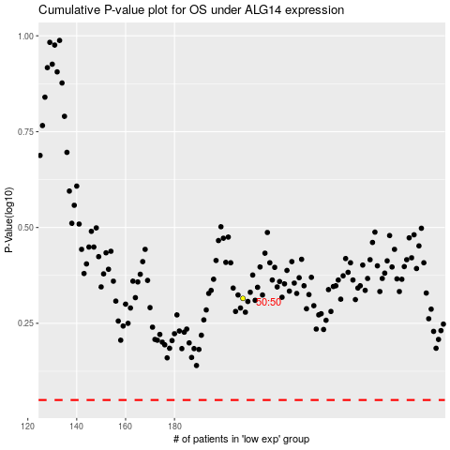

 |  |  |  |  |  | cases_OS | p_OS | rank | exp
 |  |  |  |  |  |  | cases_RFS | p_RFS | rank | exp

