ALG1L _multivariate
Reported by Tex Li-Hsing Chi. tex@gate.sinica.edu.tw 2019-08-22

Table 2. The clinicopathological features of HNSCC cohort and ALG1L expression. (Chi square test)
Cutoff at -0.256 (49.8%)
 |  | ALG1L expression |  | ALG1L expression |  | (Optimised)
 | Features | Low | (%) | High | (%) | Case no | P-value | Remark | Matthews
Gender | Female | 151 | 36.4 | 155 | 37.3 | 415 | 0.8007 | 0 | 0
2 | Male | 56 | 13.5 | 53 | 12.8
Age at diagnosis | <=65y | 137 | 33 | 137 | 33 | 415 | 1 | 0 | 0
4 | >65y | 70 | 16.9 | 71 | 17.1
Clinical T Status | T1+T2 | 71 | 17.1 | 78 | 18.8 | 415 | 0.5638 | 0 | 0
6 | T3+T4 | 136 | 32.8 | 130 | 31.3
Clinical N Status | N0 | 93 | 22.4 | 123 | 29.6 | 415 | 0.0051 | 1 | 0
8 | N1-3 | 114 | 27.5 | 85 | 20.5
Clinical M Status | M0 | 205 | 49.4 | 207 | 49.9 | 415 | 0.6232 | 0 | 0
10 | M1 | 2 | 0.5 | 1 | 0.2
Clinical Stage | Stage I+II | 48 | 11.6 | 54 | 13 | 415 | 0.5878 | 0 | 0
12 | Stage III+IV | 159 | 38.3 | 154 | 37.1
Surgical Margin status | Negative | 158 | 38.1 | 160 | 38.6 | 415 | 0.9081 | 0 | 0
14 | Positive | 49 | 11.8 | 48 | 11.6
Tobacco Exposure | Low | 82 | 19.8 | 79 | 19 | 415 | 0.763 | 0 | 0
16 | High | 125 | 30.1 | 129 | 31.1

Table 3. Univariate/Multivariate Cox's proportional hazards regression analyses on OS time of ALG1L gene expression in HNSCC

 |  | Univariate |  |  |  | Multivariate
 | Features | HR | CI95%(L) | CI95%(H) | P-value | HR | CI95%(L) | CI95%(H) | P-value
1 | Female | 1 |  |  |  | 1
Gender | Male | 1.157 | 0.843 | 1.587 | 0.367 | 1.204 | 0.862 | 1.683 | 0.276
11 | <=65y | 1 |  |  |  | 1
Age at diagnosis | >65y | 1.329 | 0.99 | 1.784 | 0.058 | 1.385 | 1.018 | 1.885 | 0.038
12 | T1+T2 | 1 |  |  |  | 1
Clinical T Status | T3+T4 | 1.409 | 1.028 | 1.931 | 0.033 | 2.156 | 1.138 | 4.087 | 0.019
13 | N0 | 1 |  |  |  | 1
Clinical N Status | N1-3 | 1.185 | 0.89 | 1.577 | 0.246 | 1.223 | 0.855 | 1.75 | 0.27
14 | M0 | 1 |  |  |  | 1
Clinical M Status | M1 | 4.097 | 1.009 | 16.644 | 0.049 | 9.013 | 1.958 | 41.496 | 0.005
15 | Stage I+II | 1 |  |  |  | 1
Clinical Stage | Stage III+IV | 1.245 | 0.882 | 1.759 | 0.213 | 0.514 | 0.239 | 1.106 | 0.089
16 | Negative | 1 |  |  |  | 1
Surgical Margin status | Positive | 1.591 | 1.155 | 2.191 | 0.004 | 1.673 | 1.211 | 2.312 | 0.002
17 | Low | 1 |  |  |  | 1
Tobacco Exposure | High | 1.364 | 1.008 | 1.844 | 0.044 | 1.468 | 1.064 | 2.026 | 0.02
18 | Low | 1 |  |  |  | 1
RNAseq(z-score) | High | 0.854 | 0.64 | 1.141 | 0.286 | 0.898 | 0.669 | 1.205 | 0.474

Table 4. Univariate/Multivariate Cox's proportional hazards regression analyses on RFS time of ALG1L gene expression in HNSCC

 |  | Univariate |  |  |  | Multivariate
 | Features | HR | CI95%(L) | CI95%(H) | P-value | HR | CI95%(L) | CI95%(H) | P-value
1 | Female | 1 |  |  |  | 1
Gender | Male | 1.157 | 0.843 | 1.587 | 0.367 | 1.204 | 0.862 | 1.683 | 0.276
11 | <=65y | 1 |  |  |  | 1
Age at diagnosis | >65y | 1.329 | 0.99 | 1.784 | 0.058 | 1.385 | 1.018 | 1.885 | 0.038
12 | T1+T2 | 1 |  |  |  | 1
Clinical T Status | T3+T4 | 1.409 | 1.028 | 1.931 | 0.033 | 2.156 | 1.138 | 4.087 | 0.019
13 | N0 | 1 |  |  |  | 1
Clinical N Status | N1-3 | 1.185 | 0.89 | 1.577 | 0.246 | 1.223 | 0.855 | 1.75 | 0.27
14 | M0 | 1 |  |  |  | 1
Clinical M Status | M1 | 4.097 | 1.009 | 16.644 | 0.049 | 9.013 | 1.958 | 41.496 | 0.005
15 | Stage I+II | 1 |  |  |  | 1
Clinical Stage | Stage III+IV | 1.245 | 0.882 | 1.759 | 0.213 | 0.514 | 0.239 | 1.106 | 0.089
16 | Negative | 1 |  |  |  | 1
Surgical Margin status | Positive | 1.591 | 1.155 | 2.191 | 0.004 | 1.673 | 1.211 | 2.312 | 0.002
17 | Low | 1 |  |  |  | 1
Tobacco Exposure | High | 1.364 | 1.008 | 1.844 | 0.044 | 1.468 | 1.064 | 2.026 | 0.02
18 | Low | 1 |  |  |  | 1
RNAseq(z-score) | High | 0.854 | 0.64 | 1.141 | 0.286 | 0.898 | 0.669 | 1.205 | 0.474

Kaplan-Meier survival estimate: Cutoff at -0.256 (49.8%)



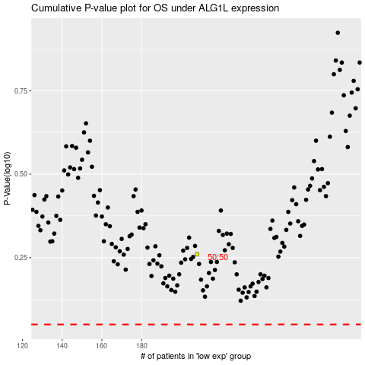

 |  |  |  |  |  | cases_OS | p_OS | rank | exp
 |  |  |  |  |  |  | cases_RFS | p_RFS | rank | exp

