ALG3 _multivariate
Reported by Tex Li-Hsing Chi. tex@gate.sinica.edu.tw 2019-08-22

Table 2. The clinicopathological features of HNSCC cohort and ALG3 expression. (Chi square test)
Cutoff at 0.017 (58.5%)
 |  | ALG3 expression |  | ALG3 expression |  | (Optimised)
 | Features | Low | (%) | High | (%) | Case no | P-value | Remark | Matthews
Gender | Female | 173 | 41.7 | 133 | 32 | 415 | 0.1987 | 0 | 0
2 | Male | 70 | 16.9 | 39 | 9.4
Age at diagnosis | <=65y | 159 | 38.3 | 115 | 27.7 | 415 | 0.8435 | 0 | 0
4 | >65y | 84 | 20.2 | 57 | 13.7
Clinical T Status | T1+T2 | 94 | 22.7 | 55 | 13.3 | 415 | 0.1939 | 0 | 0
6 | T3+T4 | 149 | 35.9 | 117 | 28.2
Clinical N Status | N0 | 126 | 30.4 | 90 | 21.7 | 415 | 1 | 0 | 0
8 | N1-3 | 117 | 28.2 | 82 | 19.8
Clinical M Status | M0 | 243 | 58.6 | 169 | 40.7 | 415 | 0.0705 | 0 | 0
10 | M1 | 0 | 0 | 3 | 0.7
Clinical Stage | Stage I+II | 65 | 15.7 | 37 | 8.9 | 415 | 0.2691 | 0 | 0
12 | Stage III+IV | 178 | 42.9 | 135 | 32.5
Surgical Margin status | Negative | 186 | 44.8 | 132 | 31.8 | 415 | 1 | 0 | 0
14 | Positive | 57 | 13.7 | 40 | 9.6
Tobacco Exposure | Low | 111 | 26.7 | 50 | 12 | 415 | 7e-04 | 1 | 0
16 | High | 132 | 31.8 | 122 | 29.4

Table 3. Univariate/Multivariate Cox's proportional hazards regression analyses on OS time of ALG3 gene expression in HNSCC

 |  | Univariate |  |  |  | Multivariate
 | Features | HR | CI95%(L) | CI95%(H) | P-value | HR | CI95%(L) | CI95%(H) | P-value
1 | Female | 1 |  |  |  | 1
Gender | Male | 1.157 | 0.843 | 1.587 | 0.367 | 1.198 | 0.856 | 1.677 | 0.291
11 | <=65y | 1 |  |  |  | 1
Age at diagnosis | >65y | 1.329 | 0.99 | 1.784 | 0.058 | 1.358 | 0.999 | 1.846 | 0.051
12 | T1+T2 | 1 |  |  |  | 1
Clinical T Status | T3+T4 | 1.409 | 1.028 | 1.931 | 0.033 | 2.133 | 1.127 | 4.037 | 0.02
13 | N0 | 1 |  |  |  | 1
Clinical N Status | N1-3 | 1.185 | 0.89 | 1.577 | 0.246 | 1.254 | 0.878 | 1.79 | 0.213
14 | M0 | 1 |  |  |  | 1
Clinical M Status | M1 | 4.097 | 1.009 | 16.644 | 0.049 | 7.862 | 1.695 | 36.469 | 0.008
15 | Stage I+II | 1 |  |  |  | 1
Clinical Stage | Stage III+IV | 1.245 | 0.882 | 1.759 | 0.213 | 0.506 | 0.236 | 1.086 | 0.08
16 | Negative | 1 |  |  |  | 1
Surgical Margin status | Positive | 1.591 | 1.155 | 2.191 | 0.004 | 1.672 | 1.21 | 2.31 | 0.002
17 | Low | 1 |  |  |  | 1
Tobacco Exposure | High | 1.364 | 1.008 | 1.844 | 0.044 | 1.388 | 1.002 | 1.922 | 0.048
18 | Low | 1 |  |  |  | 1
RNAseq(z-score) | High | 1.437 | 1.077 | 1.917 | 0.014 | 1.3 | 0.967 | 1.749 | 0.083

Table 4. Univariate/Multivariate Cox's proportional hazards regression analyses on RFS time of ALG3 gene expression in HNSCC

 |  | Univariate |  |  |  | Multivariate
 | Features | HR | CI95%(L) | CI95%(H) | P-value | HR | CI95%(L) | CI95%(H) | P-value
1 | Female | 1 |  |  |  | 1
Gender | Male | 1.157 | 0.843 | 1.587 | 0.367 | 1.198 | 0.856 | 1.677 | 0.291
11 | <=65y | 1 |  |  |  | 1
Age at diagnosis | >65y | 1.329 | 0.99 | 1.784 | 0.058 | 1.358 | 0.999 | 1.846 | 0.051
12 | T1+T2 | 1 |  |  |  | 1
Clinical T Status | T3+T4 | 1.409 | 1.028 | 1.931 | 0.033 | 2.133 | 1.127 | 4.037 | 0.02
13 | N0 | 1 |  |  |  | 1
Clinical N Status | N1-3 | 1.185 | 0.89 | 1.577 | 0.246 | 1.254 | 0.878 | 1.79 | 0.213
14 | M0 | 1 |  |  |  | 1
Clinical M Status | M1 | 4.097 | 1.009 | 16.644 | 0.049 | 7.862 | 1.695 | 36.469 | 0.008
15 | Stage I+II | 1 |  |  |  | 1
Clinical Stage | Stage III+IV | 1.245 | 0.882 | 1.759 | 0.213 | 0.506 | 0.236 | 1.086 | 0.08
16 | Negative | 1 |  |  |  | 1
Surgical Margin status | Positive | 1.591 | 1.155 | 2.191 | 0.004 | 1.672 | 1.21 | 2.31 | 0.002
17 | Low | 1 |  |  |  | 1
Tobacco Exposure | High | 1.364 | 1.008 | 1.844 | 0.044 | 1.388 | 1.002 | 1.922 | 0.048
18 | Low | 1 |  |  |  | 1
RNAseq(z-score) | High | 1.437 | 1.077 | 1.917 | 0.014 | 1.3 | 0.967 | 1.749 | 0.083

Kaplan-Meier survival estimate: Cutoff at 0.017 (58.5%)

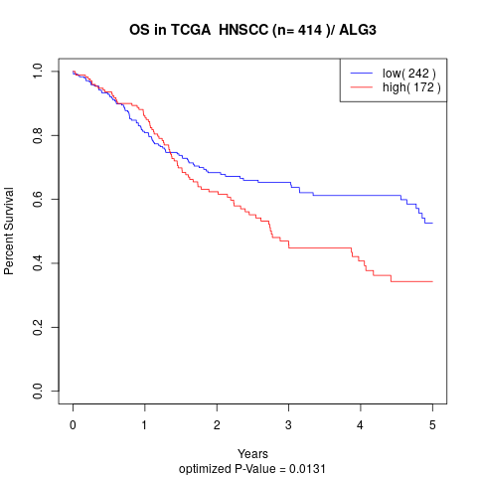

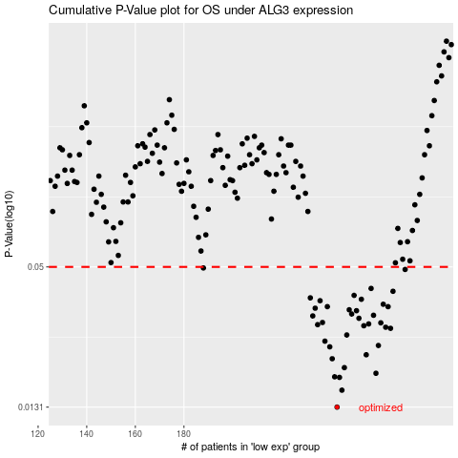

 |  |  |  |  |  | cases_OS | p_OS | rank | exp
 |  |  |  |  |  | 243 | 0.0131 | 237 | 0.0165739287
 |  |  |  |  |  | 245 | 0.0154 | 56 | 0.022668198868
 |  |  |  |  |  | 244 | 0.0174 | 147 | 0.019140953853
 |  |  |  |  |  | 242 | 0.0175 | 105 | 0.016564478126
 |  |  |  |  |  | 259 | 0.0181 | 181 | 0.10217951302
 |  |  |  |  |  | 246 | 0.0191 | 387 | 0.024317375962
 |  |  |  |  |  | 241 | 0.0208 | 341 | -0.0050946797632
 |  |  |  |  |  | 255 | 0.0216 | 409 | 0.075474890973
 |  |  |  |  |  | 240 | 0.0233 | 346 | -0.0077292090158
 |  |  |  |  |  | 260 | 0.0236 | 90 | 0.10232189474
 |  |  |  |  |  | 238 | 0.0246 | 2 | -0.010983737466
 |  |  |  |  |  | 247 | 0.0261 | 236 | 0.029281627492
 |  |  |  |  |  | 265 | 0.0278 | 289 | 0.13469156473
 |  |  |  |  |  | 263 | 0.0281 | 215 | 0.12983874689
 |  |  |  |  |  | 254 | 0.0285 | 44 | 0.074010363555
 |  |  |  |  |  | 235 | 0.0288 | 161 | -0.037592711393
 |  |  |  |  |  | 256 | 0.029 | 377 | 0.076260327142
 |  |  |  |  |  | 261 | 0.0293 | 118 | 0.10438367767
 |  |  |  |  |  | 237 | 0.0294 | 47 | -0.030310992177
 |  |  |  |  |  | 252 | 0.0306 | 323 | 0.054959979508
 |  |  |  |  |  | 233 | 0.0313 | 243 | -0.046617801886
 |  |  |  |  |  | 258 | 0.0315 | 182 | 0.10113122627
 |  |  |  |  |  | 249 | 0.0319 | 82 | 0.039570810151
 |  |  |  |  |  | 251 | 0.0329 | 144 | 0.051528590315
 |  |  |  |  |  | 248 | 0.0332 | 356 | 0.035235177573
 |  |  |  |  |  | 234 | 0.0337 | 91 | -0.043320174665
 |  |  |  |  |  | 239 | 0.0342 | 63 | -0.0086358410079
 |  |  |  |  |  | 264 | 0.0342 | 234 | 0.13385586397
 |  |  |  |  |  | 262 | 0.035 | 160 | 0.10891507214
 |  |  |  |  |  | 236 | 0.0362 | 83 | -0.032197679851
 |  |  |  |  |  | 253 | 0.0367 | 149 | 0.066566322941
 |  |  |  |  |  | 232 | 0.0372 | 337 | -0.069364191199
 |  |  |  |  |  | 250 | 0.0381 | 9 | 0.050177885196
 |  |  |  |  |  | 266 | 0.0396 | 137 | 0.13493177547
 |  |  |  |  |  | 257 | 0.0407 | 400 | 0.078953636888
 |  |  |  |  |  | 271 | 0.0488 | 339 | 0.16104246529
 |  |  |  |  |  | 188 | 0.0495 | 344 | -0.24563515563
 |  |  |  |  |  |  | cases_RFS | p_RFS | rank | exp
 |  |  |  |  |  |  | 242 | 0.0131 | 105 | 0.016564478126
 |  |  |  |  |  |  | 244 | 0.0154 | 147 | 0.019140953853
 |  |  |  |  |  |  | 243 | 0.0174 | 237 | 0.0165739287
 |  |  |  |  |  |  | 241 | 0.0175 | 341 | -0.0050946797632
 |  |  |  |  |  |  | 258 | 0.0181 | 182 | 0.10113122627
 |  |  |  |  |  |  | 245 | 0.0191 | 56 | 0.022668198868
 |  |  |  |  |  |  | 240 | 0.0208 | 346 | -0.0077292090158
 |  |  |  |  |  |  | 254 | 0.0216 | 44 | 0.074010363555
 |  |  |  |  |  |  | 239 | 0.0233 | 63 | -0.0086358410079
 |  |  |  |  |  |  | 259 | 0.0236 | 181 | 0.10217951302
 |  |  |  |  |  |  | 237 | 0.0246 | 47 | -0.030310992177
 |  |  |  |  |  |  | 246 | 0.0261 | 387 | 0.024317375962
 |  |  |  |  |  |  | 264 | 0.0278 | 234 | 0.13385586397
 |  |  |  |  |  |  | 262 | 0.0281 | 160 | 0.10891507214
 |  |  |  |  |  |  | 253 | 0.0285 | 149 | 0.066566322941
 |  |  |  |  |  |  | 234 | 0.0288 | 91 | -0.043320174665
 |  |  |  |  |  |  | 255 | 0.029 | 409 | 0.075474890973
 |  |  |  |  |  |  | 260 | 0.0293 | 90 | 0.10232189474
 |  |  |  |  |  |  | 236 | 0.0294 | 83 | -0.032197679851
 |  |  |  |  |  |  | 251 | 0.0306 | 144 | 0.051528590315
 |  |  |  |  |  |  | 232 | 0.0313 | 337 | -0.069364191199
 |  |  |  |  |  |  | 257 | 0.0315 | 400 | 0.078953636888
 |  |  |  |  |  |  | 248 | 0.0319 | 356 | 0.035235177573
 |  |  |  |  |  |  | 250 | 0.0329 | 9 | 0.050177885196
 |  |  |  |  |  |  | 247 | 0.0332 | 236 | 0.029281627492
 |  |  |  |  |  |  | 233 | 0.0337 | 243 | -0.046617801886
 |  |  |  |  |  |  | 238 | 0.0342 | 2 | -0.010983737466
 |  |  |  |  |  |  | 263 | 0.0342 | 215 | 0.12983874689
 |  |  |  |  |  |  | 261 | 0.035 | 118 | 0.10438367767
 |  |  |  |  |  |  | 235 | 0.0362 | 161 | -0.037592711393
 |  |  |  |  |  |  | 252 | 0.0367 | 323 | 0.054959979508
 |  |  |  |  |  |  | 231 | 0.0372 | 245 | -0.071032580999
 |  |  |  |  |  |  | 249 | 0.0381 | 82 | 0.039570810151
 |  |  |  |  |  |  | 265 | 0.0396 | 289 | 0.13469156473
 |  |  |  |  |  |  | 256 | 0.0407 | 377 | 0.076260327142
 |  |  |  |  |  |  | 270 | 0.0488 | 348 | 0.16006583674
 |  |  |  |  |  |  | 187 | 0.0495 | 407 | -0.24781771896

