ALG6 _multivariate
Reported by Tex Li-Hsing Chi. tex@gate.sinica.edu.tw 2019-08-22

Table 2. The clinicopathological features of HNSCC cohort and ALG6 expression. (Chi square test)
Cutoff at -0.261 (49.8%)
 |  | ALG6 expression |  | ALG6 expression |  | (Optimised)
 | Features | Low | (%) | High | (%) | Case no | P-value | Remark | Matthews
Gender | Female | 154 | 37.1 | 152 | 36.6 | 415 | 0.8463 | 0 | 0
2 | Male | 53 | 12.8 | 56 | 13.5
Age at diagnosis | <=65y | 123 | 29.6 | 151 | 36.4 | 415 | 0.0063 | 1 | 0
4 | >65y | 84 | 20.2 | 57 | 13.7
Clinical T Status | T1+T2 | 56 | 13.5 | 93 | 22.4 | 415 | 3e-04 | 1 | 0
6 | T3+T4 | 151 | 36.4 | 115 | 27.7
Clinical N Status | N0 | 101 | 24.3 | 115 | 27.7 | 415 | 0.2201 | 0 | 0
8 | N1-3 | 106 | 25.5 | 93 | 22.4
Clinical M Status | M0 | 207 | 49.9 | 205 | 49.4 | 415 | 0.2482 | 0 | 0
10 | M1 | 0 | 0 | 3 | 0.7
Clinical Stage | Stage I+II | 40 | 9.6 | 62 | 14.9 | 415 | 0.018 | 1 | 0
12 | Stage III+IV | 167 | 40.2 | 146 | 35.2
Surgical Margin status | Negative | 166 | 40 | 152 | 36.6 | 415 | 0.1042 | 0 | 0
14 | Positive | 41 | 9.9 | 56 | 13.5
Tobacco Exposure | Low | 81 | 19.5 | 80 | 19.3 | 415 | 0.9199 | 0 | 0
16 | High | 126 | 30.4 | 128 | 30.8

Table 3. Univariate/Multivariate Cox's proportional hazards regression analyses on OS time of ALG6 gene expression in HNSCC

 |  | Univariate |  |  |  | Multivariate
 | Features | HR | CI95%(L) | CI95%(H) | P-value | HR | CI95%(L) | CI95%(H) | P-value
1 | Female | 1 |  |  |  | 1
Gender | Male | 1.157 | 0.843 | 1.587 | 0.367 | 1.217 | 0.87 | 1.702 | 0.252
11 | <=65y | 1 |  |  |  | 1
Age at diagnosis | >65y | 1.329 | 0.99 | 1.784 | 0.058 | 1.356 | 0.993 | 1.85 | 0.055
12 | T1+T2 | 1 |  |  |  | 1
Clinical T Status | T3+T4 | 1.409 | 1.028 | 1.931 | 0.033 | 2.11 | 1.111 | 4.007 | 0.022
13 | N0 | 1 |  |  |  | 1
Clinical N Status | N1-3 | 1.185 | 0.89 | 1.577 | 0.246 | 1.232 | 0.863 | 1.759 | 0.251
14 | M0 | 1 |  |  |  | 1
Clinical M Status | M1 | 4.097 | 1.009 | 16.644 | 0.049 | 10.161 | 2.204 | 46.855 | 0.003
15 | Stage I+II | 1 |  |  |  | 1
Clinical Stage | Stage III+IV | 1.245 | 0.882 | 1.759 | 0.213 | 0.512 | 0.238 | 1.099 | 0.086
16 | Negative | 1 |  |  |  | 1
Surgical Margin status | Positive | 1.591 | 1.155 | 2.191 | 0.004 | 1.738 | 1.249 | 2.418 | 0.001
17 | Low | 1 |  |  |  | 1
Tobacco Exposure | High | 1.364 | 1.008 | 1.844 | 0.044 | 1.496 | 1.081 | 2.069 | 0.015
18 | Low | 1 |  |  |  | 1
RNAseq(z-score) | High | 0.867 | 0.65 | 1.157 | 0.333 | 0.828 | 0.61 | 1.124 | 0.225

Table 4. Univariate/Multivariate Cox's proportional hazards regression analyses on RFS time of ALG6 gene expression in HNSCC

 |  | Univariate |  |  |  | Multivariate
 | Features | HR | CI95%(L) | CI95%(H) | P-value | HR | CI95%(L) | CI95%(H) | P-value
1 | Female | 1 |  |  |  | 1
Gender | Male | 1.157 | 0.843 | 1.587 | 0.367 | 1.217 | 0.87 | 1.702 | 0.252
11 | <=65y | 1 |  |  |  | 1
Age at diagnosis | >65y | 1.329 | 0.99 | 1.784 | 0.058 | 1.356 | 0.993 | 1.85 | 0.055
12 | T1+T2 | 1 |  |  |  | 1
Clinical T Status | T3+T4 | 1.409 | 1.028 | 1.931 | 0.033 | 2.11 | 1.111 | 4.007 | 0.022
13 | N0 | 1 |  |  |  | 1
Clinical N Status | N1-3 | 1.185 | 0.89 | 1.577 | 0.246 | 1.232 | 0.863 | 1.759 | 0.251
14 | M0 | 1 |  |  |  | 1
Clinical M Status | M1 | 4.097 | 1.009 | 16.644 | 0.049 | 10.161 | 2.204 | 46.855 | 0.003
15 | Stage I+II | 1 |  |  |  | 1
Clinical Stage | Stage III+IV | 1.245 | 0.882 | 1.759 | 0.213 | 0.512 | 0.238 | 1.099 | 0.086
16 | Negative | 1 |  |  |  | 1
Surgical Margin status | Positive | 1.591 | 1.155 | 2.191 | 0.004 | 1.738 | 1.249 | 2.418 | 0.001
17 | Low | 1 |  |  |  | 1
Tobacco Exposure | High | 1.364 | 1.008 | 1.844 | 0.044 | 1.496 | 1.081 | 2.069 | 0.015
18 | Low | 1 |  |  |  | 1
RNAseq(z-score) | High | 0.867 | 0.65 | 1.157 | 0.333 | 0.828 | 0.61 | 1.124 | 0.225

Kaplan-Meier survival estimate: Cutoff at -0.261 (49.8%)



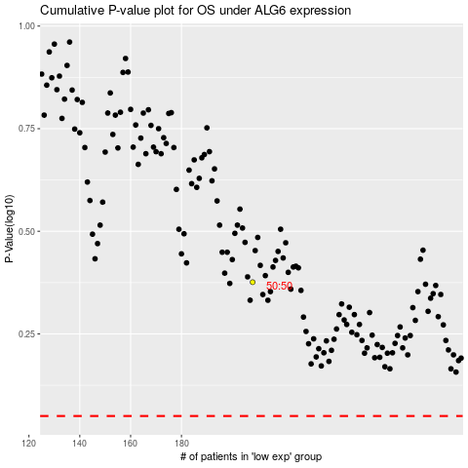

 |  |  |  |  |  | cases_OS | p_OS | rank | exp
 |  |  |  |  |  |  | cases_RFS | p_RFS | rank | exp

