ALG8 _multivariate
Reported by Tex Li-Hsing Chi. tex@gate.sinica.edu.tw 2019-08-22

Table 2. The clinicopathological features of HNSCC cohort and ALG8 expression. (Chi square test)
Cutoff at -0.186 (49.8%)
 |  | ALG8 expression |  | ALG8 expression |  | (Optimised)
 | Features | Low | (%) | High | (%) | Case no | P-value | Remark | Matthews
Gender | Female | 162 | 39 | 144 | 34.7 | 415 | 0.0479 | 1 | 0
2 | Male | 45 | 10.8 | 64 | 15.4
Age at diagnosis | <=65y | 135 | 32.5 | 139 | 33.5 | 415 | 0.8084 | 0 | 0
4 | >65y | 72 | 17.3 | 69 | 16.6
Clinical T Status | T1+T2 | 73 | 17.6 | 76 | 18.3 | 415 | 0.8666 | 0 | 0
6 | T3+T4 | 134 | 32.3 | 132 | 31.8
Clinical N Status | N0 | 97 | 23.4 | 119 | 28.7 | 415 | 0.0442 | 1 | 0
8 | N1-3 | 110 | 26.5 | 89 | 21.4
Clinical M Status | M0 | 205 | 49.4 | 207 | 49.9 | 415 | 0.6232 | 0 | 0
10 | M1 | 2 | 0.5 | 1 | 0.2
Clinical Stage | Stage I+II | 47 | 11.3 | 55 | 13.3 | 415 | 0.4413 | 0 | 0
12 | Stage III+IV | 160 | 38.6 | 153 | 36.9
Surgical Margin status | Negative | 160 | 38.6 | 158 | 38.1 | 415 | 0.8167 | 0 | 0
14 | Positive | 47 | 11.3 | 50 | 12
Tobacco Exposure | Low | 76 | 18.3 | 85 | 20.5 | 415 | 0.4207 | 0 | 0
16 | High | 131 | 31.6 | 123 | 29.6

Table 3. Univariate/Multivariate Cox's proportional hazards regression analyses on OS time of ALG8 gene expression in HNSCC

 |  | Univariate |  |  |  | Multivariate
 | Features | HR | CI95%(L) | CI95%(H) | P-value | HR | CI95%(L) | CI95%(H) | P-value
1 | Female | 1 |  |  |  | 1
Gender | Male | 1.157 | 0.843 | 1.587 | 0.367 | 1.163 | 0.831 | 1.627 | 0.379
11 | <=65y | 1 |  |  |  | 1
Age at diagnosis | >65y | 1.329 | 0.99 | 1.784 | 0.058 | 1.439 | 1.057 | 1.96 | 0.021
12 | T1+T2 | 1 |  |  |  | 1
Clinical T Status | T3+T4 | 1.409 | 1.028 | 1.931 | 0.033 | 2.215 | 1.173 | 4.183 | 0.014
13 | N0 | 1 |  |  |  | 1
Clinical N Status | N1-3 | 1.185 | 0.89 | 1.577 | 0.246 | 1.295 | 0.905 | 1.852 | 0.157
14 | M0 | 1 |  |  |  | 1
Clinical M Status | M1 | 4.097 | 1.009 | 16.644 | 0.049 | 9.456 | 2.063 | 43.349 | 0.004
15 | Stage I+II | 1 |  |  |  | 1
Clinical Stage | Stage III+IV | 1.245 | 0.882 | 1.759 | 0.213 | 0.502 | 0.234 | 1.079 | 0.077
16 | Negative | 1 |  |  |  | 1
Surgical Margin status | Positive | 1.591 | 1.155 | 2.191 | 0.004 | 1.655 | 1.198 | 2.285 | 0.002
17 | Low | 1 |  |  |  | 1
Tobacco Exposure | High | 1.364 | 1.008 | 1.844 | 0.044 | 1.467 | 1.064 | 2.022 | 0.019
18 | Low | 1 |  |  |  | 1
RNAseq(z-score) | High | 1.273 | 0.954 | 1.698 | 0.101 | 1.334 | 0.993 | 1.791 | 0.056

Table 4. Univariate/Multivariate Cox's proportional hazards regression analyses on RFS time of ALG8 gene expression in HNSCC

 |  | Univariate |  |  |  | Multivariate
 | Features | HR | CI95%(L) | CI95%(H) | P-value | HR | CI95%(L) | CI95%(H) | P-value
1 | Female | 1 |  |  |  | 1
Gender | Male | 1.157 | 0.843 | 1.587 | 0.367 | 1.163 | 0.831 | 1.627 | 0.379
11 | <=65y | 1 |  |  |  | 1
Age at diagnosis | >65y | 1.329 | 0.99 | 1.784 | 0.058 | 1.439 | 1.057 | 1.96 | 0.021
12 | T1+T2 | 1 |  |  |  | 1
Clinical T Status | T3+T4 | 1.409 | 1.028 | 1.931 | 0.033 | 2.215 | 1.173 | 4.183 | 0.014
13 | N0 | 1 |  |  |  | 1
Clinical N Status | N1-3 | 1.185 | 0.89 | 1.577 | 0.246 | 1.295 | 0.905 | 1.852 | 0.157
14 | M0 | 1 |  |  |  | 1
Clinical M Status | M1 | 4.097 | 1.009 | 16.644 | 0.049 | 9.456 | 2.063 | 43.349 | 0.004
15 | Stage I+II | 1 |  |  |  | 1
Clinical Stage | Stage III+IV | 1.245 | 0.882 | 1.759 | 0.213 | 0.502 | 0.234 | 1.079 | 0.077
16 | Negative | 1 |  |  |  | 1
Surgical Margin status | Positive | 1.591 | 1.155 | 2.191 | 0.004 | 1.655 | 1.198 | 2.285 | 0.002
17 | Low | 1 |  |  |  | 1
Tobacco Exposure | High | 1.364 | 1.008 | 1.844 | 0.044 | 1.467 | 1.064 | 2.022 | 0.019
18 | Low | 1 |  |  |  | 1
RNAseq(z-score) | High | 1.273 | 0.954 | 1.698 | 0.101 | 1.334 | 0.993 | 1.791 | 0.056

Kaplan-Meier survival estimate: Cutoff at -0.186 (49.8%)



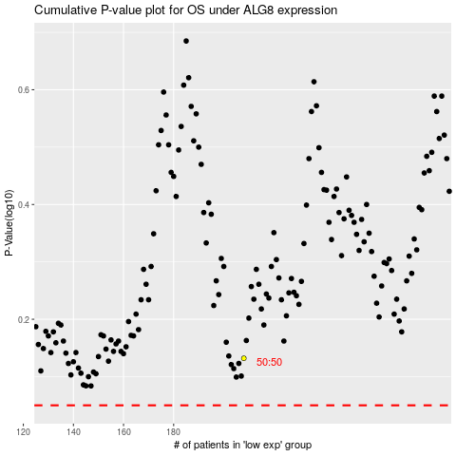

 |  |  |  |  |  | cases_OS | p_OS | rank | exp
 |  |  |  |  |  |  | cases_RFS | p_RFS | rank | exp

