ALKBH3 _multivariate
Reported by Tex Li-Hsing Chi. tex@gate.sinica.edu.tw 2019-08-22

Table 2. The clinicopathological features of HNSCC cohort and ALKBH3 expression. (Chi square test)
Cutoff at -0.391 (33.1%)
 |  | ALKBH3 expression |  | ALKBH3 expression |  | (Optimised)
 | Features | Low | (%) | High | (%) | Case no | P-value | Remark | Matthews
Gender | Female | 103 | 24.8 | 203 | 48.9 | 415 | 0.8598 | 0 | 0
2 | Male | 35 | 8.4 | 74 | 17.8
Age at diagnosis | <=65y | 101 | 24.3 | 173 | 41.7 | 415 | 0.0389 | 1 | 0
4 | >65y | 37 | 8.9 | 104 | 25.1
Clinical T Status | T1+T2 | 45 | 10.8 | 104 | 25.1 | 415 | 0.3794 | 0 | 0
6 | T3+T4 | 93 | 22.4 | 173 | 41.7
Clinical N Status | N0 | 60 | 14.5 | 156 | 37.6 | 415 | 0.0182 | 1 | 0
8 | N1-3 | 78 | 18.8 | 121 | 29.2
Clinical M Status | M0 | 137 | 33 | 275 | 66.3 | 415 | 1 | 0 | 0
10 | M1 | 1 | 0.2 | 2 | 0.5
Clinical Stage | Stage I+II | 25 | 6 | 77 | 18.6 | 415 | 0.0416 | 1 | 0
12 | Stage III+IV | 113 | 27.2 | 200 | 48.2
Surgical Margin status | Negative | 107 | 25.8 | 211 | 50.8 | 415 | 0.8062 | 0 | 0
14 | Positive | 31 | 7.5 | 66 | 15.9
Tobacco Exposure | Low | 43 | 10.4 | 118 | 28.4 | 415 | 0.0252 | 1 | 0
16 | High | 95 | 22.9 | 159 | 38.3

Table 3. Univariate/Multivariate Cox's proportional hazards regression analyses on OS time of ALKBH3 gene expression in HNSCC

 |  | Univariate |  |  |  | Multivariate
 | Features | HR | CI95%(L) | CI95%(H) | P-value | HR | CI95%(L) | CI95%(H) | P-value
1 | Female | 1 |  |  |  | 1
Gender | Male | 1.157 | 0.843 | 1.587 | 0.367 | 1.219 | 0.871 | 1.706 | 0.248
11 | <=65y | 1 |  |  |  | 1
Age at diagnosis | >65y | 1.329 | 0.99 | 1.784 | 0.058 | 1.34 | 0.985 | 1.824 | 0.063
12 | T1+T2 | 1 |  |  |  | 1
Clinical T Status | T3+T4 | 1.409 | 1.028 | 1.931 | 0.033 | 2.137 | 1.13 | 4.041 | 0.02
13 | N0 | 1 |  |  |  | 1
Clinical N Status | N1-3 | 1.185 | 0.89 | 1.577 | 0.246 | 1.261 | 0.883 | 1.799 | 0.202
14 | M0 | 1 |  |  |  | 1
Clinical M Status | M1 | 4.097 | 1.009 | 16.644 | 0.049 | 9.155 | 1.997 | 41.973 | 0.004
15 | Stage I+II | 1 |  |  |  | 1
Clinical Stage | Stage III+IV | 1.245 | 0.882 | 1.759 | 0.213 | 0.536 | 0.249 | 1.152 | 0.11
16 | Negative | 1 |  |  |  | 1
Surgical Margin status | Positive | 1.591 | 1.155 | 2.191 | 0.004 | 1.616 | 1.168 | 2.236 | 0.004
17 | Low | 1 |  |  |  | 1
Tobacco Exposure | High | 1.364 | 1.008 | 1.844 | 0.044 | 1.505 | 1.088 | 2.082 | 0.013
18 | Low | 1 |  |  |  | 1
RNAseq(z-score) | High | 1.4 | 1.02 | 1.921 | 0.037 | 1.4 | 1.011 | 1.939 | 0.043

Table 4. Univariate/Multivariate Cox's proportional hazards regression analyses on RFS time of ALKBH3 gene expression in HNSCC

 |  | Univariate |  |  |  | Multivariate
 | Features | HR | CI95%(L) | CI95%(H) | P-value | HR | CI95%(L) | CI95%(H) | P-value
1 | Female | 1 |  |  |  | 1
Gender | Male | 1.157 | 0.843 | 1.587 | 0.367 | 1.219 | 0.871 | 1.706 | 0.248
11 | <=65y | 1 |  |  |  | 1
Age at diagnosis | >65y | 1.329 | 0.99 | 1.784 | 0.058 | 1.34 | 0.985 | 1.824 | 0.063
12 | T1+T2 | 1 |  |  |  | 1
Clinical T Status | T3+T4 | 1.409 | 1.028 | 1.931 | 0.033 | 2.137 | 1.13 | 4.041 | 0.02
13 | N0 | 1 |  |  |  | 1
Clinical N Status | N1-3 | 1.185 | 0.89 | 1.577 | 0.246 | 1.261 | 0.883 | 1.799 | 0.202
14 | M0 | 1 |  |  |  | 1
Clinical M Status | M1 | 4.097 | 1.009 | 16.644 | 0.049 | 9.155 | 1.997 | 41.973 | 0.004
15 | Stage I+II | 1 |  |  |  | 1
Clinical Stage | Stage III+IV | 1.245 | 0.882 | 1.759 | 0.213 | 0.536 | 0.249 | 1.152 | 0.11
16 | Negative | 1 |  |  |  | 1
Surgical Margin status | Positive | 1.591 | 1.155 | 2.191 | 0.004 | 1.616 | 1.168 | 2.236 | 0.004
17 | Low | 1 |  |  |  | 1
Tobacco Exposure | High | 1.364 | 1.008 | 1.844 | 0.044 | 1.505 | 1.088 | 2.082 | 0.013
18 | Low | 1 |  |  |  | 1
RNAseq(z-score) | High | 1.4 | 1.02 | 1.921 | 0.037 | 1.4 | 1.011 | 1.939 | 0.043

Kaplan-Meier survival estimate: Cutoff at -0.391 (33.1%)



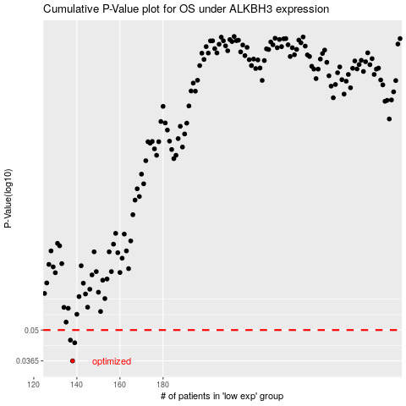

 |  |  |  |  |  | cases_OS | p_OS | rank | exp
 |  |  |  |  |  | 138 | 0.0365 | 87 | -0.39147853098
 |  |  |  |  |  | 139 | 0.0439 | 67 | -0.38950911189
 |  |  |  |  |  | 137 | 0.0451 | 402 | -0.39312859607
 |  |  |  |  |  |  | cases_RFS | p_RFS | rank | exp
 |  |  |  |  |  |  | 137 | 0.0365 | 402 | -0.39312859607
 |  |  |  |  |  |  | 138 | 0.0439 | 87 | -0.39147853098
 |  |  |  |  |  |  | 136 | 0.0451 | 403 | -0.39425403789

