ALKBH5 _multivariate
Reported by Tex Li-Hsing Chi. tex@gate.sinica.edu.tw 2019-08-22

Table 2. The clinicopathological features of HNSCC cohort and ALKBH5 expression. (Chi square test)
Cutoff at -0.186 (50.0%)
 |  | ALKBH5 expression |  | ALKBH5 expression |  | (Optimised)
 | Features | Low | (%) | High | (%) | Case no | P-value | Remark | Matthews
Gender | Female | 146 | 35.2 | 160 | 38.6 | 415 | 0.1714 | 0 | 0
2 | Male | 61 | 14.7 | 48 | 11.6
Age at diagnosis | <=65y | 132 | 31.8 | 142 | 34.2 | 415 | 0.3874 | 0 | 0
4 | >65y | 75 | 18.1 | 66 | 15.9
Clinical T Status | T1+T2 | 79 | 19 | 70 | 16.9 | 415 | 0.3924 | 0 | 0
6 | T3+T4 | 128 | 30.8 | 138 | 33.3
Clinical N Status | N0 | 110 | 26.5 | 106 | 25.5 | 415 | 0.7294 | 0 | 0
8 | N1-3 | 97 | 23.4 | 102 | 24.6
Clinical M Status | M0 | 205 | 49.4 | 207 | 49.9 | 415 | 0.6232 | 0 | 0
10 | M1 | 2 | 0.5 | 1 | 0.2
Clinical Stage | Stage I+II | 56 | 13.5 | 46 | 11.1 | 415 | 0.2918 | 0 | 0
12 | Stage III+IV | 151 | 36.4 | 162 | 39
Surgical Margin status | Negative | 151 | 36.4 | 167 | 40.2 | 415 | 0.0828 | 0 | 0
14 | Positive | 56 | 13.5 | 41 | 9.9
Tobacco Exposure | Low | 85 | 20.5 | 76 | 18.3 | 415 | 0.3655 | 0 | 0
16 | High | 122 | 29.4 | 132 | 31.8

Table 3. Univariate/Multivariate Cox's proportional hazards regression analyses on OS time of ALKBH5 gene expression in HNSCC

 |  | Univariate |  |  |  | Multivariate
 | Features | HR | CI95%(L) | CI95%(H) | P-value | HR | CI95%(L) | CI95%(H) | P-value
1 | Female | 1 |  |  |  | 1
Gender | Male | 1.157 | 0.843 | 1.587 | 0.367 | 1.228 | 0.874 | 1.725 | 0.236
11 | <=65y | 1 |  |  |  | 1
Age at diagnosis | >65y | 1.329 | 0.99 | 1.784 | 0.058 | 1.401 | 1.03 | 1.905 | 0.032
12 | T1+T2 | 1 |  |  |  | 1
Clinical T Status | T3+T4 | 1.409 | 1.028 | 1.931 | 0.033 | 2.179 | 1.152 | 4.121 | 0.017
13 | N0 | 1 |  |  |  | 1
Clinical N Status | N1-3 | 1.185 | 0.89 | 1.577 | 0.246 | 1.244 | 0.872 | 1.775 | 0.228
14 | M0 | 1 |  |  |  | 1
Clinical M Status | M1 | 4.097 | 1.009 | 16.644 | 0.049 | 9.533 | 2.079 | 43.715 | 0.004
15 | Stage I+II | 1 |  |  |  | 1
Clinical Stage | Stage III+IV | 1.245 | 0.882 | 1.759 | 0.213 | 0.502 | 0.234 | 1.078 | 0.077
16 | Negative | 1 |  |  |  | 1
Surgical Margin status | Positive | 1.591 | 1.155 | 2.191 | 0.004 | 1.695 | 1.224 | 2.348 | 0.001
17 | Low | 1 |  |  |  | 1
Tobacco Exposure | High | 1.364 | 1.008 | 1.844 | 0.044 | 1.458 | 1.058 | 2.009 | 0.021
18 | Low | 1 |  |  |  | 1
RNAseq(z-score) | High | 1.032 | 0.774 | 1.374 | 0.832 | 1.113 | 0.827 | 1.499 | 0.479

Table 4. Univariate/Multivariate Cox's proportional hazards regression analyses on RFS time of ALKBH5 gene expression in HNSCC

 |  | Univariate |  |  |  | Multivariate
 | Features | HR | CI95%(L) | CI95%(H) | P-value | HR | CI95%(L) | CI95%(H) | P-value
1 | Female | 1 |  |  |  | 1
Gender | Male | 1.157 | 0.843 | 1.587 | 0.367 | 1.228 | 0.874 | 1.725 | 0.236
11 | <=65y | 1 |  |  |  | 1
Age at diagnosis | >65y | 1.329 | 0.99 | 1.784 | 0.058 | 1.401 | 1.03 | 1.905 | 0.032
12 | T1+T2 | 1 |  |  |  | 1
Clinical T Status | T3+T4 | 1.409 | 1.028 | 1.931 | 0.033 | 2.179 | 1.152 | 4.121 | 0.017
13 | N0 | 1 |  |  |  | 1
Clinical N Status | N1-3 | 1.185 | 0.89 | 1.577 | 0.246 | 1.244 | 0.872 | 1.775 | 0.228
14 | M0 | 1 |  |  |  | 1
Clinical M Status | M1 | 4.097 | 1.009 | 16.644 | 0.049 | 9.533 | 2.079 | 43.715 | 0.004
15 | Stage I+II | 1 |  |  |  | 1
Clinical Stage | Stage III+IV | 1.245 | 0.882 | 1.759 | 0.213 | 0.502 | 0.234 | 1.078 | 0.077
16 | Negative | 1 |  |  |  | 1
Surgical Margin status | Positive | 1.591 | 1.155 | 2.191 | 0.004 | 1.695 | 1.224 | 2.348 | 0.001
17 | Low | 1 |  |  |  | 1
Tobacco Exposure | High | 1.364 | 1.008 | 1.844 | 0.044 | 1.458 | 1.058 | 2.009 | 0.021
18 | Low | 1 |  |  |  | 1
RNAseq(z-score) | High | 1.032 | 0.774 | 1.374 | 0.832 | 1.113 | 0.827 | 1.499 | 0.479

Kaplan-Meier survival estimate: Cutoff at -0.186 (50.0%)



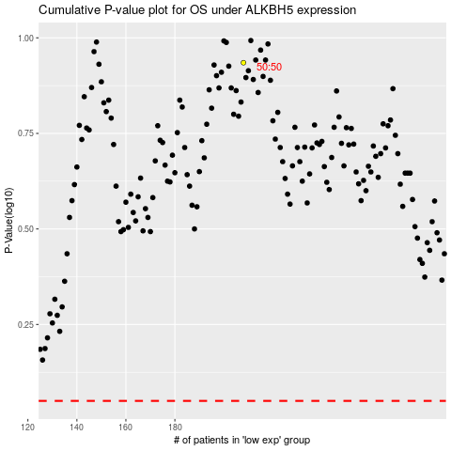

 |  |  |  |  |  | cases_OS | p_OS | rank | exp
 |  |  |  |  |  |  | cases_RFS | p_RFS | rank | exp

