ALKBH8 _multivariate
Reported by Tex Li-Hsing Chi. tex@gate.sinica.edu.tw 2019-08-22

Table 2. The clinicopathological features of HNSCC cohort and ALKBH8 expression. (Chi square test)
Cutoff at -0.107 (49.8%)
 |  | ALKBH8 expression |  | ALKBH8 expression |  | (Optimised)
 | Features | Low | (%) | High | (%) | Case no | P-value | Remark | Matthews
Gender | Female | 160 | 38.6 | 146 | 35.2 | 415 | 0.1254 | 0 | 0
2 | Male | 47 | 11.3 | 62 | 14.9
Age at diagnosis | <=65y | 142 | 34.2 | 132 | 31.8 | 415 | 0.3167 | 0 | 0
4 | >65y | 65 | 15.7 | 76 | 18.3
Clinical T Status | T1+T2 | 67 | 16.1 | 82 | 19.8 | 415 | 0.1628 | 0 | 0
6 | T3+T4 | 140 | 33.7 | 126 | 30.4
Clinical N Status | N0 | 95 | 22.9 | 121 | 29.2 | 415 | 0.0162 | 1 | 0
8 | N1-3 | 112 | 27 | 87 | 21
Clinical M Status | M0 | 204 | 49.2 | 208 | 50.1 | 415 | 0.1232 | 0 | 0
10 | M1 | 3 | 0.7 | 0 | 0
Clinical Stage | Stage I+II | 39 | 9.4 | 63 | 15.2 | 415 | 0.0095 | 1 | 0
12 | Stage III+IV | 168 | 40.5 | 145 | 34.9
Surgical Margin status | Negative | 156 | 37.6 | 162 | 39 | 415 | 0.5636 | 0 | 0
14 | Positive | 51 | 12.3 | 46 | 11.1
Tobacco Exposure | Low | 76 | 18.3 | 85 | 20.5 | 415 | 0.4207 | 0 | 0
16 | High | 131 | 31.6 | 123 | 29.6

Table 3. Univariate/Multivariate Cox's proportional hazards regression analyses on OS time of ALKBH8 gene expression in HNSCC

 |  | Univariate |  |  |  | Multivariate
 | Features | HR | CI95%(L) | CI95%(H) | P-value | HR | CI95%(L) | CI95%(H) | P-value
1 | Female | 1 |  |  |  | 1
Gender | Male | 1.157 | 0.843 | 1.587 | 0.367 | 1.167 | 0.832 | 1.635 | 0.371
11 | <=65y | 1 |  |  |  | 1
Age at diagnosis | >65y | 1.329 | 0.99 | 1.784 | 0.058 | 1.386 | 1.019 | 1.884 | 0.037
12 | T1+T2 | 1 |  |  |  | 1
Clinical T Status | T3+T4 | 1.409 | 1.028 | 1.931 | 0.033 | 2.228 | 1.177 | 4.215 | 0.014
13 | N0 | 1 |  |  |  | 1
Clinical N Status | N1-3 | 1.185 | 0.89 | 1.577 | 0.246 | 1.26 | 0.883 | 1.799 | 0.203
14 | M0 | 1 |  |  |  | 1
Clinical M Status | M1 | 4.097 | 1.009 | 16.644 | 0.049 | 10.395 | 2.252 | 47.976 | 0.003
15 | Stage I+II | 1 |  |  |  | 1
Clinical Stage | Stage III+IV | 1.245 | 0.882 | 1.759 | 0.213 | 0.518 | 0.241 | 1.114 | 0.092
16 | Negative | 1 |  |  |  | 1
Surgical Margin status | Positive | 1.591 | 1.155 | 2.191 | 0.004 | 1.688 | 1.221 | 2.333 | 0.002
17 | Low | 1 |  |  |  | 1
Tobacco Exposure | High | 1.364 | 1.008 | 1.844 | 0.044 | 1.46 | 1.06 | 2.013 | 0.021
18 | Low | 1 |  |  |  | 1
RNAseq(z-score) | High | 1.153 | 0.865 | 1.537 | 0.33 | 1.242 | 0.922 | 1.674 | 0.154

Table 4. Univariate/Multivariate Cox's proportional hazards regression analyses on RFS time of ALKBH8 gene expression in HNSCC

 |  | Univariate |  |  |  | Multivariate
 | Features | HR | CI95%(L) | CI95%(H) | P-value | HR | CI95%(L) | CI95%(H) | P-value
1 | Female | 1 |  |  |  | 1
Gender | Male | 1.157 | 0.843 | 1.587 | 0.367 | 1.167 | 0.832 | 1.635 | 0.371
11 | <=65y | 1 |  |  |  | 1
Age at diagnosis | >65y | 1.329 | 0.99 | 1.784 | 0.058 | 1.386 | 1.019 | 1.884 | 0.037
12 | T1+T2 | 1 |  |  |  | 1
Clinical T Status | T3+T4 | 1.409 | 1.028 | 1.931 | 0.033 | 2.228 | 1.177 | 4.215 | 0.014
13 | N0 | 1 |  |  |  | 1
Clinical N Status | N1-3 | 1.185 | 0.89 | 1.577 | 0.246 | 1.26 | 0.883 | 1.799 | 0.203
14 | M0 | 1 |  |  |  | 1
Clinical M Status | M1 | 4.097 | 1.009 | 16.644 | 0.049 | 10.395 | 2.252 | 47.976 | 0.003
15 | Stage I+II | 1 |  |  |  | 1
Clinical Stage | Stage III+IV | 1.245 | 0.882 | 1.759 | 0.213 | 0.518 | 0.241 | 1.114 | 0.092
16 | Negative | 1 |  |  |  | 1
Surgical Margin status | Positive | 1.591 | 1.155 | 2.191 | 0.004 | 1.688 | 1.221 | 2.333 | 0.002
17 | Low | 1 |  |  |  | 1
Tobacco Exposure | High | 1.364 | 1.008 | 1.844 | 0.044 | 1.46 | 1.06 | 2.013 | 0.021
18 | Low | 1 |  |  |  | 1
RNAseq(z-score) | High | 1.153 | 0.865 | 1.537 | 0.33 | 1.242 | 0.922 | 1.674 | 0.154

Kaplan-Meier survival estimate: Cutoff at -0.107 (49.8%)



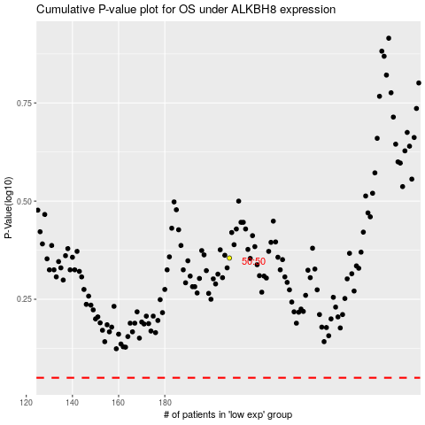

 |  |  |  |  |  | cases_OS | p_OS | rank | exp
 |  |  |  |  |  |  | cases_RFS | p_RFS | rank | exp

