ALMS1P _multivariate
Reported by Tex Li-Hsing Chi. tex@gate.sinica.edu.tw 2019-08-22

Table 2. The clinicopathological features of HNSCC cohort and ALMS1P expression. (Chi square test)
Cutoff at -0.275 (49.8%)
 |  | ALMS1P expression |  | ALMS1P expression |  | (Optimised)
 | Features | Low | (%) | High | (%) | Case no | P-value | Remark | Matthews
Gender | Female | 154 | 37.1 | 152 | 36.6 | 415 | 0.8463 | 0 | 0
2 | Male | 53 | 12.8 | 56 | 13.5
Age at diagnosis | <=65y | 140 | 33.7 | 134 | 32.3 | 415 | 0.5574 | 0 | 0
4 | >65y | 67 | 16.1 | 74 | 17.8
Clinical T Status | T1+T2 | 75 | 18.1 | 74 | 17.8 | 415 | 0.9707 | 0 | 0
6 | T3+T4 | 132 | 31.8 | 134 | 32.3
Clinical N Status | N0 | 108 | 26 | 108 | 26 | 415 | 1 | 0 | 0
8 | N1-3 | 99 | 23.9 | 100 | 24.1
Clinical M Status | M0 | 206 | 49.6 | 206 | 49.6 | 415 | 1 | 0 | 0
10 | M1 | 1 | 0.2 | 2 | 0.5
Clinical Stage | Stage I+II | 52 | 12.5 | 50 | 12 | 415 | 0.8871 | 0 | 0
12 | Stage III+IV | 155 | 37.3 | 158 | 38.1
Surgical Margin status | Negative | 163 | 39.3 | 155 | 37.3 | 415 | 0.3537 | 0 | 0
14 | Positive | 44 | 10.6 | 53 | 12.8
Tobacco Exposure | Low | 76 | 18.3 | 85 | 20.5 | 415 | 0.4207 | 0 | 0
16 | High | 131 | 31.6 | 123 | 29.6

Table 3. Univariate/Multivariate Cox's proportional hazards regression analyses on OS time of ALMS1P gene expression in HNSCC

 |  | Univariate |  |  |  | Multivariate
 | Features | HR | CI95%(L) | CI95%(H) | P-value | HR | CI95%(L) | CI95%(H) | P-value
1 | Female | 1 |  |  |  | 1
Gender | Male | 1.157 | 0.843 | 1.587 | 0.367 | 1.202 | 0.86 | 1.679 | 0.281
11 | <=65y | 1 |  |  |  | 1
Age at diagnosis | >65y | 1.329 | 0.99 | 1.784 | 0.058 | 1.398 | 1.027 | 1.902 | 0.033
12 | T1+T2 | 1 |  |  |  | 1
Clinical T Status | T3+T4 | 1.409 | 1.028 | 1.931 | 0.033 | 2.201 | 1.164 | 4.16 | 0.015
13 | N0 | 1 |  |  |  | 1
Clinical N Status | N1-3 | 1.185 | 0.89 | 1.577 | 0.246 | 1.238 | 0.868 | 1.767 | 0.238
14 | M0 | 1 |  |  |  | 1
Clinical M Status | M1 | 4.097 | 1.009 | 16.644 | 0.049 | 9.464 | 2.064 | 43.395 | 0.004
15 | Stage I+II | 1 |  |  |  | 1
Clinical Stage | Stage III+IV | 1.245 | 0.882 | 1.759 | 0.213 | 0.506 | 0.236 | 1.086 | 0.081
16 | Negative | 1 |  |  |  | 1
Surgical Margin status | Positive | 1.591 | 1.155 | 2.191 | 0.004 | 1.67 | 1.209 | 2.307 | 0.002
17 | Low | 1 |  |  |  | 1
Tobacco Exposure | High | 1.364 | 1.008 | 1.844 | 0.044 | 1.446 | 1.048 | 1.995 | 0.025
18 | Low | 1 |  |  |  | 1
RNAseq(z-score) | High | 0.951 | 0.714 | 1.266 | 0.73 | 0.949 | 0.71 | 1.268 | 0.722

Table 4. Univariate/Multivariate Cox's proportional hazards regression analyses on RFS time of ALMS1P gene expression in HNSCC

 |  | Univariate |  |  |  | Multivariate
 | Features | HR | CI95%(L) | CI95%(H) | P-value | HR | CI95%(L) | CI95%(H) | P-value
1 | Female | 1 |  |  |  | 1
Gender | Male | 1.157 | 0.843 | 1.587 | 0.367 | 1.202 | 0.86 | 1.679 | 0.281
11 | <=65y | 1 |  |  |  | 1
Age at diagnosis | >65y | 1.329 | 0.99 | 1.784 | 0.058 | 1.398 | 1.027 | 1.902 | 0.033
12 | T1+T2 | 1 |  |  |  | 1
Clinical T Status | T3+T4 | 1.409 | 1.028 | 1.931 | 0.033 | 2.201 | 1.164 | 4.16 | 0.015
13 | N0 | 1 |  |  |  | 1
Clinical N Status | N1-3 | 1.185 | 0.89 | 1.577 | 0.246 | 1.238 | 0.868 | 1.767 | 0.238
14 | M0 | 1 |  |  |  | 1
Clinical M Status | M1 | 4.097 | 1.009 | 16.644 | 0.049 | 9.464 | 2.064 | 43.395 | 0.004
15 | Stage I+II | 1 |  |  |  | 1
Clinical Stage | Stage III+IV | 1.245 | 0.882 | 1.759 | 0.213 | 0.506 | 0.236 | 1.086 | 0.081
16 | Negative | 1 |  |  |  | 1
Surgical Margin status | Positive | 1.591 | 1.155 | 2.191 | 0.004 | 1.67 | 1.209 | 2.307 | 0.002
17 | Low | 1 |  |  |  | 1
Tobacco Exposure | High | 1.364 | 1.008 | 1.844 | 0.044 | 1.446 | 1.048 | 1.995 | 0.025
18 | Low | 1 |  |  |  | 1
RNAseq(z-score) | High | 0.951 | 0.714 | 1.266 | 0.73 | 0.949 | 0.71 | 1.268 | 0.722

Kaplan-Meier survival estimate: Cutoff at -0.275 (49.8%)



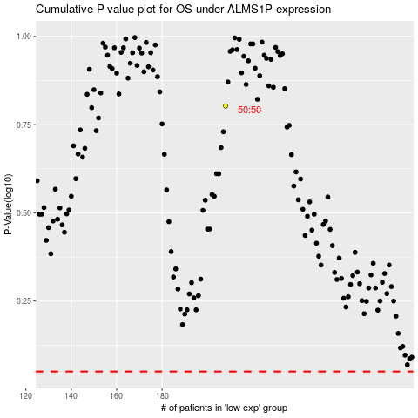

 |  |  |  |  |  | cases_OS | p_OS | rank | exp
 |  |  |  |  |  |  | cases_RFS | p_RFS | rank | exp

