ALOX12 _multivariate
Reported by Tex Li-Hsing Chi. tex@gate.sinica.edu.tw 2019-08-22

Table 2. The clinicopathological features of HNSCC cohort and ALOX12 expression. (Chi square test)
Cutoff at -0.326 (50.0%)
 |  | ALOX12 expression |  | ALOX12 expression |  | (Optimised)
 | Features | Low | (%) | High | (%) | Case no | P-value | Remark | Matthews
Gender | Female | 148 | 35.7 | 158 | 38.1 | 415 | 0.3567 | 0 | 0
2 | Male | 59 | 14.2 | 50 | 12
Age at diagnosis | <=65y | 135 | 32.5 | 139 | 33.5 | 415 | 0.8084 | 0 | 0
4 | >65y | 72 | 17.3 | 69 | 16.6
Clinical T Status | T1+T2 | 84 | 20.2 | 65 | 15.7 | 415 | 0.0603 | 0 | 0
6 | T3+T4 | 123 | 29.6 | 143 | 34.5
Clinical N Status | N0 | 106 | 25.5 | 110 | 26.5 | 415 | 0.8075 | 0 | 0
8 | N1-3 | 101 | 24.3 | 98 | 23.6
Clinical M Status | M0 | 204 | 49.2 | 208 | 50.1 | 415 | 0.1232 | 0 | 0
10 | M1 | 3 | 0.7 | 0 | 0
Clinical Stage | Stage I+II | 60 | 14.5 | 42 | 10.1 | 415 | 0.0493 | 1 | 0
12 | Stage III+IV | 147 | 35.4 | 166 | 40
Surgical Margin status | Negative | 154 | 37.1 | 164 | 39.5 | 415 | 0.2984 | 0 | 0
14 | Positive | 53 | 12.8 | 44 | 10.6
Tobacco Exposure | Low | 98 | 23.6 | 63 | 15.2 | 415 | 4e-04 | 1 | 0
16 | High | 109 | 26.3 | 145 | 34.9

Table 3. Univariate/Multivariate Cox's proportional hazards regression analyses on OS time of ALOX12 gene expression in HNSCC

 |  | Univariate |  |  |  | Multivariate
 | Features | HR | CI95%(L) | CI95%(H) | P-value | HR | CI95%(L) | CI95%(H) | P-value
1 | Female | 1 |  |  |  | 1
Gender | Male | 1.157 | 0.843 | 1.587 | 0.367 | 1.192 | 0.854 | 1.666 | 0.302
11 | <=65y | 1 |  |  |  | 1
Age at diagnosis | >65y | 1.329 | 0.99 | 1.784 | 0.058 | 1.377 | 1.012 | 1.874 | 0.042
12 | T1+T2 | 1 |  |  |  | 1
Clinical T Status | T3+T4 | 1.409 | 1.028 | 1.931 | 0.033 | 2.184 | 1.156 | 4.127 | 0.016
13 | N0 | 1 |  |  |  | 1
Clinical N Status | N1-3 | 1.185 | 0.89 | 1.577 | 0.246 | 1.193 | 0.834 | 1.707 | 0.333
14 | M0 | 1 |  |  |  | 1
Clinical M Status | M1 | 4.097 | 1.009 | 16.644 | 0.049 | 8.263 | 1.792 | 38.101 | 0.007
15 | Stage I+II | 1 |  |  |  | 1
Clinical Stage | Stage III+IV | 1.245 | 0.882 | 1.759 | 0.213 | 0.532 | 0.247 | 1.144 | 0.106
16 | Negative | 1 |  |  |  | 1
Surgical Margin status | Positive | 1.591 | 1.155 | 2.191 | 0.004 | 1.66 | 1.201 | 2.294 | 0.002
17 | Low | 1 |  |  |  | 1
Tobacco Exposure | High | 1.364 | 1.008 | 1.844 | 0.044 | 1.553 | 1.117 | 2.159 | 0.009
18 | Low | 1 |  |  |  | 1
RNAseq(z-score) | High | 0.804 | 0.603 | 1.072 | 0.137 | 0.761 | 0.563 | 1.028 | 0.075

Table 4. Univariate/Multivariate Cox's proportional hazards regression analyses on RFS time of ALOX12 gene expression in HNSCC

 |  | Univariate |  |  |  | Multivariate
 | Features | HR | CI95%(L) | CI95%(H) | P-value | HR | CI95%(L) | CI95%(H) | P-value
1 | Female | 1 |  |  |  | 1
Gender | Male | 1.157 | 0.843 | 1.587 | 0.367 | 1.192 | 0.854 | 1.666 | 0.302
11 | <=65y | 1 |  |  |  | 1
Age at diagnosis | >65y | 1.329 | 0.99 | 1.784 | 0.058 | 1.377 | 1.012 | 1.874 | 0.042
12 | T1+T2 | 1 |  |  |  | 1
Clinical T Status | T3+T4 | 1.409 | 1.028 | 1.931 | 0.033 | 2.184 | 1.156 | 4.127 | 0.016
13 | N0 | 1 |  |  |  | 1
Clinical N Status | N1-3 | 1.185 | 0.89 | 1.577 | 0.246 | 1.193 | 0.834 | 1.707 | 0.333
14 | M0 | 1 |  |  |  | 1
Clinical M Status | M1 | 4.097 | 1.009 | 16.644 | 0.049 | 8.263 | 1.792 | 38.101 | 0.007
15 | Stage I+II | 1 |  |  |  | 1
Clinical Stage | Stage III+IV | 1.245 | 0.882 | 1.759 | 0.213 | 0.532 | 0.247 | 1.144 | 0.106
16 | Negative | 1 |  |  |  | 1
Surgical Margin status | Positive | 1.591 | 1.155 | 2.191 | 0.004 | 1.66 | 1.201 | 2.294 | 0.002
17 | Low | 1 |  |  |  | 1
Tobacco Exposure | High | 1.364 | 1.008 | 1.844 | 0.044 | 1.553 | 1.117 | 2.159 | 0.009
18 | Low | 1 |  |  |  | 1
RNAseq(z-score) | High | 0.804 | 0.603 | 1.072 | 0.137 | 0.761 | 0.563 | 1.028 | 0.075

Kaplan-Meier survival estimate: Cutoff at -0.326 (50.0%)

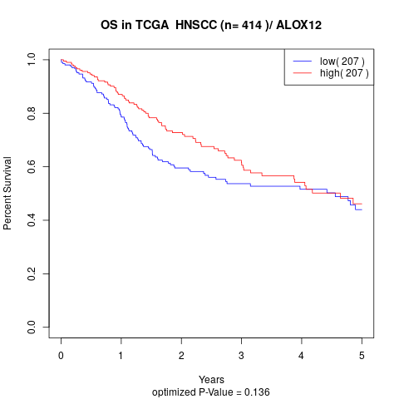

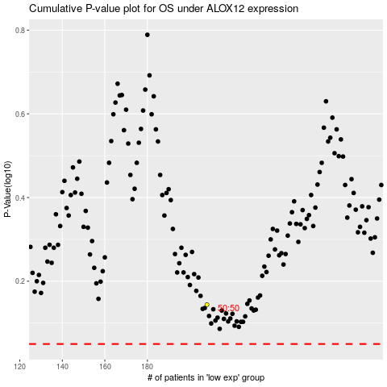

 |  |  |  |  |  | cases_OS | p_OS | rank | exp
 |  |  |  |  |  |  | cases_RFS | p_RFS | rank | exp

