ALOX12P2 _multivariate
Reported by Tex Li-Hsing Chi. tex@gate.sinica.edu.tw 2019-08-22

Table 2. The clinicopathological features of HNSCC cohort and ALOX12P2 expression. (Chi square test)
Cutoff at -0.255 (49.8%)
 |  | ALOX12P2 expression |  | ALOX12P2 expression |  | (Optimised)
 | Features | Low | (%) | High | (%) | Case no | P-value | Remark | Matthews
Gender | Female | 147 | 35.4 | 159 | 38.3 | 415 | 0.2523 | 0 | 0
2 | Male | 60 | 14.5 | 49 | 11.8
Age at diagnosis | <=65y | 135 | 32.5 | 139 | 33.5 | 415 | 0.8084 | 0 | 0
4 | >65y | 72 | 17.3 | 69 | 16.6
Clinical T Status | T1+T2 | 90 | 21.7 | 59 | 14.2 | 415 | 0.0019 | 1 | 0
6 | T3+T4 | 117 | 28.2 | 149 | 35.9
Clinical N Status | N0 | 108 | 26 | 108 | 26 | 415 | 1 | 0 | 0
8 | N1-3 | 99 | 23.9 | 100 | 24.1
Clinical M Status | M0 | 206 | 49.6 | 206 | 49.6 | 415 | 1 | 0 | 0
10 | M1 | 1 | 0.2 | 2 | 0.5
Clinical Stage | Stage I+II | 62 | 14.9 | 40 | 9.6 | 415 | 0.0154 | 1 | 0
12 | Stage III+IV | 145 | 34.9 | 168 | 40.5
Surgical Margin status | Negative | 159 | 38.3 | 159 | 38.3 | 415 | 1 | 0 | 0
14 | Positive | 48 | 11.6 | 49 | 11.8
Tobacco Exposure | Low | 94 | 22.7 | 67 | 16.1 | 415 | 0.0065 | 1 | 0
16 | High | 113 | 27.2 | 141 | 34

Table 3. Univariate/Multivariate Cox's proportional hazards regression analyses on OS time of ALOX12P2 gene expression in HNSCC

 |  | Univariate |  |  |  | Multivariate
 | Features | HR | CI95%(L) | CI95%(H) | P-value | HR | CI95%(L) | CI95%(H) | P-value
1 | Female | 1 |  |  |  | 1
Gender | Male | 1.157 | 0.843 | 1.587 | 0.367 | 1.208 | 0.864 | 1.689 | 0.269
11 | <=65y | 1 |  |  |  | 1
Age at diagnosis | >65y | 1.329 | 0.99 | 1.784 | 0.058 | 1.388 | 1.021 | 1.887 | 0.037
12 | T1+T2 | 1 |  |  |  | 1
Clinical T Status | T3+T4 | 1.409 | 1.028 | 1.931 | 0.033 | 2.174 | 1.147 | 4.121 | 0.017
13 | N0 | 1 |  |  |  | 1
Clinical N Status | N1-3 | 1.185 | 0.89 | 1.577 | 0.246 | 1.248 | 0.874 | 1.782 | 0.223
14 | M0 | 1 |  |  |  | 1
Clinical M Status | M1 | 4.097 | 1.009 | 16.644 | 0.049 | 9.25 | 2.015 | 42.466 | 0.004
15 | Stage I+II | 1 |  |  |  | 1
Clinical Stage | Stage III+IV | 1.245 | 0.882 | 1.759 | 0.213 | 0.5 | 0.233 | 1.074 | 0.076
16 | Negative | 1 |  |  |  | 1
Surgical Margin status | Positive | 1.591 | 1.155 | 2.191 | 0.004 | 1.674 | 1.212 | 2.314 | 0.002
17 | Low | 1 |  |  |  | 1
Tobacco Exposure | High | 1.364 | 1.008 | 1.844 | 0.044 | 1.439 | 1.042 | 1.987 | 0.027
18 | Low | 1 |  |  |  | 1
RNAseq(z-score) | High | 1.159 | 0.869 | 1.545 | 0.314 | 1.076 | 0.796 | 1.456 | 0.633

Table 4. Univariate/Multivariate Cox's proportional hazards regression analyses on RFS time of ALOX12P2 gene expression in HNSCC

 |  | Univariate |  |  |  | Multivariate
 | Features | HR | CI95%(L) | CI95%(H) | P-value | HR | CI95%(L) | CI95%(H) | P-value
1 | Female | 1 |  |  |  | 1
Gender | Male | 1.157 | 0.843 | 1.587 | 0.367 | 1.208 | 0.864 | 1.689 | 0.269
11 | <=65y | 1 |  |  |  | 1
Age at diagnosis | >65y | 1.329 | 0.99 | 1.784 | 0.058 | 1.388 | 1.021 | 1.887 | 0.037
12 | T1+T2 | 1 |  |  |  | 1
Clinical T Status | T3+T4 | 1.409 | 1.028 | 1.931 | 0.033 | 2.174 | 1.147 | 4.121 | 0.017
13 | N0 | 1 |  |  |  | 1
Clinical N Status | N1-3 | 1.185 | 0.89 | 1.577 | 0.246 | 1.248 | 0.874 | 1.782 | 0.223
14 | M0 | 1 |  |  |  | 1
Clinical M Status | M1 | 4.097 | 1.009 | 16.644 | 0.049 | 9.25 | 2.015 | 42.466 | 0.004
15 | Stage I+II | 1 |  |  |  | 1
Clinical Stage | Stage III+IV | 1.245 | 0.882 | 1.759 | 0.213 | 0.5 | 0.233 | 1.074 | 0.076
16 | Negative | 1 |  |  |  | 1
Surgical Margin status | Positive | 1.591 | 1.155 | 2.191 | 0.004 | 1.674 | 1.212 | 2.314 | 0.002
17 | Low | 1 |  |  |  | 1
Tobacco Exposure | High | 1.364 | 1.008 | 1.844 | 0.044 | 1.439 | 1.042 | 1.987 | 0.027
18 | Low | 1 |  |  |  | 1
RNAseq(z-score) | High | 1.159 | 0.869 | 1.545 | 0.314 | 1.076 | 0.796 | 1.456 | 0.633

Kaplan-Meier survival estimate: Cutoff at -0.255 (49.8%)



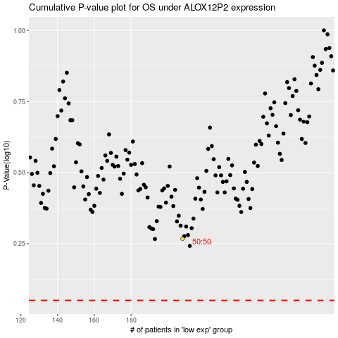

 |  |  |  |  |  | cases_OS | p_OS | rank | exp
 |  |  |  |  |  |  | cases_RFS | p_RFS | rank | exp

