ALOX15B _multivariate
Reported by Tex Li-Hsing Chi. tex@gate.sinica.edu.tw 2019-08-22

Table 2. The clinicopathological features of HNSCC cohort and ALOX15B expression. (Chi square test)
Cutoff at -0.317 (49.8%)
 |  | ALOX15B expression |  | ALOX15B expression |  | (Optimised)
 | Features | Low | (%) | High | (%) | Case no | P-value | Remark | Matthews
Gender | Female | 161 | 38.8 | 145 | 34.9 | 415 | 0.0792 | 0 | 0
2 | Male | 46 | 11.1 | 63 | 15.2
Age at diagnosis | <=65y | 139 | 33.5 | 135 | 32.5 | 415 | 0.7044 | 0 | 0
4 | >65y | 68 | 16.4 | 73 | 17.6
Clinical T Status | T1+T2 | 73 | 17.6 | 76 | 18.3 | 415 | 0.8666 | 0 | 0
6 | T3+T4 | 134 | 32.3 | 132 | 31.8
Clinical N Status | N0 | 104 | 25.1 | 112 | 27 | 415 | 0.5243 | 0 | 0
8 | N1-3 | 103 | 24.8 | 96 | 23.1
Clinical M Status | M0 | 204 | 49.2 | 208 | 50.1 | 415 | 0.1232 | 0 | 0
10 | M1 | 3 | 0.7 | 0 | 0
Clinical Stage | Stage I+II | 49 | 11.8 | 53 | 12.8 | 415 | 0.7535 | 0 | 0
12 | Stage III+IV | 158 | 38.1 | 155 | 37.3
Surgical Margin status | Negative | 155 | 37.3 | 163 | 39.3 | 415 | 0.4187 | 0 | 0
14 | Positive | 52 | 12.5 | 45 | 10.8
Tobacco Exposure | Low | 74 | 17.8 | 87 | 21 | 415 | 0.227 | 0 | 0
16 | High | 133 | 32 | 121 | 29.2

Table 3. Univariate/Multivariate Cox's proportional hazards regression analyses on OS time of ALOX15B gene expression in HNSCC

 |  | Univariate |  |  |  | Multivariate
 | Features | HR | CI95%(L) | CI95%(H) | P-value | HR | CI95%(L) | CI95%(H) | P-value
1 | Female | 1 |  |  |  | 1
Gender | Male | 1.157 | 0.843 | 1.587 | 0.367 | 1.198 | 0.857 | 1.675 | 0.291
11 | <=65y | 1 |  |  |  | 1
Age at diagnosis | >65y | 1.329 | 0.99 | 1.784 | 0.058 | 1.399 | 1.026 | 1.907 | 0.034
12 | T1+T2 | 1 |  |  |  | 1
Clinical T Status | T3+T4 | 1.409 | 1.028 | 1.931 | 0.033 | 2.206 | 1.166 | 4.171 | 0.015
13 | N0 | 1 |  |  |  | 1
Clinical N Status | N1-3 | 1.185 | 0.89 | 1.577 | 0.246 | 1.243 | 0.871 | 1.774 | 0.231
14 | M0 | 1 |  |  |  | 1
Clinical M Status | M1 | 4.097 | 1.009 | 16.644 | 0.049 | 9.579 | 2.074 | 44.241 | 0.004
15 | Stage I+II | 1 |  |  |  | 1
Clinical Stage | Stage III+IV | 1.245 | 0.882 | 1.759 | 0.213 | 0.503 | 0.234 | 1.08 | 0.078
16 | Negative | 1 |  |  |  | 1
Surgical Margin status | Positive | 1.591 | 1.155 | 2.191 | 0.004 | 1.674 | 1.211 | 2.314 | 0.002
17 | Low | 1 |  |  |  | 1
Tobacco Exposure | High | 1.364 | 1.008 | 1.844 | 0.044 | 1.452 | 1.054 | 2 | 0.023
18 | Low | 1 |  |  |  | 1
RNAseq(z-score) | High | 0.96 | 0.719 | 1.28 | 0.779 | 1.036 | 0.772 | 1.39 | 0.813

Table 4. Univariate/Multivariate Cox's proportional hazards regression analyses on RFS time of ALOX15B gene expression in HNSCC

 |  | Univariate |  |  |  | Multivariate
 | Features | HR | CI95%(L) | CI95%(H) | P-value | HR | CI95%(L) | CI95%(H) | P-value
1 | Female | 1 |  |  |  | 1
Gender | Male | 1.157 | 0.843 | 1.587 | 0.367 | 1.198 | 0.857 | 1.675 | 0.291
11 | <=65y | 1 |  |  |  | 1
Age at diagnosis | >65y | 1.329 | 0.99 | 1.784 | 0.058 | 1.399 | 1.026 | 1.907 | 0.034
12 | T1+T2 | 1 |  |  |  | 1
Clinical T Status | T3+T4 | 1.409 | 1.028 | 1.931 | 0.033 | 2.206 | 1.166 | 4.171 | 0.015
13 | N0 | 1 |  |  |  | 1
Clinical N Status | N1-3 | 1.185 | 0.89 | 1.577 | 0.246 | 1.243 | 0.871 | 1.774 | 0.231
14 | M0 | 1 |  |  |  | 1
Clinical M Status | M1 | 4.097 | 1.009 | 16.644 | 0.049 | 9.579 | 2.074 | 44.241 | 0.004
15 | Stage I+II | 1 |  |  |  | 1
Clinical Stage | Stage III+IV | 1.245 | 0.882 | 1.759 | 0.213 | 0.503 | 0.234 | 1.08 | 0.078
16 | Negative | 1 |  |  |  | 1
Surgical Margin status | Positive | 1.591 | 1.155 | 2.191 | 0.004 | 1.674 | 1.211 | 2.314 | 0.002
17 | Low | 1 |  |  |  | 1
Tobacco Exposure | High | 1.364 | 1.008 | 1.844 | 0.044 | 1.452 | 1.054 | 2 | 0.023
18 | Low | 1 |  |  |  | 1
RNAseq(z-score) | High | 0.96 | 0.719 | 1.28 | 0.779 | 1.036 | 0.772 | 1.39 | 0.813

Kaplan-Meier survival estimate: Cutoff at -0.317 (49.8%)



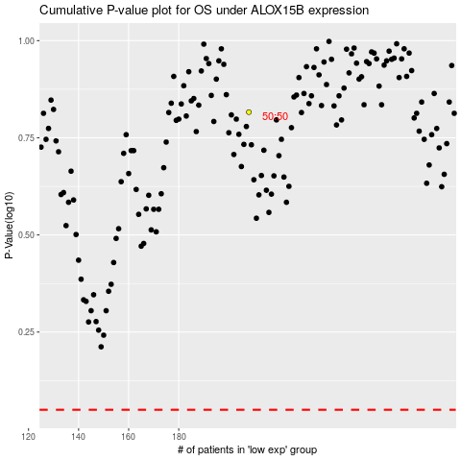

 |  |  |  |  |  | cases_OS | p_OS | rank | exp
 |  |  |  |  |  |  | cases_RFS | p_RFS | rank | exp

