ALOX5 _multivariate
Reported by Tex Li-Hsing Chi. tex@gate.sinica.edu.tw 2019-08-22

Table 2. The clinicopathological features of HNSCC cohort and ALOX5 expression. (Chi square test)
Cutoff at -0.326 (50.0%)
 |  | ALOX5 expression |  | ALOX5 expression |  | (Optimised)
 | Features | Low | (%) | High | (%) | Case no | P-value | Remark | Matthews
Gender | Female | 161 | 38.8 | 145 | 34.9 | 415 | 0.0792 | 0 | 0
2 | Male | 46 | 11.1 | 63 | 15.2
Age at diagnosis | <=65y | 140 | 33.7 | 134 | 32.3 | 415 | 0.5574 | 0 | 0
4 | >65y | 67 | 16.1 | 74 | 17.8
Clinical T Status | T1+T2 | 69 | 16.6 | 80 | 19.3 | 415 | 0.3239 | 0 | 0
6 | T3+T4 | 138 | 33.3 | 128 | 30.8
Clinical N Status | N0 | 113 | 27.2 | 103 | 24.8 | 415 | 0.3495 | 1 | 0
8 | N1-3 | 94 | 22.7 | 105 | 25.3
Clinical M Status | M0 | 205 | 49.4 | 207 | 49.9 | 415 | 0.6232 | 0 | 0
10 | M1 | 2 | 0.5 | 1 | 0.2
Clinical Stage | Stage I+II | 49 | 11.8 | 53 | 12.8 | 415 | 0.7535 | 0 | 0
12 | Stage III+IV | 158 | 38.1 | 155 | 37.3
Surgical Margin status | Negative | 158 | 38.1 | 160 | 38.6 | 415 | 0.9081 | 0 | 0
14 | Positive | 49 | 11.8 | 48 | 11.6
Tobacco Exposure | Low | 78 | 18.8 | 83 | 20 | 415 | 0.6873 | 0 | 0
16 | High | 129 | 31.1 | 125 | 30.1

Table 3. Univariate/Multivariate Cox's proportional hazards regression analyses on OS time of ALOX5 gene expression in HNSCC

 |  | Univariate |  |  |  | Multivariate
 | Features | HR | CI95%(L) | CI95%(H) | P-value | HR | CI95%(L) | CI95%(H) | P-value
1 | Female | 1 |  |  |  | 1
Gender | Male | 1.157 | 0.843 | 1.587 | 0.367 | 1.204 | 0.861 | 1.682 | 0.278
11 | <=65y | 1 |  |  |  | 1
Age at diagnosis | >65y | 1.329 | 0.99 | 1.784 | 0.058 | 1.392 | 1.024 | 1.892 | 0.035
12 | T1+T2 | 1 |  |  |  | 1
Clinical T Status | T3+T4 | 1.409 | 1.028 | 1.931 | 0.033 | 2.196 | 1.161 | 4.154 | 0.016
13 | N0 | 1 |  |  |  | 1
Clinical N Status | N1-3 | 1.185 | 0.89 | 1.577 | 0.246 | 1.241 | 0.87 | 1.771 | 0.233
14 | M0 | 1 |  |  |  | 1
Clinical M Status | M1 | 4.097 | 1.009 | 16.644 | 0.049 | 9.351 | 2.038 | 42.906 | 0.004
15 | Stage I+II | 1 |  |  |  | 1
Clinical Stage | Stage III+IV | 1.245 | 0.882 | 1.759 | 0.213 | 0.506 | 0.236 | 1.086 | 0.08
16 | Negative | 1 |  |  |  | 1
Surgical Margin status | Positive | 1.591 | 1.155 | 2.191 | 0.004 | 1.676 | 1.212 | 2.318 | 0.002
17 | Low | 1 |  |  |  | 1
Tobacco Exposure | High | 1.364 | 1.008 | 1.844 | 0.044 | 1.453 | 1.055 | 2.003 | 0.022
18 | Low | 1 |  |  |  | 1
RNAseq(z-score) | High | 0.988 | 0.741 | 1.317 | 0.934 | 0.969 | 0.726 | 1.294 | 0.832

Table 4. Univariate/Multivariate Cox's proportional hazards regression analyses on RFS time of ALOX5 gene expression in HNSCC

 |  | Univariate |  |  |  | Multivariate
 | Features | HR | CI95%(L) | CI95%(H) | P-value | HR | CI95%(L) | CI95%(H) | P-value
1 | Female | 1 |  |  |  | 1
Gender | Male | 1.157 | 0.843 | 1.587 | 0.367 | 1.204 | 0.861 | 1.682 | 0.278
11 | <=65y | 1 |  |  |  | 1
Age at diagnosis | >65y | 1.329 | 0.99 | 1.784 | 0.058 | 1.392 | 1.024 | 1.892 | 0.035
12 | T1+T2 | 1 |  |  |  | 1
Clinical T Status | T3+T4 | 1.409 | 1.028 | 1.931 | 0.033 | 2.196 | 1.161 | 4.154 | 0.016
13 | N0 | 1 |  |  |  | 1
Clinical N Status | N1-3 | 1.185 | 0.89 | 1.577 | 0.246 | 1.241 | 0.87 | 1.771 | 0.233
14 | M0 | 1 |  |  |  | 1
Clinical M Status | M1 | 4.097 | 1.009 | 16.644 | 0.049 | 9.351 | 2.038 | 42.906 | 0.004
15 | Stage I+II | 1 |  |  |  | 1
Clinical Stage | Stage III+IV | 1.245 | 0.882 | 1.759 | 0.213 | 0.506 | 0.236 | 1.086 | 0.08
16 | Negative | 1 |  |  |  | 1
Surgical Margin status | Positive | 1.591 | 1.155 | 2.191 | 0.004 | 1.676 | 1.212 | 2.318 | 0.002
17 | Low | 1 |  |  |  | 1
Tobacco Exposure | High | 1.364 | 1.008 | 1.844 | 0.044 | 1.453 | 1.055 | 2.003 | 0.022
18 | Low | 1 |  |  |  | 1
RNAseq(z-score) | High | 0.988 | 0.741 | 1.317 | 0.934 | 0.969 | 0.726 | 1.294 | 0.832

Kaplan-Meier survival estimate: Cutoff at -0.326 (50.0%)



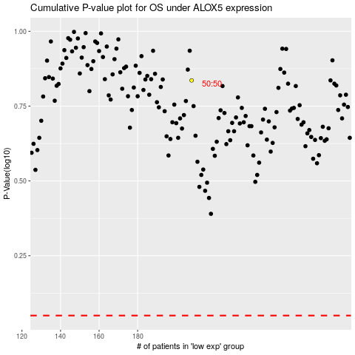

 |  |  |  |  |  | cases_OS | p_OS | rank | exp
 |  |  |  |  |  |  | cases_RFS | p_RFS | rank | exp

