ALOX5AP _multivariate
Reported by Tex Li-Hsing Chi. tex@gate.sinica.edu.tw 2019-08-22

Table 2. The clinicopathological features of HNSCC cohort and ALOX5AP expression. (Chi square test)
Cutoff at -0.275 (50.0%)
 |  | ALOX5AP expression |  | ALOX5AP expression |  | (Optimised)
 | Features | Low | (%) | High | (%) | Case no | P-value | Remark | Matthews
Gender | Female | 163 | 39.3 | 143 | 34.5 | 415 | 0.0277 | 1 | 0
2 | Male | 44 | 10.6 | 65 | 15.7
Age at diagnosis | <=65y | 147 | 35.4 | 127 | 30.6 | 415 | 0.0416 | 1 | 0
4 | >65y | 60 | 14.5 | 81 | 19.5
Clinical T Status | T1+T2 | 72 | 17.3 | 77 | 18.6 | 415 | 0.7095 | 0 | 0
6 | T3+T4 | 135 | 32.5 | 131 | 31.6
Clinical N Status | N0 | 115 | 27.7 | 101 | 24.3 | 415 | 0.184 | 1 | 0
8 | N1-3 | 92 | 22.2 | 107 | 25.8
Clinical M Status | M0 | 204 | 49.2 | 208 | 50.1 | 415 | 0.1232 | 0 | 0
10 | M1 | 3 | 0.7 | 0 | 0
Clinical Stage | Stage I+II | 50 | 12 | 52 | 12.5 | 415 | 0.9315 | 0 | 0
12 | Stage III+IV | 157 | 37.8 | 156 | 37.6
Surgical Margin status | Negative | 163 | 39.3 | 155 | 37.3 | 415 | 0.3537 | 0 | 0
14 | Positive | 44 | 10.6 | 53 | 12.8
Tobacco Exposure | Low | 79 | 19 | 82 | 19.8 | 415 | 0.8405 | 0 | 0
16 | High | 128 | 30.8 | 126 | 30.4

Table 3. Univariate/Multivariate Cox's proportional hazards regression analyses on OS time of ALOX5AP gene expression in HNSCC

 |  | Univariate |  |  |  | Multivariate
 | Features | HR | CI95%(L) | CI95%(H) | P-value | HR | CI95%(L) | CI95%(H) | P-value
1 | Female | 1 |  |  |  | 1
Gender | Male | 1.157 | 0.843 | 1.587 | 0.367 | 1.209 | 0.864 | 1.69 | 0.268
11 | <=65y | 1 |  |  |  | 1
Age at diagnosis | >65y | 1.329 | 0.99 | 1.784 | 0.058 | 1.398 | 1.028 | 1.901 | 0.033
12 | T1+T2 | 1 |  |  |  | 1
Clinical T Status | T3+T4 | 1.409 | 1.028 | 1.931 | 0.033 | 2.196 | 1.161 | 4.153 | 0.016
13 | N0 | 1 |  |  |  | 1
Clinical N Status | N1-3 | 1.185 | 0.89 | 1.577 | 0.246 | 1.247 | 0.874 | 1.781 | 0.224
14 | M0 | 1 |  |  |  | 1
Clinical M Status | M1 | 4.097 | 1.009 | 16.644 | 0.049 | 9.109 | 1.972 | 42.069 | 0.005
15 | Stage I+II | 1 |  |  |  | 1
Clinical Stage | Stage III+IV | 1.245 | 0.882 | 1.759 | 0.213 | 0.504 | 0.235 | 1.081 | 0.079
16 | Negative | 1 |  |  |  | 1
Surgical Margin status | Positive | 1.591 | 1.155 | 2.191 | 0.004 | 1.686 | 1.217 | 2.335 | 0.002
17 | Low | 1 |  |  |  | 1
Tobacco Exposure | High | 1.364 | 1.008 | 1.844 | 0.044 | 1.452 | 1.054 | 2 | 0.023
18 | Low | 1 |  |  |  | 1
RNAseq(z-score) | High | 0.997 | 0.748 | 1.327 | 0.981 | 0.94 | 0.701 | 1.262 | 0.682

Table 4. Univariate/Multivariate Cox's proportional hazards regression analyses on RFS time of ALOX5AP gene expression in HNSCC

 |  | Univariate |  |  |  | Multivariate
 | Features | HR | CI95%(L) | CI95%(H) | P-value | HR | CI95%(L) | CI95%(H) | P-value
1 | Female | 1 |  |  |  | 1
Gender | Male | 1.157 | 0.843 | 1.587 | 0.367 | 1.209 | 0.864 | 1.69 | 0.268
11 | <=65y | 1 |  |  |  | 1
Age at diagnosis | >65y | 1.329 | 0.99 | 1.784 | 0.058 | 1.398 | 1.028 | 1.901 | 0.033
12 | T1+T2 | 1 |  |  |  | 1
Clinical T Status | T3+T4 | 1.409 | 1.028 | 1.931 | 0.033 | 2.196 | 1.161 | 4.153 | 0.016
13 | N0 | 1 |  |  |  | 1
Clinical N Status | N1-3 | 1.185 | 0.89 | 1.577 | 0.246 | 1.247 | 0.874 | 1.781 | 0.224
14 | M0 | 1 |  |  |  | 1
Clinical M Status | M1 | 4.097 | 1.009 | 16.644 | 0.049 | 9.109 | 1.972 | 42.069 | 0.005
15 | Stage I+II | 1 |  |  |  | 1
Clinical Stage | Stage III+IV | 1.245 | 0.882 | 1.759 | 0.213 | 0.504 | 0.235 | 1.081 | 0.079
16 | Negative | 1 |  |  |  | 1
Surgical Margin status | Positive | 1.591 | 1.155 | 2.191 | 0.004 | 1.686 | 1.217 | 2.335 | 0.002
17 | Low | 1 |  |  |  | 1
Tobacco Exposure | High | 1.364 | 1.008 | 1.844 | 0.044 | 1.452 | 1.054 | 2 | 0.023
18 | Low | 1 |  |  |  | 1
RNAseq(z-score) | High | 0.997 | 0.748 | 1.327 | 0.981 | 0.94 | 0.701 | 1.262 | 0.682

Kaplan-Meier survival estimate: Cutoff at -0.275 (50.0%)



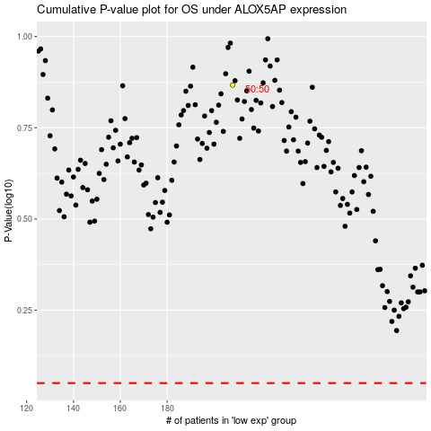

 |  |  |  |  |  | cases_OS | p_OS | rank | exp
 |  |  |  |  |  |  | cases_RFS | p_RFS | rank | exp

