ALPK3 _multivariate
Reported by Tex Li-Hsing Chi. tex@gate.sinica.edu.tw 2019-08-22

Table 2. The clinicopathological features of HNSCC cohort and ALPK3 expression. (Chi square test)
Cutoff at -0.275 (50.0%)
 |  | ALPK3 expression |  | ALPK3 expression |  | (Optimised)
 | Features | Low | (%) | High | (%) | Case no | P-value | Remark | Matthews
Gender | Female | 157 | 37.8 | 149 | 35.9 | 415 | 0.3881 | 0 | 0
2 | Male | 50 | 12 | 59 | 14.2
Age at diagnosis | <=65y | 131 | 31.6 | 143 | 34.5 | 415 | 0.2839 | 0 | 0
4 | >65y | 76 | 18.3 | 65 | 15.7
Clinical T Status | T1+T2 | 68 | 16.4 | 81 | 19.5 | 415 | 0.2336 | 0 | 0
6 | T3+T4 | 139 | 33.5 | 127 | 30.6
Clinical N Status | N0 | 108 | 26 | 108 | 26 | 415 | 1 | 0 | 0
8 | N1-3 | 99 | 23.9 | 100 | 24.1
Clinical M Status | M0 | 204 | 49.2 | 208 | 50.1 | 415 | 0.1232 | 0 | 0
10 | M1 | 3 | 0.7 | 0 | 0
Clinical Stage | Stage I+II | 46 | 11.1 | 56 | 13.5 | 415 | 0.3182 | 0 | 0
12 | Stage III+IV | 161 | 38.8 | 152 | 36.6
Surgical Margin status | Negative | 155 | 37.3 | 163 | 39.3 | 415 | 0.4187 | 0 | 0
14 | Positive | 52 | 12.5 | 45 | 10.8
Tobacco Exposure | Low | 79 | 19 | 82 | 19.8 | 415 | 0.8405 | 0 | 0
16 | High | 128 | 30.8 | 126 | 30.4

Table 3. Univariate/Multivariate Cox's proportional hazards regression analyses on OS time of ALPK3 gene expression in HNSCC

 |  | Univariate |  |  |  | Multivariate
 | Features | HR | CI95%(L) | CI95%(H) | P-value | HR | CI95%(L) | CI95%(H) | P-value
1 | Female | 1 |  |  |  | 1
Gender | Male | 1.157 | 0.843 | 1.587 | 0.367 | 1.203 | 0.862 | 1.678 | 0.277
11 | <=65y | 1 |  |  |  | 1
Age at diagnosis | >65y | 1.329 | 0.99 | 1.784 | 0.058 | 1.401 | 1.03 | 1.906 | 0.031
12 | T1+T2 | 1 |  |  |  | 1
Clinical T Status | T3+T4 | 1.409 | 1.028 | 1.931 | 0.033 | 2.216 | 1.172 | 4.19 | 0.014
13 | N0 | 1 |  |  |  | 1
Clinical N Status | N1-3 | 1.185 | 0.89 | 1.577 | 0.246 | 1.251 | 0.876 | 1.786 | 0.218
14 | M0 | 1 |  |  |  | 1
Clinical M Status | M1 | 4.097 | 1.009 | 16.644 | 0.049 | 10.323 | 2.235 | 47.683 | 0.003
15 | Stage I+II | 1 |  |  |  | 1
Clinical Stage | Stage III+IV | 1.245 | 0.882 | 1.759 | 0.213 | 0.506 | 0.236 | 1.086 | 0.081
16 | Negative | 1 |  |  |  | 1
Surgical Margin status | Positive | 1.591 | 1.155 | 2.191 | 0.004 | 1.681 | 1.217 | 2.323 | 0.002
17 | Low | 1 |  |  |  | 1
Tobacco Exposure | High | 1.364 | 1.008 | 1.844 | 0.044 | 1.442 | 1.048 | 1.985 | 0.025
18 | Low | 1 |  |  |  | 1
RNAseq(z-score) | High | 1.138 | 0.854 | 1.516 | 0.377 | 1.2 | 0.898 | 1.604 | 0.217

Table 4. Univariate/Multivariate Cox's proportional hazards regression analyses on RFS time of ALPK3 gene expression in HNSCC

 |  | Univariate |  |  |  | Multivariate
 | Features | HR | CI95%(L) | CI95%(H) | P-value | HR | CI95%(L) | CI95%(H) | P-value
1 | Female | 1 |  |  |  | 1
Gender | Male | 1.157 | 0.843 | 1.587 | 0.367 | 1.203 | 0.862 | 1.678 | 0.277
11 | <=65y | 1 |  |  |  | 1
Age at diagnosis | >65y | 1.329 | 0.99 | 1.784 | 0.058 | 1.401 | 1.03 | 1.906 | 0.031
12 | T1+T2 | 1 |  |  |  | 1
Clinical T Status | T3+T4 | 1.409 | 1.028 | 1.931 | 0.033 | 2.216 | 1.172 | 4.19 | 0.014
13 | N0 | 1 |  |  |  | 1
Clinical N Status | N1-3 | 1.185 | 0.89 | 1.577 | 0.246 | 1.251 | 0.876 | 1.786 | 0.218
14 | M0 | 1 |  |  |  | 1
Clinical M Status | M1 | 4.097 | 1.009 | 16.644 | 0.049 | 10.323 | 2.235 | 47.683 | 0.003
15 | Stage I+II | 1 |  |  |  | 1
Clinical Stage | Stage III+IV | 1.245 | 0.882 | 1.759 | 0.213 | 0.506 | 0.236 | 1.086 | 0.081
16 | Negative | 1 |  |  |  | 1
Surgical Margin status | Positive | 1.591 | 1.155 | 2.191 | 0.004 | 1.681 | 1.217 | 2.323 | 0.002
17 | Low | 1 |  |  |  | 1
Tobacco Exposure | High | 1.364 | 1.008 | 1.844 | 0.044 | 1.442 | 1.048 | 1.985 | 0.025
18 | Low | 1 |  |  |  | 1
RNAseq(z-score) | High | 1.138 | 0.854 | 1.516 | 0.377 | 1.2 | 0.898 | 1.604 | 0.217

Kaplan-Meier survival estimate: Cutoff at -0.275 (50.0%)



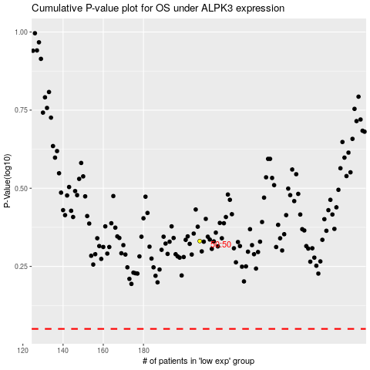

 |  |  |  |  |  | cases_OS | p_OS | rank | exp
 |  |  |  |  |  |  | cases_RFS | p_RFS | rank | exp

