ALPP _multivariate
Reported by Tex Li-Hsing Chi. tex@gate.sinica.edu.tw 2019-08-22

Table 2. The clinicopathological features of HNSCC cohort and ALPP expression. (Chi square test)
Cutoff at -0.216 (50.0%)
 |  | ALPP expression |  | ALPP expression |  | (Optimised)
 | Features | Low | (%) | High | (%) | Case no | P-value | Remark | Matthews
Gender | Female | 159 | 38.3 | 147 | 35.4 | 415 | 0.1905 | 0 | 0
2 | Male | 48 | 11.6 | 61 | 14.7
Age at diagnosis | <=65y | 142 | 34.2 | 132 | 31.8 | 415 | 0.3167 | 0 | 0
4 | >65y | 65 | 15.7 | 76 | 18.3
Clinical T Status | T1+T2 | 79 | 19 | 70 | 16.9 | 415 | 0.3924 | 0 | 0
6 | T3+T4 | 128 | 30.8 | 138 | 33.3
Clinical N Status | N0 | 102 | 24.6 | 114 | 27.5 | 415 | 0.3031 | 0 | 0
8 | N1-3 | 105 | 25.3 | 94 | 22.7
Clinical M Status | M0 | 207 | 49.9 | 205 | 49.4 | 415 | 0.2482 | 0 | 0
10 | M1 | 0 | 0 | 3 | 0.7
Clinical Stage | Stage I+II | 52 | 12.5 | 50 | 12 | 415 | 0.8871 | 0 | 0
12 | Stage III+IV | 155 | 37.3 | 158 | 38.1
Surgical Margin status | Negative | 153 | 36.9 | 165 | 39.8 | 415 | 0.2036 | 0 | 0
14 | Positive | 54 | 13 | 43 | 10.4
Tobacco Exposure | Low | 69 | 16.6 | 92 | 22.2 | 415 | 0.0266 | 1 | 0
16 | High | 138 | 33.3 | 116 | 28

Table 3. Univariate/Multivariate Cox's proportional hazards regression analyses on OS time of ALPP gene expression in HNSCC

 |  | Univariate |  |  |  | Multivariate
 | Features | HR | CI95%(L) | CI95%(H) | P-value | HR | CI95%(L) | CI95%(H) | P-value
1 | Female | 1 |  |  |  | 1
Gender | Male | 1.157 | 0.843 | 1.587 | 0.367 | 1.191 | 0.852 | 1.666 | 0.306
11 | <=65y | 1 |  |  |  | 1
Age at diagnosis | >65y | 1.329 | 0.99 | 1.784 | 0.058 | 1.393 | 1.025 | 1.894 | 0.034
12 | T1+T2 | 1 |  |  |  | 1
Clinical T Status | T3+T4 | 1.409 | 1.028 | 1.931 | 0.033 | 2.169 | 1.145 | 4.106 | 0.017
13 | N0 | 1 |  |  |  | 1
Clinical N Status | N1-3 | 1.185 | 0.89 | 1.577 | 0.246 | 1.246 | 0.873 | 1.779 | 0.226
14 | M0 | 1 |  |  |  | 1
Clinical M Status | M1 | 4.097 | 1.009 | 16.644 | 0.049 | 8.821 | 1.901 | 40.934 | 0.005
15 | Stage I+II | 1 |  |  |  | 1
Clinical Stage | Stage III+IV | 1.245 | 0.882 | 1.759 | 0.213 | 0.51 | 0.237 | 1.095 | 0.084
16 | Negative | 1 |  |  |  | 1
Surgical Margin status | Positive | 1.591 | 1.155 | 2.191 | 0.004 | 1.661 | 1.201 | 2.295 | 0.002
17 | Low | 1 |  |  |  | 1
Tobacco Exposure | High | 1.364 | 1.008 | 1.844 | 0.044 | 1.471 | 1.065 | 2.032 | 0.019
18 | Low | 1 |  |  |  | 1
RNAseq(z-score) | High | 1.129 | 0.847 | 1.505 | 0.407 | 1.1 | 0.82 | 1.475 | 0.526

Table 4. Univariate/Multivariate Cox's proportional hazards regression analyses on RFS time of ALPP gene expression in HNSCC

 |  | Univariate |  |  |  | Multivariate
 | Features | HR | CI95%(L) | CI95%(H) | P-value | HR | CI95%(L) | CI95%(H) | P-value
1 | Female | 1 |  |  |  | 1
Gender | Male | 1.157 | 0.843 | 1.587 | 0.367 | 1.191 | 0.852 | 1.666 | 0.306
11 | <=65y | 1 |  |  |  | 1
Age at diagnosis | >65y | 1.329 | 0.99 | 1.784 | 0.058 | 1.393 | 1.025 | 1.894 | 0.034
12 | T1+T2 | 1 |  |  |  | 1
Clinical T Status | T3+T4 | 1.409 | 1.028 | 1.931 | 0.033 | 2.169 | 1.145 | 4.106 | 0.017
13 | N0 | 1 |  |  |  | 1
Clinical N Status | N1-3 | 1.185 | 0.89 | 1.577 | 0.246 | 1.246 | 0.873 | 1.779 | 0.226
14 | M0 | 1 |  |  |  | 1
Clinical M Status | M1 | 4.097 | 1.009 | 16.644 | 0.049 | 8.821 | 1.901 | 40.934 | 0.005
15 | Stage I+II | 1 |  |  |  | 1
Clinical Stage | Stage III+IV | 1.245 | 0.882 | 1.759 | 0.213 | 0.51 | 0.237 | 1.095 | 0.084
16 | Negative | 1 |  |  |  | 1
Surgical Margin status | Positive | 1.591 | 1.155 | 2.191 | 0.004 | 1.661 | 1.201 | 2.295 | 0.002
17 | Low | 1 |  |  |  | 1
Tobacco Exposure | High | 1.364 | 1.008 | 1.844 | 0.044 | 1.471 | 1.065 | 2.032 | 0.019
18 | Low | 1 |  |  |  | 1
RNAseq(z-score) | High | 1.129 | 0.847 | 1.505 | 0.407 | 1.1 | 0.82 | 1.475 | 0.526

Kaplan-Meier survival estimate: Cutoff at -0.216 (50.0%)



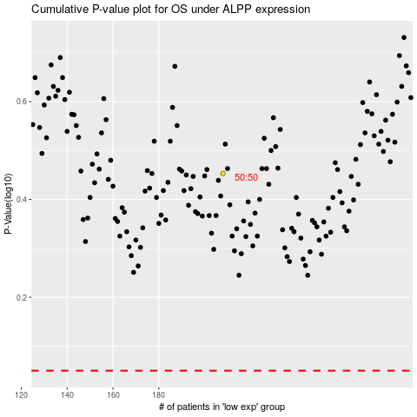

 |  |  |  |  |  | cases_OS | p_OS | rank | exp
 |  |  |  |  |  |  | cases_RFS | p_RFS | rank | exp

