ALS2 _multivariate
Reported by Tex Li-Hsing Chi. tex@gate.sinica.edu.tw 2019-08-22

Table 2. The clinicopathological features of HNSCC cohort and ALS2 expression. (Chi square test)
Cutoff at -0.026 (50.0%)
 |  | ALS2 expression |  | ALS2 expression |  | (Optimised)
 | Features | Low | (%) | High | (%) | Case no | P-value | Remark | Matthews
Gender | Female | 149 | 35.9 | 157 | 37.8 | 415 | 0.4848 | 0 | 0
2 | Male | 58 | 14 | 51 | 12.3
Age at diagnosis | <=65y | 131 | 31.6 | 143 | 34.5 | 415 | 0.2839 | 0 | 0
4 | >65y | 76 | 18.3 | 65 | 15.7
Clinical T Status | T1+T2 | 83 | 20 | 66 | 15.9 | 415 | 0.0941 | 0 | 0
6 | T3+T4 | 124 | 29.9 | 142 | 34.2
Clinical N Status | N0 | 116 | 28 | 100 | 24.1 | 415 | 0.1273 | 1 | 0
8 | N1-3 | 91 | 21.9 | 108 | 26
Clinical M Status | M0 | 205 | 49.4 | 207 | 49.9 | 415 | 0.6232 | 0 | 0
10 | M1 | 2 | 0.5 | 1 | 0.2
Clinical Stage | Stage I+II | 60 | 14.5 | 42 | 10.1 | 415 | 0.0493 | 1 | 0
12 | Stage III+IV | 147 | 35.4 | 166 | 40
Surgical Margin status | Negative | 157 | 37.8 | 161 | 38.8 | 415 | 0.729 | 0 | 0
14 | Positive | 50 | 12 | 47 | 11.3
Tobacco Exposure | Low | 90 | 21.7 | 71 | 17.1 | 415 | 0.0559 | 0 | 0
16 | High | 117 | 28.2 | 137 | 33

Table 3. Univariate/Multivariate Cox's proportional hazards regression analyses on OS time of ALS2 gene expression in HNSCC

 |  | Univariate |  |  |  | Multivariate
 | Features | HR | CI95%(L) | CI95%(H) | P-value | HR | CI95%(L) | CI95%(H) | P-value
1 | Female | 1 |  |  |  | 1
Gender | Male | 1.157 | 0.843 | 1.587 | 0.367 | 1.197 | 0.856 | 1.672 | 0.293
11 | <=65y | 1 |  |  |  | 1
Age at diagnosis | >65y | 1.329 | 0.99 | 1.784 | 0.058 | 1.388 | 1.021 | 1.886 | 0.036
12 | T1+T2 | 1 |  |  |  | 1
Clinical T Status | T3+T4 | 1.409 | 1.028 | 1.931 | 0.033 | 2.2 | 1.164 | 4.16 | 0.015
13 | N0 | 1 |  |  |  | 1
Clinical N Status | N1-3 | 1.185 | 0.89 | 1.577 | 0.246 | 1.244 | 0.872 | 1.775 | 0.228
14 | M0 | 1 |  |  |  | 1
Clinical M Status | M1 | 4.097 | 1.009 | 16.644 | 0.049 | 9.265 | 2.019 | 42.502 | 0.004
15 | Stage I+II | 1 |  |  |  | 1
Clinical Stage | Stage III+IV | 1.245 | 0.882 | 1.759 | 0.213 | 0.511 | 0.238 | 1.098 | 0.085
16 | Negative | 1 |  |  |  | 1
Surgical Margin status | Positive | 1.591 | 1.155 | 2.191 | 0.004 | 1.656 | 1.197 | 2.292 | 0.002
17 | Low | 1 |  |  |  | 1
Tobacco Exposure | High | 1.364 | 1.008 | 1.844 | 0.044 | 1.461 | 1.06 | 2.015 | 0.021
18 | Low | 1 |  |  |  | 1
RNAseq(z-score) | High | 0.906 | 0.679 | 1.209 | 0.503 | 0.91 | 0.679 | 1.22 | 0.529

Table 4. Univariate/Multivariate Cox's proportional hazards regression analyses on RFS time of ALS2 gene expression in HNSCC

 |  | Univariate |  |  |  | Multivariate
 | Features | HR | CI95%(L) | CI95%(H) | P-value | HR | CI95%(L) | CI95%(H) | P-value
1 | Female | 1 |  |  |  | 1
Gender | Male | 1.157 | 0.843 | 1.587 | 0.367 | 1.197 | 0.856 | 1.672 | 0.293
11 | <=65y | 1 |  |  |  | 1
Age at diagnosis | >65y | 1.329 | 0.99 | 1.784 | 0.058 | 1.388 | 1.021 | 1.886 | 0.036
12 | T1+T2 | 1 |  |  |  | 1
Clinical T Status | T3+T4 | 1.409 | 1.028 | 1.931 | 0.033 | 2.2 | 1.164 | 4.16 | 0.015
13 | N0 | 1 |  |  |  | 1
Clinical N Status | N1-3 | 1.185 | 0.89 | 1.577 | 0.246 | 1.244 | 0.872 | 1.775 | 0.228
14 | M0 | 1 |  |  |  | 1
Clinical M Status | M1 | 4.097 | 1.009 | 16.644 | 0.049 | 9.265 | 2.019 | 42.502 | 0.004
15 | Stage I+II | 1 |  |  |  | 1
Clinical Stage | Stage III+IV | 1.245 | 0.882 | 1.759 | 0.213 | 0.511 | 0.238 | 1.098 | 0.085
16 | Negative | 1 |  |  |  | 1
Surgical Margin status | Positive | 1.591 | 1.155 | 2.191 | 0.004 | 1.656 | 1.197 | 2.292 | 0.002
17 | Low | 1 |  |  |  | 1
Tobacco Exposure | High | 1.364 | 1.008 | 1.844 | 0.044 | 1.461 | 1.06 | 2.015 | 0.021
18 | Low | 1 |  |  |  | 1
RNAseq(z-score) | High | 0.906 | 0.679 | 1.209 | 0.503 | 0.91 | 0.679 | 1.22 | 0.529

Kaplan-Meier survival estimate: Cutoff at -0.026 (50.0%)



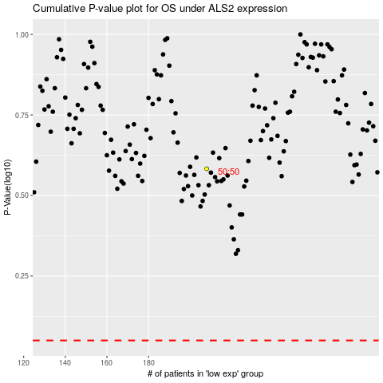

 |  |  |  |  |  | cases_OS | p_OS | rank | exp
 |  |  |  |  |  |  | cases_RFS | p_RFS | rank | exp

