ALS2CL _multivariate
Reported by Tex Li-Hsing Chi. tex@gate.sinica.edu.tw 2019-08-22

Table 2. The clinicopathological features of HNSCC cohort and ALS2CL expression. (Chi square test)
Cutoff at -0.345 (50.0%)
 |  | ALS2CL expression |  | ALS2CL expression |  | (Optimised)
 | Features | Low | (%) | High | (%) | Case no | P-value | Remark | Matthews
Gender | Female | 165 | 39.8 | 141 | 34 | 415 | 0.0081 | 1 | 0
2 | Male | 42 | 10.1 | 67 | 16.1
Age at diagnosis | <=65y | 140 | 33.7 | 134 | 32.3 | 415 | 0.5574 | 0 | 0
4 | >65y | 67 | 16.1 | 74 | 17.8
Clinical T Status | T1+T2 | 71 | 17.1 | 78 | 18.8 | 415 | 0.5638 | 0 | 0
6 | T3+T4 | 136 | 32.8 | 130 | 31.3
Clinical N Status | N0 | 99 | 23.9 | 117 | 28.2 | 415 | 0.1054 | 0 | 0
8 | N1-3 | 108 | 26 | 91 | 21.9
Clinical M Status | M0 | 207 | 49.9 | 205 | 49.4 | 415 | 0.2482 | 0 | 0
10 | M1 | 0 | 0 | 3 | 0.7
Clinical Stage | Stage I+II | 45 | 10.8 | 57 | 13.7 | 415 | 0.2202 | 0 | 0
12 | Stage III+IV | 162 | 39 | 151 | 36.4
Surgical Margin status | Negative | 158 | 38.1 | 160 | 38.6 | 415 | 0.9081 | 0 | 0
14 | Positive | 49 | 11.8 | 48 | 11.6
Tobacco Exposure | Low | 56 | 13.5 | 105 | 25.3 | 415 | 0 | 1 | 0
16 | High | 151 | 36.4 | 103 | 24.8

Table 3. Univariate/Multivariate Cox's proportional hazards regression analyses on OS time of ALS2CL gene expression in HNSCC

 |  | Univariate |  |  |  | Multivariate
 | Features | HR | CI95%(L) | CI95%(H) | P-value | HR | CI95%(L) | CI95%(H) | P-value
1 | Female | 1 |  |  |  | 1
Gender | Male | 1.157 | 0.843 | 1.587 | 0.367 | 1.252 | 0.892 | 1.758 | 0.194
11 | <=65y | 1 |  |  |  | 1
Age at diagnosis | >65y | 1.329 | 0.99 | 1.784 | 0.058 | 1.4 | 1.029 | 1.903 | 0.032
12 | T1+T2 | 1 |  |  |  | 1
Clinical T Status | T3+T4 | 1.409 | 1.028 | 1.931 | 0.033 | 2.192 | 1.159 | 4.144 | 0.016
13 | N0 | 1 |  |  |  | 1
Clinical N Status | N1-3 | 1.185 | 0.89 | 1.577 | 0.246 | 1.214 | 0.85 | 1.735 | 0.286
14 | M0 | 1 |  |  |  | 1
Clinical M Status | M1 | 4.097 | 1.009 | 16.644 | 0.049 | 10.744 | 2.314 | 49.885 | 0.002
15 | Stage I+II | 1 |  |  |  | 1
Clinical Stage | Stage III+IV | 1.245 | 0.882 | 1.759 | 0.213 | 0.502 | 0.234 | 1.076 | 0.076
16 | Negative | 1 |  |  |  | 1
Surgical Margin status | Positive | 1.591 | 1.155 | 2.191 | 0.004 | 1.679 | 1.215 | 2.32 | 0.002
17 | Low | 1 |  |  |  | 1
Tobacco Exposure | High | 1.364 | 1.008 | 1.844 | 0.044 | 1.404 | 1.015 | 1.942 | 0.04
18 | Low | 1 |  |  |  | 1
RNAseq(z-score) | High | 0.8 | 0.598 | 1.07 | 0.133 | 0.806 | 0.592 | 1.097 | 0.17

Table 4. Univariate/Multivariate Cox's proportional hazards regression analyses on RFS time of ALS2CL gene expression in HNSCC

 |  | Univariate |  |  |  | Multivariate
 | Features | HR | CI95%(L) | CI95%(H) | P-value | HR | CI95%(L) | CI95%(H) | P-value
1 | Female | 1 |  |  |  | 1
Gender | Male | 1.157 | 0.843 | 1.587 | 0.367 | 1.252 | 0.892 | 1.758 | 0.194
11 | <=65y | 1 |  |  |  | 1
Age at diagnosis | >65y | 1.329 | 0.99 | 1.784 | 0.058 | 1.4 | 1.029 | 1.903 | 0.032
12 | T1+T2 | 1 |  |  |  | 1
Clinical T Status | T3+T4 | 1.409 | 1.028 | 1.931 | 0.033 | 2.192 | 1.159 | 4.144 | 0.016
13 | N0 | 1 |  |  |  | 1
Clinical N Status | N1-3 | 1.185 | 0.89 | 1.577 | 0.246 | 1.214 | 0.85 | 1.735 | 0.286
14 | M0 | 1 |  |  |  | 1
Clinical M Status | M1 | 4.097 | 1.009 | 16.644 | 0.049 | 10.744 | 2.314 | 49.885 | 0.002
15 | Stage I+II | 1 |  |  |  | 1
Clinical Stage | Stage III+IV | 1.245 | 0.882 | 1.759 | 0.213 | 0.502 | 0.234 | 1.076 | 0.076
16 | Negative | 1 |  |  |  | 1
Surgical Margin status | Positive | 1.591 | 1.155 | 2.191 | 0.004 | 1.679 | 1.215 | 2.32 | 0.002
17 | Low | 1 |  |  |  | 1
Tobacco Exposure | High | 1.364 | 1.008 | 1.844 | 0.044 | 1.404 | 1.015 | 1.942 | 0.04
18 | Low | 1 |  |  |  | 1
RNAseq(z-score) | High | 0.8 | 0.598 | 1.07 | 0.133 | 0.806 | 0.592 | 1.097 | 0.17

Kaplan-Meier survival estimate: Cutoff at -0.345 (50.0%)



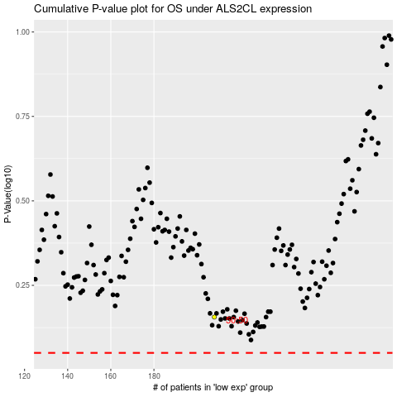

 |  |  |  |  |  | cases_OS | p_OS | rank | exp
 |  |  |  |  |  |  | cases_RFS | p_RFS | rank | exp

