ALS2CR12 _multivariate
Reported by Tex Li-Hsing Chi. tex@gate.sinica.edu.tw 2019-08-22

Table 2. The clinicopathological features of HNSCC cohort and ALS2CR12 expression. (Chi square test)
Cutoff at -0.125 (49.8%)
 |  | ALS2CR12 expression |  | ALS2CR12 expression |  | (Optimised)
 | Features | Low | (%) | High | (%) | Case no | P-value | Remark | Matthews
Gender | Female | 149 | 35.9 | 157 | 37.8 | 415 | 0.5933 | 0 | 0
2 | Male | 57 | 13.7 | 52 | 12.5
Age at diagnosis | <=65y | 136 | 32.8 | 138 | 33.3 | 415 | 1 | 0 | 0
4 | >65y | 70 | 16.9 | 71 | 17.1
Clinical T Status | T1+T2 | 76 | 18.3 | 73 | 17.6 | 415 | 0.7529 | 0 | 0
6 | T3+T4 | 130 | 31.3 | 136 | 32.8
Clinical N Status | N0 | 106 | 25.5 | 110 | 26.5 | 415 | 0.8876 | 0 | 0
8 | N1-3 | 100 | 24.1 | 99 | 23.9
Clinical M Status | M0 | 205 | 49.4 | 207 | 49.9 | 415 | 1 | 0 | 0
10 | M1 | 1 | 0.2 | 2 | 0.5
Clinical Stage | Stage I+II | 50 | 12 | 52 | 12.5 | 415 | 0.9761 | 0 | 0
12 | Stage III+IV | 156 | 37.6 | 157 | 37.8
Surgical Margin status | Negative | 160 | 38.6 | 158 | 38.1 | 415 | 0.6439 | 0 | 0
14 | Positive | 46 | 11.1 | 51 | 12.3
Tobacco Exposure | Low | 84 | 20.2 | 77 | 18.6 | 415 | 0.422 | 0 | 0
16 | High | 122 | 29.4 | 132 | 31.8

Table 3. Univariate/Multivariate Cox's proportional hazards regression analyses on OS time of ALS2CR12 gene expression in HNSCC

 |  | Univariate |  |  |  | Multivariate
 | Features | HR | CI95%(L) | CI95%(H) | P-value | HR | CI95%(L) | CI95%(H) | P-value
1 | Female | 1 |  |  |  | 1
Gender | Male | 1.157 | 0.843 | 1.587 | 0.367 | 1.196 | 0.855 | 1.671 | 0.296
11 | <=65y | 1 |  |  |  | 1
Age at diagnosis | >65y | 1.329 | 0.99 | 1.784 | 0.058 | 1.392 | 1.024 | 1.892 | 0.035
12 | T1+T2 | 1 |  |  |  | 1
Clinical T Status | T3+T4 | 1.409 | 1.028 | 1.931 | 0.033 | 2.215 | 1.172 | 4.189 | 0.014
13 | N0 | 1 |  |  |  | 1
Clinical N Status | N1-3 | 1.185 | 0.89 | 1.577 | 0.246 | 1.231 | 0.862 | 1.757 | 0.252
14 | M0 | 1 |  |  |  | 1
Clinical M Status | M1 | 4.097 | 1.009 | 16.644 | 0.049 | 9.784 | 2.126 | 45.023 | 0.003
15 | Stage I+II | 1 |  |  |  | 1
Clinical Stage | Stage III+IV | 1.245 | 0.882 | 1.759 | 0.213 | 0.503 | 0.234 | 1.078 | 0.077
16 | Negative | 1 |  |  |  | 1
Surgical Margin status | Positive | 1.591 | 1.155 | 2.191 | 0.004 | 1.681 | 1.216 | 2.324 | 0.002
17 | Low | 1 |  |  |  | 1
Tobacco Exposure | High | 1.364 | 1.008 | 1.844 | 0.044 | 1.459 | 1.058 | 2.011 | 0.021
18 | Low | 1 |  |  |  | 1
RNAseq(z-score) | High | 0.928 | 0.697 | 1.236 | 0.609 | 0.899 | 0.673 | 1.2 | 0.47

Table 4. Univariate/Multivariate Cox's proportional hazards regression analyses on RFS time of ALS2CR12 gene expression in HNSCC

 |  | Univariate |  |  |  | Multivariate
 | Features | HR | CI95%(L) | CI95%(H) | P-value | HR | CI95%(L) | CI95%(H) | P-value
1 | Female | 1 |  |  |  | 1
Gender | Male | 1.157 | 0.843 | 1.587 | 0.367 | 1.196 | 0.855 | 1.671 | 0.296
11 | <=65y | 1 |  |  |  | 1
Age at diagnosis | >65y | 1.329 | 0.99 | 1.784 | 0.058 | 1.392 | 1.024 | 1.892 | 0.035
12 | T1+T2 | 1 |  |  |  | 1
Clinical T Status | T3+T4 | 1.409 | 1.028 | 1.931 | 0.033 | 2.215 | 1.172 | 4.189 | 0.014
13 | N0 | 1 |  |  |  | 1
Clinical N Status | N1-3 | 1.185 | 0.89 | 1.577 | 0.246 | 1.231 | 0.862 | 1.757 | 0.252
14 | M0 | 1 |  |  |  | 1
Clinical M Status | M1 | 4.097 | 1.009 | 16.644 | 0.049 | 9.784 | 2.126 | 45.023 | 0.003
15 | Stage I+II | 1 |  |  |  | 1
Clinical Stage | Stage III+IV | 1.245 | 0.882 | 1.759 | 0.213 | 0.503 | 0.234 | 1.078 | 0.077
16 | Negative | 1 |  |  |  | 1
Surgical Margin status | Positive | 1.591 | 1.155 | 2.191 | 0.004 | 1.681 | 1.216 | 2.324 | 0.002
17 | Low | 1 |  |  |  | 1
Tobacco Exposure | High | 1.364 | 1.008 | 1.844 | 0.044 | 1.459 | 1.058 | 2.011 | 0.021
18 | Low | 1 |  |  |  | 1
RNAseq(z-score) | High | 0.928 | 0.697 | 1.236 | 0.609 | 0.899 | 0.673 | 1.2 | 0.47

Kaplan-Meier survival estimate: Cutoff at -0.125 (49.8%)



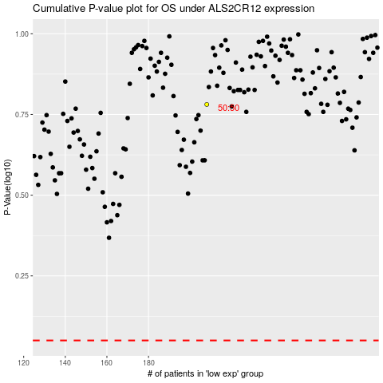

 |  |  |  |  |  | cases_OS | p_OS | rank | exp
 |  |  |  |  |  |  | cases_RFS | p_RFS | rank | exp

