ALS2CR4 _multivariate
Reported by Tex Li-Hsing Chi. tex@gate.sinica.edu.tw 2019-08-22

Table 2. The clinicopathological features of HNSCC cohort and ALS2CR4 expression. (Chi square test)
Cutoff at -0.182 (50.0%)
 |  | ALS2CR4 expression |  | ALS2CR4 expression |  | (Optimised)
 | Features | Low | (%) | High | (%) | Case no | P-value | Remark | Matthews
Gender | Female | 146 | 35.2 | 160 | 38.6 | 415 | 0.1714 | 0 | 0
2 | Male | 61 | 14.7 | 48 | 11.6
Age at diagnosis | <=65y | 132 | 31.8 | 142 | 34.2 | 415 | 0.3874 | 0 | 0
4 | >65y | 75 | 18.1 | 66 | 15.9
Clinical T Status | T1+T2 | 68 | 16.4 | 81 | 19.5 | 415 | 0.2336 | 0 | 0
6 | T3+T4 | 139 | 33.5 | 127 | 30.6
Clinical N Status | N0 | 106 | 25.5 | 110 | 26.5 | 415 | 0.8075 | 0 | 0
8 | N1-3 | 101 | 24.3 | 98 | 23.6
Clinical M Status | M0 | 206 | 49.6 | 206 | 49.6 | 415 | 1 | 0 | 0
10 | M1 | 1 | 0.2 | 2 | 0.5
Clinical Stage | Stage I+II | 48 | 11.6 | 54 | 13 | 415 | 0.5878 | 0 | 0
12 | Stage III+IV | 159 | 38.3 | 154 | 37.1
Surgical Margin status | Negative | 158 | 38.1 | 160 | 38.6 | 415 | 0.9081 | 0 | 0
14 | Positive | 49 | 11.8 | 48 | 11.6
Tobacco Exposure | Low | 78 | 18.8 | 83 | 20 | 415 | 0.6873 | 0 | 0
16 | High | 129 | 31.1 | 125 | 30.1

Table 3. Univariate/Multivariate Cox's proportional hazards regression analyses on OS time of ALS2CR4 gene expression in HNSCC

 |  | Univariate |  |  |  | Multivariate
 | Features | HR | CI95%(L) | CI95%(H) | P-value | HR | CI95%(L) | CI95%(H) | P-value
1 | Female | 1 |  |  |  | 1
Gender | Male | 1.157 | 0.843 | 1.587 | 0.367 | 1.204 | 0.861 | 1.684 | 0.278
11 | <=65y | 1 |  |  |  | 1
Age at diagnosis | >65y | 1.329 | 0.99 | 1.784 | 0.058 | 1.393 | 1.024 | 1.894 | 0.035
12 | T1+T2 | 1 |  |  |  | 1
Clinical T Status | T3+T4 | 1.409 | 1.028 | 1.931 | 0.033 | 2.204 | 1.166 | 4.169 | 0.015
13 | N0 | 1 |  |  |  | 1
Clinical N Status | N1-3 | 1.185 | 0.89 | 1.577 | 0.246 | 1.242 | 0.87 | 1.772 | 0.233
14 | M0 | 1 |  |  |  | 1
Clinical M Status | M1 | 4.097 | 1.009 | 16.644 | 0.049 | 9.36 | 2.039 | 42.972 | 0.004
15 | Stage I+II | 1 |  |  |  | 1
Clinical Stage | Stage III+IV | 1.245 | 0.882 | 1.759 | 0.213 | 0.504 | 0.235 | 1.081 | 0.079
16 | Negative | 1 |  |  |  | 1
Surgical Margin status | Positive | 1.591 | 1.155 | 2.191 | 0.004 | 1.672 | 1.21 | 2.311 | 0.002
17 | Low | 1 |  |  |  | 1
Tobacco Exposure | High | 1.364 | 1.008 | 1.844 | 0.044 | 1.455 | 1.055 | 2.006 | 0.022
18 | Low | 1 |  |  |  | 1
RNAseq(z-score) | High | 0.985 | 0.738 | 1.316 | 0.92 | 1.021 | 0.763 | 1.367 | 0.888

Table 4. Univariate/Multivariate Cox's proportional hazards regression analyses on RFS time of ALS2CR4 gene expression in HNSCC

 |  | Univariate |  |  |  | Multivariate
 | Features | HR | CI95%(L) | CI95%(H) | P-value | HR | CI95%(L) | CI95%(H) | P-value
1 | Female | 1 |  |  |  | 1
Gender | Male | 1.157 | 0.843 | 1.587 | 0.367 | 1.204 | 0.861 | 1.684 | 0.278
11 | <=65y | 1 |  |  |  | 1
Age at diagnosis | >65y | 1.329 | 0.99 | 1.784 | 0.058 | 1.393 | 1.024 | 1.894 | 0.035
12 | T1+T2 | 1 |  |  |  | 1
Clinical T Status | T3+T4 | 1.409 | 1.028 | 1.931 | 0.033 | 2.204 | 1.166 | 4.169 | 0.015
13 | N0 | 1 |  |  |  | 1
Clinical N Status | N1-3 | 1.185 | 0.89 | 1.577 | 0.246 | 1.242 | 0.87 | 1.772 | 0.233
14 | M0 | 1 |  |  |  | 1
Clinical M Status | M1 | 4.097 | 1.009 | 16.644 | 0.049 | 9.36 | 2.039 | 42.972 | 0.004
15 | Stage I+II | 1 |  |  |  | 1
Clinical Stage | Stage III+IV | 1.245 | 0.882 | 1.759 | 0.213 | 0.504 | 0.235 | 1.081 | 0.079
16 | Negative | 1 |  |  |  | 1
Surgical Margin status | Positive | 1.591 | 1.155 | 2.191 | 0.004 | 1.672 | 1.21 | 2.311 | 0.002
17 | Low | 1 |  |  |  | 1
Tobacco Exposure | High | 1.364 | 1.008 | 1.844 | 0.044 | 1.455 | 1.055 | 2.006 | 0.022
18 | Low | 1 |  |  |  | 1
RNAseq(z-score) | High | 0.985 | 0.738 | 1.316 | 0.92 | 1.021 | 0.763 | 1.367 | 0.888

Kaplan-Meier survival estimate: Cutoff at -0.182 (50.0%)



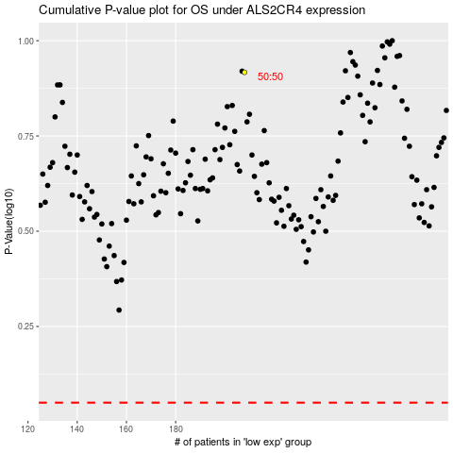

 |  |  |  |  |  | cases_OS | p_OS | rank | exp
 |  |  |  |  |  |  | cases_RFS | p_RFS | rank | exp

