AMD1 _multivariate
Reported by Tex Li-Hsing Chi. tex@gate.sinica.edu.tw 2019-08-22

Table 2. The clinicopathological features of HNSCC cohort and AMD1 expression. (Chi square test)
Cutoff at 0.067 (62.3%)
 |  | AMD1 expression |  | AMD1 expression |  | (Optimised)
 | Features | Low | (%) | High | (%) | Case no | P-value | Remark | Matthews
Gender | Female | 196 | 47.2 | 110 | 26.5 | 415 | 0.226 | 0 | 0
2 | Male | 62 | 14.9 | 47 | 11.3
Age at diagnosis | <=65y | 172 | 41.4 | 102 | 24.6 | 415 | 0.8046 | 0 | 0
4 | >65y | 86 | 20.7 | 55 | 13.3
Clinical T Status | T1+T2 | 93 | 22.4 | 56 | 13.5 | 415 | 1 | 0 | 0
6 | T3+T4 | 165 | 39.8 | 101 | 24.3
Clinical N Status | N0 | 127 | 30.6 | 89 | 21.4 | 415 | 0.1693 | 0 | 0
8 | N1-3 | 131 | 31.6 | 68 | 16.4
Clinical M Status | M0 | 255 | 61.4 | 157 | 37.8 | 415 | 0.2927 | 0 | 0
10 | M1 | 3 | 0.7 | 0 | 0
Clinical Stage | Stage I+II | 61 | 14.7 | 41 | 9.9 | 415 | 0.6531 | 0 | 0
12 | Stage III+IV | 197 | 47.5 | 116 | 28
Surgical Margin status | Negative | 204 | 49.2 | 114 | 27.5 | 415 | 0.1513 | 0 | 0
14 | Positive | 54 | 13 | 43 | 10.4
Tobacco Exposure | Low | 105 | 25.3 | 56 | 13.5 | 415 | 0.3501 | 0 | 0
16 | High | 153 | 36.9 | 101 | 24.3

Table 3. Univariate/Multivariate Cox's proportional hazards regression analyses on OS time of AMD1 gene expression in HNSCC

 |  | Univariate |  |  |  | Multivariate
 | Features | HR | CI95%(L) | CI95%(H) | P-value | HR | CI95%(L) | CI95%(H) | P-value
1 | Female | 1 |  |  |  | 1
Gender | Male | 1.157 | 0.843 | 1.587 | 0.367 | 1.256 | 0.898 | 1.757 | 0.182
11 | <=65y | 1 |  |  |  | 1
Age at diagnosis | >65y | 1.329 | 0.99 | 1.784 | 0.058 | 1.41 | 1.037 | 1.917 | 0.028
12 | T1+T2 | 1 |  |  |  | 1
Clinical T Status | T3+T4 | 1.409 | 1.028 | 1.931 | 0.033 | 2.175 | 1.152 | 4.106 | 0.017
13 | N0 | 1 |  |  |  | 1
Clinical N Status | N1-3 | 1.185 | 0.89 | 1.577 | 0.246 | 1.182 | 0.827 | 1.69 | 0.36
14 | M0 | 1 |  |  |  | 1
Clinical M Status | M1 | 4.097 | 1.009 | 16.644 | 0.049 | 8.562 | 1.865 | 39.304 | 0.006
15 | Stage I+II | 1 |  |  |  | 1
Clinical Stage | Stage III+IV | 1.245 | 0.882 | 1.759 | 0.213 | 0.51 | 0.238 | 1.095 | 0.084
16 | Negative | 1 |  |  |  | 1
Surgical Margin status | Positive | 1.591 | 1.155 | 2.191 | 0.004 | 1.706 | 1.234 | 2.357 | 0.001
17 | Low | 1 |  |  |  | 1
Tobacco Exposure | High | 1.364 | 1.008 | 1.844 | 0.044 | 1.522 | 1.102 | 2.101 | 0.011
18 | Low | 1 |  |  |  | 1
RNAseq(z-score) | High | 0.735 | 0.542 | 0.997 | 0.048 | 0.693 | 0.507 | 0.948 | 0.022

Table 4. Univariate/Multivariate Cox's proportional hazards regression analyses on RFS time of AMD1 gene expression in HNSCC

 |  | Univariate |  |  |  | Multivariate
 | Features | HR | CI95%(L) | CI95%(H) | P-value | HR | CI95%(L) | CI95%(H) | P-value
1 | Female | 1 |  |  |  | 1
Gender | Male | 1.157 | 0.843 | 1.587 | 0.367 | 1.256 | 0.898 | 1.757 | 0.182
11 | <=65y | 1 |  |  |  | 1
Age at diagnosis | >65y | 1.329 | 0.99 | 1.784 | 0.058 | 1.41 | 1.037 | 1.917 | 0.028
12 | T1+T2 | 1 |  |  |  | 1
Clinical T Status | T3+T4 | 1.409 | 1.028 | 1.931 | 0.033 | 2.175 | 1.152 | 4.106 | 0.017
13 | N0 | 1 |  |  |  | 1
Clinical N Status | N1-3 | 1.185 | 0.89 | 1.577 | 0.246 | 1.182 | 0.827 | 1.69 | 0.36
14 | M0 | 1 |  |  |  | 1
Clinical M Status | M1 | 4.097 | 1.009 | 16.644 | 0.049 | 8.562 | 1.865 | 39.304 | 0.006
15 | Stage I+II | 1 |  |  |  | 1
Clinical Stage | Stage III+IV | 1.245 | 0.882 | 1.759 | 0.213 | 0.51 | 0.238 | 1.095 | 0.084
16 | Negative | 1 |  |  |  | 1
Surgical Margin status | Positive | 1.591 | 1.155 | 2.191 | 0.004 | 1.706 | 1.234 | 2.357 | 0.001
17 | Low | 1 |  |  |  | 1
Tobacco Exposure | High | 1.364 | 1.008 | 1.844 | 0.044 | 1.522 | 1.102 | 2.101 | 0.011
18 | Low | 1 |  |  |  | 1
RNAseq(z-score) | High | 0.735 | 0.542 | 0.997 | 0.048 | 0.693 | 0.507 | 0.948 | 0.022

Kaplan-Meier survival estimate: Cutoff at 0.067 (62.3%)



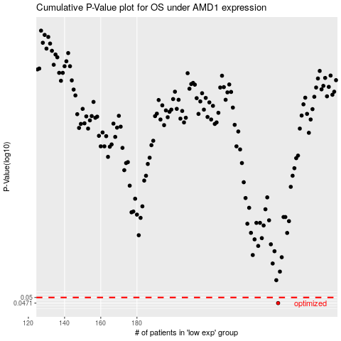

 |  |  |  |  |  | cases_OS | p_OS | rank | exp
 |  |  |  |  |  | 258 | 0.0471 | 272 | 0.067363210352
 |  |  |  |  |  |  | cases_RFS | p_RFS | rank | exp
 |  |  |  |  |  |  | 257 | 0.0471 | 237 | 0.061143276758

