AMDHD1 _multivariate
Reported by Tex Li-Hsing Chi. tex@gate.sinica.edu.tw 2019-08-22

Table 2. The clinicopathological features of HNSCC cohort and AMDHD1 expression. (Chi square test)
Cutoff at -0.25 (49.8%)
 |  | AMDHD1 expression |  | AMDHD1 expression |  | (Optimised)
 | Features | Low | (%) | High | (%) | Case no | P-value | Remark | Matthews
Gender | Female | 158 | 38.1 | 148 | 35.7 | 415 | 0.2774 | 0 | 0
2 | Male | 49 | 11.8 | 60 | 14.5
Age at diagnosis | <=65y | 144 | 34.7 | 130 | 31.3 | 415 | 0.1568 | 0 | 0
4 | >65y | 63 | 15.2 | 78 | 18.8
Clinical T Status | T1+T2 | 68 | 16.4 | 81 | 19.5 | 415 | 0.2336 | 0 | 0
6 | T3+T4 | 139 | 33.5 | 127 | 30.6
Clinical N Status | N0 | 98 | 23.6 | 118 | 28.4 | 415 | 0.0694 | 0 | 0
8 | N1-3 | 109 | 26.3 | 90 | 21.7
Clinical M Status | M0 | 205 | 49.4 | 207 | 49.9 | 415 | 0.6232 | 0 | 0
10 | M1 | 2 | 0.5 | 1 | 0.2
Clinical Stage | Stage I+II | 46 | 11.1 | 56 | 13.5 | 415 | 0.3182 | 0 | 0
12 | Stage III+IV | 161 | 38.8 | 152 | 36.6
Surgical Margin status | Negative | 159 | 38.3 | 159 | 38.3 | 415 | 1 | 0 | 0
14 | Positive | 48 | 11.6 | 49 | 11.8
Tobacco Exposure | Low | 82 | 19.8 | 79 | 19 | 415 | 0.763 | 0 | 0
16 | High | 125 | 30.1 | 129 | 31.1

Table 3. Univariate/Multivariate Cox's proportional hazards regression analyses on OS time of AMDHD1 gene expression in HNSCC

 |  | Univariate |  |  |  | Multivariate
 | Features | HR | CI95%(L) | CI95%(H) | P-value | HR | CI95%(L) | CI95%(H) | P-value
1 | Female | 1 |  |  |  | 1
Gender | Male | 1.157 | 0.843 | 1.587 | 0.367 | 1.204 | 0.862 | 1.682 | 0.276
11 | <=65y | 1 |  |  |  | 1
Age at diagnosis | >65y | 1.329 | 0.99 | 1.784 | 0.058 | 1.378 | 1.013 | 1.876 | 0.041
12 | T1+T2 | 1 |  |  |  | 1
Clinical T Status | T3+T4 | 1.409 | 1.028 | 1.931 | 0.033 | 2.244 | 1.184 | 4.251 | 0.013
13 | N0 | 1 |  |  |  | 1
Clinical N Status | N1-3 | 1.185 | 0.89 | 1.577 | 0.246 | 1.255 | 0.878 | 1.794 | 0.212
14 | M0 | 1 |  |  |  | 1
Clinical M Status | M1 | 4.097 | 1.009 | 16.644 | 0.049 | 9.818 | 2.133 | 45.191 | 0.003
15 | Stage I+II | 1 |  |  |  | 1
Clinical Stage | Stage III+IV | 1.245 | 0.882 | 1.759 | 0.213 | 0.498 | 0.232 | 1.07 | 0.074
16 | Negative | 1 |  |  |  | 1
Surgical Margin status | Positive | 1.591 | 1.155 | 2.191 | 0.004 | 1.677 | 1.214 | 2.319 | 0.002
17 | Low | 1 |  |  |  | 1
Tobacco Exposure | High | 1.364 | 1.008 | 1.844 | 0.044 | 1.434 | 1.039 | 1.979 | 0.028
18 | Low | 1 |  |  |  | 1
RNAseq(z-score) | High | 1.087 | 0.816 | 1.448 | 0.568 | 1.122 | 0.838 | 1.502 | 0.44

Table 4. Univariate/Multivariate Cox's proportional hazards regression analyses on RFS time of AMDHD1 gene expression in HNSCC

 |  | Univariate |  |  |  | Multivariate
 | Features | HR | CI95%(L) | CI95%(H) | P-value | HR | CI95%(L) | CI95%(H) | P-value
1 | Female | 1 |  |  |  | 1
Gender | Male | 1.157 | 0.843 | 1.587 | 0.367 | 1.204 | 0.862 | 1.682 | 0.276
11 | <=65y | 1 |  |  |  | 1
Age at diagnosis | >65y | 1.329 | 0.99 | 1.784 | 0.058 | 1.378 | 1.013 | 1.876 | 0.041
12 | T1+T2 | 1 |  |  |  | 1
Clinical T Status | T3+T4 | 1.409 | 1.028 | 1.931 | 0.033 | 2.244 | 1.184 | 4.251 | 0.013
13 | N0 | 1 |  |  |  | 1
Clinical N Status | N1-3 | 1.185 | 0.89 | 1.577 | 0.246 | 1.255 | 0.878 | 1.794 | 0.212
14 | M0 | 1 |  |  |  | 1
Clinical M Status | M1 | 4.097 | 1.009 | 16.644 | 0.049 | 9.818 | 2.133 | 45.191 | 0.003
15 | Stage I+II | 1 |  |  |  | 1
Clinical Stage | Stage III+IV | 1.245 | 0.882 | 1.759 | 0.213 | 0.498 | 0.232 | 1.07 | 0.074
16 | Negative | 1 |  |  |  | 1
Surgical Margin status | Positive | 1.591 | 1.155 | 2.191 | 0.004 | 1.677 | 1.214 | 2.319 | 0.002
17 | Low | 1 |  |  |  | 1
Tobacco Exposure | High | 1.364 | 1.008 | 1.844 | 0.044 | 1.434 | 1.039 | 1.979 | 0.028
18 | Low | 1 |  |  |  | 1
RNAseq(z-score) | High | 1.087 | 0.816 | 1.448 | 0.568 | 1.122 | 0.838 | 1.502 | 0.44

Kaplan-Meier survival estimate: Cutoff at -0.25 (49.8%)



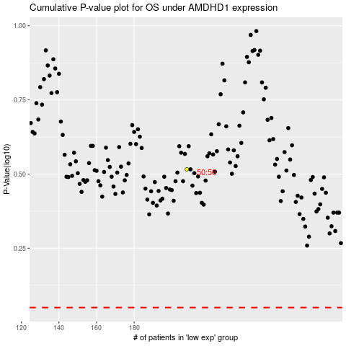

 |  |  |  |  |  | cases_OS | p_OS | rank | exp
 |  |  |  |  |  |  | cases_RFS | p_RFS | rank | exp

