AMDHD2 _multivariate
Reported by Tex Li-Hsing Chi. tex@gate.sinica.edu.tw 2019-08-22

Table 2. The clinicopathological features of HNSCC cohort and AMDHD2 expression. (Chi square test)
Cutoff at -0.222 (49.8%)
 |  | AMDHD2 expression |  | AMDHD2 expression |  | (Optimised)
 | Features | Low | (%) | High | (%) | Case no | P-value | Remark | Matthews
Gender | Female | 155 | 37.3 | 151 | 36.4 | 415 | 0.6768 | 0 | 0
2 | Male | 52 | 12.5 | 57 | 13.7
Age at diagnosis | <=65y | 136 | 32.8 | 138 | 33.3 | 415 | 0.9719 | 0 | 0
4 | >65y | 71 | 17.1 | 70 | 16.9
Clinical T Status | T1+T2 | 70 | 16.9 | 79 | 19 | 415 | 0.4343 | 0 | 0
6 | T3+T4 | 137 | 33 | 129 | 31.1
Clinical N Status | N0 | 115 | 27.7 | 101 | 24.3 | 415 | 0.184 | 1 | 0
8 | N1-3 | 92 | 22.2 | 107 | 25.8
Clinical M Status | M0 | 206 | 49.6 | 206 | 49.6 | 415 | 1 | 0 | 0
10 | M1 | 1 | 0.2 | 2 | 0.5
Clinical Stage | Stage I+II | 49 | 11.8 | 53 | 12.8 | 415 | 0.7535 | 0 | 0
12 | Stage III+IV | 158 | 38.1 | 155 | 37.3
Surgical Margin status | Negative | 157 | 37.8 | 161 | 38.8 | 415 | 0.729 | 0 | 0
14 | Positive | 50 | 12 | 47 | 11.3
Tobacco Exposure | Low | 68 | 16.4 | 93 | 22.4 | 415 | 0.0156 | 1 | 0
16 | High | 139 | 33.5 | 115 | 27.7

Table 3. Univariate/Multivariate Cox's proportional hazards regression analyses on OS time of AMDHD2 gene expression in HNSCC

 |  | Univariate |  |  |  | Multivariate
 | Features | HR | CI95%(L) | CI95%(H) | P-value | HR | CI95%(L) | CI95%(H) | P-value
1 | Female | 1 |  |  |  | 1
Gender | Male | 1.157 | 0.843 | 1.587 | 0.367 | 1.203 | 0.861 | 1.681 | 0.28
11 | <=65y | 1 |  |  |  | 1
Age at diagnosis | >65y | 1.329 | 0.99 | 1.784 | 0.058 | 1.39 | 1.022 | 1.891 | 0.036
12 | T1+T2 | 1 |  |  |  | 1
Clinical T Status | T3+T4 | 1.409 | 1.028 | 1.931 | 0.033 | 2.205 | 1.166 | 4.17 | 0.015
13 | N0 | 1 |  |  |  | 1
Clinical N Status | N1-3 | 1.185 | 0.89 | 1.577 | 0.246 | 1.243 | 0.87 | 1.775 | 0.232
14 | M0 | 1 |  |  |  | 1
Clinical M Status | M1 | 4.097 | 1.009 | 16.644 | 0.049 | 9.453 | 2.056 | 43.463 | 0.004
15 | Stage I+II | 1 |  |  |  | 1
Clinical Stage | Stage III+IV | 1.245 | 0.882 | 1.759 | 0.213 | 0.503 | 0.234 | 1.082 | 0.079
16 | Negative | 1 |  |  |  | 1
Surgical Margin status | Positive | 1.591 | 1.155 | 2.191 | 0.004 | 1.672 | 1.21 | 2.311 | 0.002
17 | Low | 1 |  |  |  | 1
Tobacco Exposure | High | 1.364 | 1.008 | 1.844 | 0.044 | 1.45 | 1.049 | 2.004 | 0.025
18 | Low | 1 |  |  |  | 1
RNAseq(z-score) | High | 0.976 | 0.731 | 1.302 | 0.868 | 0.985 | 0.733 | 1.324 | 0.921

Table 4. Univariate/Multivariate Cox's proportional hazards regression analyses on RFS time of AMDHD2 gene expression in HNSCC

 |  | Univariate |  |  |  | Multivariate
 | Features | HR | CI95%(L) | CI95%(H) | P-value | HR | CI95%(L) | CI95%(H) | P-value
1 | Female | 1 |  |  |  | 1
Gender | Male | 1.157 | 0.843 | 1.587 | 0.367 | 1.203 | 0.861 | 1.681 | 0.28
11 | <=65y | 1 |  |  |  | 1
Age at diagnosis | >65y | 1.329 | 0.99 | 1.784 | 0.058 | 1.39 | 1.022 | 1.891 | 0.036
12 | T1+T2 | 1 |  |  |  | 1
Clinical T Status | T3+T4 | 1.409 | 1.028 | 1.931 | 0.033 | 2.205 | 1.166 | 4.17 | 0.015
13 | N0 | 1 |  |  |  | 1
Clinical N Status | N1-3 | 1.185 | 0.89 | 1.577 | 0.246 | 1.243 | 0.87 | 1.775 | 0.232
14 | M0 | 1 |  |  |  | 1
Clinical M Status | M1 | 4.097 | 1.009 | 16.644 | 0.049 | 9.453 | 2.056 | 43.463 | 0.004
15 | Stage I+II | 1 |  |  |  | 1
Clinical Stage | Stage III+IV | 1.245 | 0.882 | 1.759 | 0.213 | 0.503 | 0.234 | 1.082 | 0.079
16 | Negative | 1 |  |  |  | 1
Surgical Margin status | Positive | 1.591 | 1.155 | 2.191 | 0.004 | 1.672 | 1.21 | 2.311 | 0.002
17 | Low | 1 |  |  |  | 1
Tobacco Exposure | High | 1.364 | 1.008 | 1.844 | 0.044 | 1.45 | 1.049 | 2.004 | 0.025
18 | Low | 1 |  |  |  | 1
RNAseq(z-score) | High | 0.976 | 0.731 | 1.302 | 0.868 | 0.985 | 0.733 | 1.324 | 0.921

Kaplan-Meier survival estimate: Cutoff at -0.222 (49.8%)



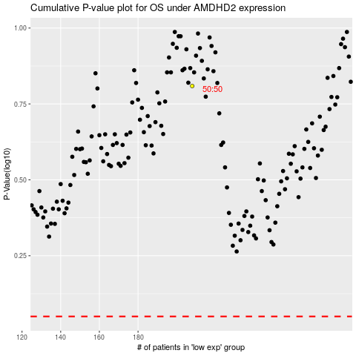

 |  |  |  |  |  | cases_OS | p_OS | rank | exp
 |  |  |  |  |  |  | cases_RFS | p_RFS | rank | exp

