AMFR _multivariate
Reported by Tex Li-Hsing Chi. tex@gate.sinica.edu.tw 2019-08-22

Table 2. The clinicopathological features of HNSCC cohort and AMFR expression. (Chi square test)
Cutoff at -0.186 (49.8%)
 |  | AMFR expression |  | AMFR expression |  | (Optimised)
 | Features | Low | (%) | High | (%) | Case no | P-value | Remark | Matthews
Gender | Female | 157 | 37.8 | 149 | 35.9 | 415 | 0.3881 | 0 | 0
2 | Male | 50 | 12 | 59 | 14.2
Age at diagnosis | <=65y | 129 | 31.1 | 145 | 34.9 | 415 | 0.1372 | 0 | 0
4 | >65y | 78 | 18.8 | 63 | 15.2
Clinical T Status | T1+T2 | 78 | 18.8 | 71 | 17.1 | 415 | 0.5152 | 0 | 0
6 | T3+T4 | 129 | 31.1 | 137 | 33
Clinical N Status | N0 | 101 | 24.3 | 115 | 27.7 | 415 | 0.2201 | 0 | 0
8 | N1-3 | 106 | 25.5 | 93 | 22.4
Clinical M Status | M0 | 206 | 49.6 | 206 | 49.6 | 415 | 1 | 0 | 0
10 | M1 | 1 | 0.2 | 2 | 0.5
Clinical Stage | Stage I+II | 47 | 11.3 | 55 | 13.3 | 415 | 0.4413 | 0 | 0
12 | Stage III+IV | 160 | 38.6 | 153 | 36.9
Surgical Margin status | Negative | 156 | 37.6 | 162 | 39 | 415 | 0.5636 | 0 | 0
14 | Positive | 51 | 12.3 | 46 | 11.1
Tobacco Exposure | Low | 91 | 21.9 | 70 | 16.9 | 415 | 0.0346 | 1 | 0
16 | High | 116 | 28 | 138 | 33.3

Table 3. Univariate/Multivariate Cox's proportional hazards regression analyses on OS time of AMFR gene expression in HNSCC

 |  | Univariate |  |  |  | Multivariate
 | Features | HR | CI95%(L) | CI95%(H) | P-value | HR | CI95%(L) | CI95%(H) | P-value
1 | Female | 1 |  |  |  | 1
Gender | Male | 1.157 | 0.843 | 1.587 | 0.367 | 1.197 | 0.856 | 1.674 | 0.294
11 | <=65y | 1 |  |  |  | 1
Age at diagnosis | >65y | 1.329 | 0.99 | 1.784 | 0.058 | 1.399 | 1.027 | 1.907 | 0.033
12 | T1+T2 | 1 |  |  |  | 1
Clinical T Status | T3+T4 | 1.409 | 1.028 | 1.931 | 0.033 | 2.183 | 1.15 | 4.142 | 0.017
13 | N0 | 1 |  |  |  | 1
Clinical N Status | N1-3 | 1.185 | 0.89 | 1.577 | 0.246 | 1.243 | 0.871 | 1.774 | 0.231
14 | M0 | 1 |  |  |  | 1
Clinical M Status | M1 | 4.097 | 1.009 | 16.644 | 0.049 | 9.21 | 1.993 | 42.572 | 0.004
15 | Stage I+II | 1 |  |  |  | 1
Clinical Stage | Stage III+IV | 1.245 | 0.882 | 1.759 | 0.213 | 0.51 | 0.237 | 1.101 | 0.087
16 | Negative | 1 |  |  |  | 1
Surgical Margin status | Positive | 1.591 | 1.155 | 2.191 | 0.004 | 1.674 | 1.211 | 2.313 | 0.002
17 | Low | 1 |  |  |  | 1
Tobacco Exposure | High | 1.364 | 1.008 | 1.844 | 0.044 | 1.446 | 1.048 | 1.996 | 0.025
18 | Low | 1 |  |  |  | 1
RNAseq(z-score) | High | 1.061 | 0.796 | 1.413 | 0.688 | 1.04 | 0.773 | 1.399 | 0.797

Table 4. Univariate/Multivariate Cox's proportional hazards regression analyses on RFS time of AMFR gene expression in HNSCC

 |  | Univariate |  |  |  | Multivariate
 | Features | HR | CI95%(L) | CI95%(H) | P-value | HR | CI95%(L) | CI95%(H) | P-value
1 | Female | 1 |  |  |  | 1
Gender | Male | 1.157 | 0.843 | 1.587 | 0.367 | 1.197 | 0.856 | 1.674 | 0.294
11 | <=65y | 1 |  |  |  | 1
Age at diagnosis | >65y | 1.329 | 0.99 | 1.784 | 0.058 | 1.399 | 1.027 | 1.907 | 0.033
12 | T1+T2 | 1 |  |  |  | 1
Clinical T Status | T3+T4 | 1.409 | 1.028 | 1.931 | 0.033 | 2.183 | 1.15 | 4.142 | 0.017
13 | N0 | 1 |  |  |  | 1
Clinical N Status | N1-3 | 1.185 | 0.89 | 1.577 | 0.246 | 1.243 | 0.871 | 1.774 | 0.231
14 | M0 | 1 |  |  |  | 1
Clinical M Status | M1 | 4.097 | 1.009 | 16.644 | 0.049 | 9.21 | 1.993 | 42.572 | 0.004
15 | Stage I+II | 1 |  |  |  | 1
Clinical Stage | Stage III+IV | 1.245 | 0.882 | 1.759 | 0.213 | 0.51 | 0.237 | 1.101 | 0.087
16 | Negative | 1 |  |  |  | 1
Surgical Margin status | Positive | 1.591 | 1.155 | 2.191 | 0.004 | 1.674 | 1.211 | 2.313 | 0.002
17 | Low | 1 |  |  |  | 1
Tobacco Exposure | High | 1.364 | 1.008 | 1.844 | 0.044 | 1.446 | 1.048 | 1.996 | 0.025
18 | Low | 1 |  |  |  | 1
RNAseq(z-score) | High | 1.061 | 0.796 | 1.413 | 0.688 | 1.04 | 0.773 | 1.399 | 0.797

Kaplan-Meier survival estimate: Cutoff at -0.186 (49.8%)



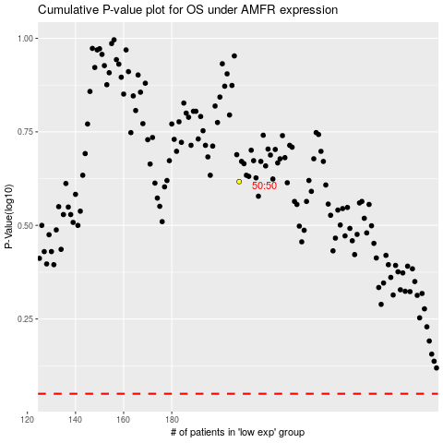

 |  |  |  |  |  | cases_OS | p_OS | rank | exp
 |  |  |  |  |  |  | cases_RFS | p_RFS | rank | exp

