AMMECR1 _multivariate
Reported by Tex Li-Hsing Chi. tex@gate.sinica.edu.tw 2019-08-22

Table 2. The clinicopathological features of HNSCC cohort and AMMECR1 expression. (Chi square test)
Cutoff at -0.214 (50.0%)
 |  | AMMECR1 expression |  | AMMECR1 expression |  | (Optimised)
 | Features | Low | (%) | High | (%) | Case no | P-value | Remark | Matthews
Gender | Female | 159 | 38.3 | 147 | 35.4 | 415 | 0.1905 | 0 | 0
2 | Male | 48 | 11.6 | 61 | 14.7
Age at diagnosis | <=65y | 130 | 31.3 | 144 | 34.7 | 415 | 0.2009 | 0 | 0
4 | >65y | 77 | 18.6 | 64 | 15.4
Clinical T Status | T1+T2 | 73 | 17.6 | 76 | 18.3 | 415 | 0.8666 | 0 | 0
6 | T3+T4 | 134 | 32.3 | 132 | 31.8
Clinical N Status | N0 | 102 | 24.6 | 114 | 27.5 | 415 | 0.3031 | 0 | 0
8 | N1-3 | 105 | 25.3 | 94 | 22.7
Clinical M Status | M0 | 206 | 49.6 | 206 | 49.6 | 415 | 1 | 0 | 0
10 | M1 | 1 | 0.2 | 2 | 0.5
Clinical Stage | Stage I+II | 51 | 12.3 | 51 | 12.3 | 415 | 1 | 0 | 0
12 | Stage III+IV | 156 | 37.6 | 157 | 37.8
Surgical Margin status | Negative | 154 | 37.1 | 164 | 39.5 | 415 | 0.2984 | 0 | 0
14 | Positive | 53 | 12.8 | 44 | 10.6
Tobacco Exposure | Low | 76 | 18.3 | 85 | 20.5 | 415 | 0.4207 | 0 | 0
16 | High | 131 | 31.6 | 123 | 29.6

Table 3. Univariate/Multivariate Cox's proportional hazards regression analyses on OS time of AMMECR1 gene expression in HNSCC

 |  | Univariate |  |  |  | Multivariate
 | Features | HR | CI95%(L) | CI95%(H) | P-value | HR | CI95%(L) | CI95%(H) | P-value
1 | Female | 1 |  |  |  | 1
Gender | Male | 1.157 | 0.843 | 1.587 | 0.367 | 1.177 | 0.841 | 1.648 | 0.342
11 | <=65y | 1 |  |  |  | 1
Age at diagnosis | >65y | 1.329 | 0.99 | 1.784 | 0.058 | 1.432 | 1.049 | 1.954 | 0.024
12 | T1+T2 | 1 |  |  |  | 1
Clinical T Status | T3+T4 | 1.409 | 1.028 | 1.931 | 0.033 | 2.243 | 1.186 | 4.245 | 0.013
13 | N0 | 1 |  |  |  | 1
Clinical N Status | N1-3 | 1.185 | 0.89 | 1.577 | 0.246 | 1.281 | 0.894 | 1.835 | 0.177
14 | M0 | 1 |  |  |  | 1
Clinical M Status | M1 | 4.097 | 1.009 | 16.644 | 0.049 | 8.957 | 1.95 | 41.141 | 0.005
15 | Stage I+II | 1 |  |  |  | 1
Clinical Stage | Stage III+IV | 1.245 | 0.882 | 1.759 | 0.213 | 0.493 | 0.229 | 1.059 | 0.07
16 | Negative | 1 |  |  |  | 1
Surgical Margin status | Positive | 1.591 | 1.155 | 2.191 | 0.004 | 1.674 | 1.212 | 2.313 | 0.002
17 | Low | 1 |  |  |  | 1
Tobacco Exposure | High | 1.364 | 1.008 | 1.844 | 0.044 | 1.448 | 1.051 | 1.996 | 0.024
18 | Low | 1 |  |  |  | 1
RNAseq(z-score) | High | 1.12 | 0.841 | 1.493 | 0.438 | 1.184 | 0.88 | 1.592 | 0.264

Table 4. Univariate/Multivariate Cox's proportional hazards regression analyses on RFS time of AMMECR1 gene expression in HNSCC

 |  | Univariate |  |  |  | Multivariate
 | Features | HR | CI95%(L) | CI95%(H) | P-value | HR | CI95%(L) | CI95%(H) | P-value
1 | Female | 1 |  |  |  | 1
Gender | Male | 1.157 | 0.843 | 1.587 | 0.367 | 1.177 | 0.841 | 1.648 | 0.342
11 | <=65y | 1 |  |  |  | 1
Age at diagnosis | >65y | 1.329 | 0.99 | 1.784 | 0.058 | 1.432 | 1.049 | 1.954 | 0.024
12 | T1+T2 | 1 |  |  |  | 1
Clinical T Status | T3+T4 | 1.409 | 1.028 | 1.931 | 0.033 | 2.243 | 1.186 | 4.245 | 0.013
13 | N0 | 1 |  |  |  | 1
Clinical N Status | N1-3 | 1.185 | 0.89 | 1.577 | 0.246 | 1.281 | 0.894 | 1.835 | 0.177
14 | M0 | 1 |  |  |  | 1
Clinical M Status | M1 | 4.097 | 1.009 | 16.644 | 0.049 | 8.957 | 1.95 | 41.141 | 0.005
15 | Stage I+II | 1 |  |  |  | 1
Clinical Stage | Stage III+IV | 1.245 | 0.882 | 1.759 | 0.213 | 0.493 | 0.229 | 1.059 | 0.07
16 | Negative | 1 |  |  |  | 1
Surgical Margin status | Positive | 1.591 | 1.155 | 2.191 | 0.004 | 1.674 | 1.212 | 2.313 | 0.002
17 | Low | 1 |  |  |  | 1
Tobacco Exposure | High | 1.364 | 1.008 | 1.844 | 0.044 | 1.448 | 1.051 | 1.996 | 0.024
18 | Low | 1 |  |  |  | 1
RNAseq(z-score) | High | 1.12 | 0.841 | 1.493 | 0.438 | 1.184 | 0.88 | 1.592 | 0.264

Kaplan-Meier survival estimate: Cutoff at -0.214 (50.0%)



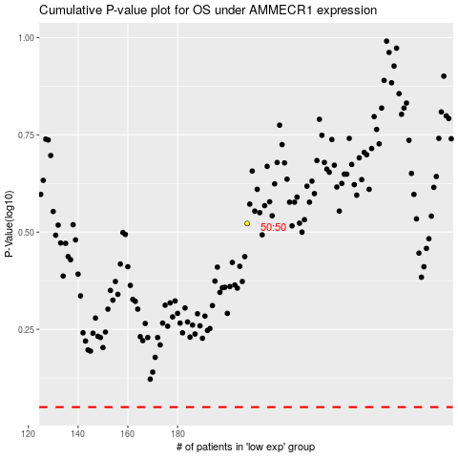

 |  |  |  |  |  | cases_OS | p_OS | rank | exp
 |  |  |  |  |  |  | cases_RFS | p_RFS | rank | exp

