AMMECR1L _multivariate
Reported by Tex Li-Hsing Chi. tex@gate.sinica.edu.tw 2019-08-22

Table 2. The clinicopathological features of HNSCC cohort and AMMECR1L expression. (Chi square test)
Cutoff at 0.019 (49.8%)
 |  | AMMECR1L expression |  | AMMECR1L expression |  | (Optimised)
 | Features | Low | (%) | High | (%) | Case no | P-value | Remark | Matthews
Gender | Female | 146 | 35.2 | 160 | 38.6 | 415 | 0.1714 | 0 | 0
2 | Male | 61 | 14.7 | 48 | 11.6
Age at diagnosis | <=65y | 128 | 30.8 | 146 | 35.2 | 415 | 0.0904 | 0 | 0
4 | >65y | 79 | 19 | 62 | 14.9
Clinical T Status | T1+T2 | 87 | 21 | 62 | 14.9 | 415 | 0.0127 | 1 | 0
6 | T3+T4 | 120 | 28.9 | 146 | 35.2
Clinical N Status | N0 | 105 | 25.3 | 111 | 26.7 | 415 | 0.6598 | 0 | 0
8 | N1-3 | 102 | 24.6 | 97 | 23.4
Clinical M Status | M0 | 206 | 49.6 | 206 | 49.6 | 415 | 1 | 0 | 0
10 | M1 | 1 | 0.2 | 2 | 0.5
Clinical Stage | Stage I+II | 55 | 13.3 | 47 | 11.3 | 415 | 0.4087 | 0 | 0
12 | Stage III+IV | 152 | 36.6 | 161 | 38.8
Surgical Margin status | Negative | 153 | 36.9 | 165 | 39.8 | 415 | 0.2036 | 0 | 0
14 | Positive | 54 | 13 | 43 | 10.4
Tobacco Exposure | Low | 97 | 23.4 | 64 | 15.4 | 415 | 9e-04 | 1 | 0
16 | High | 110 | 26.5 | 144 | 34.7

Table 3. Univariate/Multivariate Cox's proportional hazards regression analyses on OS time of AMMECR1L gene expression in HNSCC

 |  | Univariate |  |  |  | Multivariate
 | Features | HR | CI95%(L) | CI95%(H) | P-value | HR | CI95%(L) | CI95%(H) | P-value
1 | Female | 1 |  |  |  | 1
Gender | Male | 1.157 | 0.843 | 1.587 | 0.367 | 1.2 | 0.858 | 1.678 | 0.287
11 | <=65y | 1 |  |  |  | 1
Age at diagnosis | >65y | 1.329 | 0.99 | 1.784 | 0.058 | 1.389 | 1.021 | 1.891 | 0.037
12 | T1+T2 | 1 |  |  |  | 1
Clinical T Status | T3+T4 | 1.409 | 1.028 | 1.931 | 0.033 | 2.21 | 1.166 | 4.187 | 0.015
13 | N0 | 1 |  |  |  | 1
Clinical N Status | N1-3 | 1.185 | 0.89 | 1.577 | 0.246 | 1.24 | 0.869 | 1.77 | 0.235
14 | M0 | 1 |  |  |  | 1
Clinical M Status | M1 | 4.097 | 1.009 | 16.644 | 0.049 | 9.437 | 2.057 | 43.294 | 0.004
15 | Stage I+II | 1 |  |  |  | 1
Clinical Stage | Stage III+IV | 1.245 | 0.882 | 1.759 | 0.213 | 0.504 | 0.235 | 1.082 | 0.079
16 | Negative | 1 |  |  |  | 1
Surgical Margin status | Positive | 1.591 | 1.155 | 2.191 | 0.004 | 1.667 | 1.203 | 2.31 | 0.002
17 | Low | 1 |  |  |  | 1
Tobacco Exposure | High | 1.364 | 1.008 | 1.844 | 0.044 | 1.454 | 1.055 | 2.004 | 0.022
18 | Low | 1 |  |  |  | 1
RNAseq(z-score) | High | 0.958 | 0.719 | 1.277 | 0.771 | 0.981 | 0.73 | 1.318 | 0.897

Table 4. Univariate/Multivariate Cox's proportional hazards regression analyses on RFS time of AMMECR1L gene expression in HNSCC

 |  | Univariate |  |  |  | Multivariate
 | Features | HR | CI95%(L) | CI95%(H) | P-value | HR | CI95%(L) | CI95%(H) | P-value
1 | Female | 1 |  |  |  | 1
Gender | Male | 1.157 | 0.843 | 1.587 | 0.367 | 1.2 | 0.858 | 1.678 | 0.287
11 | <=65y | 1 |  |  |  | 1
Age at diagnosis | >65y | 1.329 | 0.99 | 1.784 | 0.058 | 1.389 | 1.021 | 1.891 | 0.037
12 | T1+T2 | 1 |  |  |  | 1
Clinical T Status | T3+T4 | 1.409 | 1.028 | 1.931 | 0.033 | 2.21 | 1.166 | 4.187 | 0.015
13 | N0 | 1 |  |  |  | 1
Clinical N Status | N1-3 | 1.185 | 0.89 | 1.577 | 0.246 | 1.24 | 0.869 | 1.77 | 0.235
14 | M0 | 1 |  |  |  | 1
Clinical M Status | M1 | 4.097 | 1.009 | 16.644 | 0.049 | 9.437 | 2.057 | 43.294 | 0.004
15 | Stage I+II | 1 |  |  |  | 1
Clinical Stage | Stage III+IV | 1.245 | 0.882 | 1.759 | 0.213 | 0.504 | 0.235 | 1.082 | 0.079
16 | Negative | 1 |  |  |  | 1
Surgical Margin status | Positive | 1.591 | 1.155 | 2.191 | 0.004 | 1.667 | 1.203 | 2.31 | 0.002
17 | Low | 1 |  |  |  | 1
Tobacco Exposure | High | 1.364 | 1.008 | 1.844 | 0.044 | 1.454 | 1.055 | 2.004 | 0.022
18 | Low | 1 |  |  |  | 1
RNAseq(z-score) | High | 0.958 | 0.719 | 1.277 | 0.771 | 0.981 | 0.73 | 1.318 | 0.897

Kaplan-Meier survival estimate: Cutoff at 0.019 (49.8%)



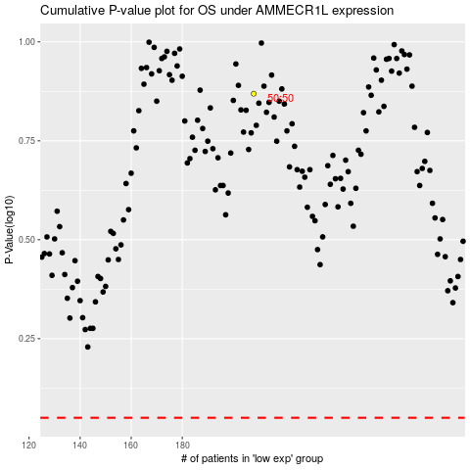

 |  |  |  |  |  | cases_OS | p_OS | rank | exp
 |  |  |  |  |  |  | cases_RFS | p_RFS | rank | exp

