AMPD2 _multivariate
Reported by Tex Li-Hsing Chi. tex@gate.sinica.edu.tw 2019-08-22

Table 2. The clinicopathological features of HNSCC cohort and AMPD2 expression. (Chi square test)
Cutoff at -0.043 (51.4%)
 |  | AMPD2 expression |  | AMPD2 expression |  | (Optimised)
 | Features | Low | (%) | High | (%) | Case no | P-value | Remark | Matthews
Gender | Female | 156 | 37.6 | 150 | 36.1 | 415 | 0.7729 | 0 | 0
2 | Male | 58 | 14 | 51 | 12.3
Age at diagnosis | <=65y | 143 | 34.5 | 131 | 31.6 | 415 | 0.8021 | 0 | 0
4 | >65y | 71 | 17.1 | 70 | 16.9
Clinical T Status | T1+T2 | 94 | 22.7 | 55 | 13.3 | 415 | 6e-04 | 1 | 0
6 | T3+T4 | 120 | 28.9 | 146 | 35.2
Clinical N Status | N0 | 117 | 28.2 | 99 | 23.9 | 415 | 0.3144 | 1 | 0
8 | N1-3 | 97 | 23.4 | 102 | 24.6
Clinical M Status | M0 | 211 | 50.8 | 201 | 48.4 | 415 | 0.2489 | 0 | 0
10 | M1 | 3 | 0.7 | 0 | 0
Clinical Stage | Stage I+II | 64 | 15.4 | 38 | 9.2 | 415 | 0.0129 | 1 | 0
12 | Stage III+IV | 150 | 36.1 | 163 | 39.3
Surgical Margin status | Negative | 161 | 38.8 | 157 | 37.8 | 415 | 0.5619 | 0 | 0
14 | Positive | 53 | 12.8 | 44 | 10.6
Tobacco Exposure | Low | 102 | 24.6 | 59 | 14.2 | 415 | 2e-04 | 1 | 0
16 | High | 112 | 27 | 142 | 34.2

Table 3. Univariate/Multivariate Cox's proportional hazards regression analyses on OS time of AMPD2 gene expression in HNSCC

 |  | Univariate |  |  |  | Multivariate
 | Features | HR | CI95%(L) | CI95%(H) | P-value | HR | CI95%(L) | CI95%(H) | P-value
1 | Female | 1 |  |  |  | 1
Gender | Male | 1.157 | 0.843 | 1.587 | 0.367 | 1.199 | 0.858 | 1.675 | 0.287
11 | <=65y | 1 |  |  |  | 1
Age at diagnosis | >65y | 1.329 | 0.99 | 1.784 | 0.058 | 1.382 | 1.015 | 1.88 | 0.04
12 | T1+T2 | 1 |  |  |  | 1
Clinical T Status | T3+T4 | 1.409 | 1.028 | 1.931 | 0.033 | 2.127 | 1.124 | 4.023 | 0.02
13 | N0 | 1 |  |  |  | 1
Clinical N Status | N1-3 | 1.185 | 0.89 | 1.577 | 0.246 | 1.229 | 0.861 | 1.755 | 0.257
14 | M0 | 1 |  |  |  | 1
Clinical M Status | M1 | 4.097 | 1.009 | 16.644 | 0.049 | 10.285 | 2.233 | 47.367 | 0.003
15 | Stage I+II | 1 |  |  |  | 1
Clinical Stage | Stage III+IV | 1.245 | 0.882 | 1.759 | 0.213 | 0.517 | 0.241 | 1.109 | 0.09
16 | Negative | 1 |  |  |  | 1
Surgical Margin status | Positive | 1.591 | 1.155 | 2.191 | 0.004 | 1.666 | 1.206 | 2.3 | 0.002
17 | Low | 1 |  |  |  | 1
Tobacco Exposure | High | 1.364 | 1.008 | 1.844 | 0.044 | 1.392 | 1.005 | 1.926 | 0.046
18 | Low | 1 |  |  |  | 1
RNAseq(z-score) | High | 1.353 | 1.015 | 1.803 | 0.039 | 1.252 | 0.932 | 1.684 | 0.136

Table 4. Univariate/Multivariate Cox's proportional hazards regression analyses on RFS time of AMPD2 gene expression in HNSCC

 |  | Univariate |  |  |  | Multivariate
 | Features | HR | CI95%(L) | CI95%(H) | P-value | HR | CI95%(L) | CI95%(H) | P-value
1 | Female | 1 |  |  |  | 1
Gender | Male | 1.157 | 0.843 | 1.587 | 0.367 | 1.199 | 0.858 | 1.675 | 0.287
11 | <=65y | 1 |  |  |  | 1
Age at diagnosis | >65y | 1.329 | 0.99 | 1.784 | 0.058 | 1.382 | 1.015 | 1.88 | 0.04
12 | T1+T2 | 1 |  |  |  | 1
Clinical T Status | T3+T4 | 1.409 | 1.028 | 1.931 | 0.033 | 2.127 | 1.124 | 4.023 | 0.02
13 | N0 | 1 |  |  |  | 1
Clinical N Status | N1-3 | 1.185 | 0.89 | 1.577 | 0.246 | 1.229 | 0.861 | 1.755 | 0.257
14 | M0 | 1 |  |  |  | 1
Clinical M Status | M1 | 4.097 | 1.009 | 16.644 | 0.049 | 10.285 | 2.233 | 47.367 | 0.003
15 | Stage I+II | 1 |  |  |  | 1
Clinical Stage | Stage III+IV | 1.245 | 0.882 | 1.759 | 0.213 | 0.517 | 0.241 | 1.109 | 0.09
16 | Negative | 1 |  |  |  | 1
Surgical Margin status | Positive | 1.591 | 1.155 | 2.191 | 0.004 | 1.666 | 1.206 | 2.3 | 0.002
17 | Low | 1 |  |  |  | 1
Tobacco Exposure | High | 1.364 | 1.008 | 1.844 | 0.044 | 1.392 | 1.005 | 1.926 | 0.046
18 | Low | 1 |  |  |  | 1
RNAseq(z-score) | High | 1.353 | 1.015 | 1.803 | 0.039 | 1.252 | 0.932 | 1.684 | 0.136

Kaplan-Meier survival estimate: Cutoff at -0.043 (51.4%)



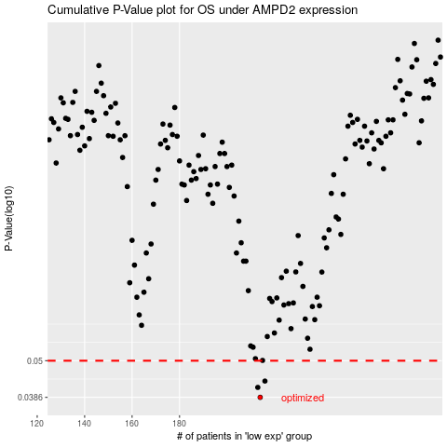

 |  |  |  |  |  | cases_OS | p_OS | rank | exp
 |  |  |  |  |  | 214 | 0.0386 | 54 | -0.043285923746
 |  |  |  |  |  | 213 | 0.0414 | 146 | -0.050252369229
 |  |  |  |  |  | 216 | 0.0433 | 289 | -0.033274342724
 |  |  |  |  |  |  | cases_RFS | p_RFS | rank | exp
 |  |  |  |  |  |  | 213 | 0.0386 | 146 | -0.050252369229
 |  |  |  |  |  |  | 212 | 0.0414 | 365 | -0.054039676026
 |  |  |  |  |  |  | 215 | 0.0433 | 320 | -0.036662503406

