AMTN _multivariate
Reported by Tex Li-Hsing Chi. tex@gate.sinica.edu.tw 2019-08-22

Table 2. The clinicopathological features of HNSCC cohort and AMTN expression. (Chi square test)
Cutoff at -0.214 (50.0%)
 |  | AMTN expression |  | AMTN expression |  | (Optimised)
 | Features | Low | (%) | High | (%) | Case no | P-value | Remark | Matthews
Gender | Female | 161 | 38.8 | 145 | 34.9 | 415 | 0.0792 | 0 | 0
2 | Male | 46 | 11.1 | 63 | 15.2
Age at diagnosis | <=65y | 139 | 33.5 | 135 | 32.5 | 415 | 0.7044 | 0 | 0
4 | >65y | 68 | 16.4 | 73 | 17.6
Clinical T Status | T1+T2 | 68 | 16.4 | 81 | 19.5 | 415 | 0.2336 | 0 | 0
6 | T3+T4 | 139 | 33.5 | 127 | 30.6
Clinical N Status | N0 | 103 | 24.8 | 113 | 27.2 | 415 | 0.4047 | 0 | 0
8 | N1-3 | 104 | 25.1 | 95 | 22.9
Clinical M Status | M0 | 205 | 49.4 | 207 | 49.9 | 415 | 0.6232 | 0 | 0
10 | M1 | 2 | 0.5 | 1 | 0.2
Clinical Stage | Stage I+II | 46 | 11.1 | 56 | 13.5 | 415 | 0.3182 | 0 | 0
12 | Stage III+IV | 161 | 38.8 | 152 | 36.6
Surgical Margin status | Negative | 153 | 36.9 | 165 | 39.8 | 415 | 0.2036 | 0 | 0
14 | Positive | 54 | 13 | 43 | 10.4
Tobacco Exposure | Low | 76 | 18.3 | 85 | 20.5 | 415 | 0.4207 | 0 | 0
16 | High | 131 | 31.6 | 123 | 29.6

Table 3. Univariate/Multivariate Cox's proportional hazards regression analyses on OS time of AMTN gene expression in HNSCC

 |  | Univariate |  |  |  | Multivariate
 | Features | HR | CI95%(L) | CI95%(H) | P-value | HR | CI95%(L) | CI95%(H) | P-value
1 | Female | 1 |  |  |  | 1
Gender | Male | 1.157 | 0.843 | 1.587 | 0.367 | 1.204 | 0.861 | 1.684 | 0.278
11 | <=65y | 1 |  |  |  | 1
Age at diagnosis | >65y | 1.329 | 0.99 | 1.784 | 0.058 | 1.384 | 1.018 | 1.883 | 0.038
12 | T1+T2 | 1 |  |  |  | 1
Clinical T Status | T3+T4 | 1.409 | 1.028 | 1.931 | 0.033 | 2.188 | 1.157 | 4.138 | 0.016
13 | N0 | 1 |  |  |  | 1
Clinical N Status | N1-3 | 1.185 | 0.89 | 1.577 | 0.246 | 1.244 | 0.871 | 1.776 | 0.23
14 | M0 | 1 |  |  |  | 1
Clinical M Status | M1 | 4.097 | 1.009 | 16.644 | 0.049 | 9.269 | 2.021 | 42.499 | 0.004
15 | Stage I+II | 1 |  |  |  | 1
Clinical Stage | Stage III+IV | 1.245 | 0.882 | 1.759 | 0.213 | 0.504 | 0.235 | 1.082 | 0.079
16 | Negative | 1 |  |  |  | 1
Surgical Margin status | Positive | 1.591 | 1.155 | 2.191 | 0.004 | 1.669 | 1.208 | 2.306 | 0.002
17 | Low | 1 |  |  |  | 1
Tobacco Exposure | High | 1.364 | 1.008 | 1.844 | 0.044 | 1.457 | 1.057 | 2.009 | 0.022
18 | Low | 1 |  |  |  | 1
RNAseq(z-score) | High | 0.874 | 0.656 | 1.164 | 0.357 | 0.893 | 0.67 | 1.19 | 0.439

Table 4. Univariate/Multivariate Cox's proportional hazards regression analyses on RFS time of AMTN gene expression in HNSCC

 |  | Univariate |  |  |  | Multivariate
 | Features | HR | CI95%(L) | CI95%(H) | P-value | HR | CI95%(L) | CI95%(H) | P-value
1 | Female | 1 |  |  |  | 1
Gender | Male | 1.157 | 0.843 | 1.587 | 0.367 | 1.204 | 0.861 | 1.684 | 0.278
11 | <=65y | 1 |  |  |  | 1
Age at diagnosis | >65y | 1.329 | 0.99 | 1.784 | 0.058 | 1.384 | 1.018 | 1.883 | 0.038
12 | T1+T2 | 1 |  |  |  | 1
Clinical T Status | T3+T4 | 1.409 | 1.028 | 1.931 | 0.033 | 2.188 | 1.157 | 4.138 | 0.016
13 | N0 | 1 |  |  |  | 1
Clinical N Status | N1-3 | 1.185 | 0.89 | 1.577 | 0.246 | 1.244 | 0.871 | 1.776 | 0.23
14 | M0 | 1 |  |  |  | 1
Clinical M Status | M1 | 4.097 | 1.009 | 16.644 | 0.049 | 9.269 | 2.021 | 42.499 | 0.004
15 | Stage I+II | 1 |  |  |  | 1
Clinical Stage | Stage III+IV | 1.245 | 0.882 | 1.759 | 0.213 | 0.504 | 0.235 | 1.082 | 0.079
16 | Negative | 1 |  |  |  | 1
Surgical Margin status | Positive | 1.591 | 1.155 | 2.191 | 0.004 | 1.669 | 1.208 | 2.306 | 0.002
17 | Low | 1 |  |  |  | 1
Tobacco Exposure | High | 1.364 | 1.008 | 1.844 | 0.044 | 1.457 | 1.057 | 2.009 | 0.022
18 | Low | 1 |  |  |  | 1
RNAseq(z-score) | High | 0.874 | 0.656 | 1.164 | 0.357 | 0.893 | 0.67 | 1.19 | 0.439

Kaplan-Meier survival estimate: Cutoff at -0.214 (50.0%)



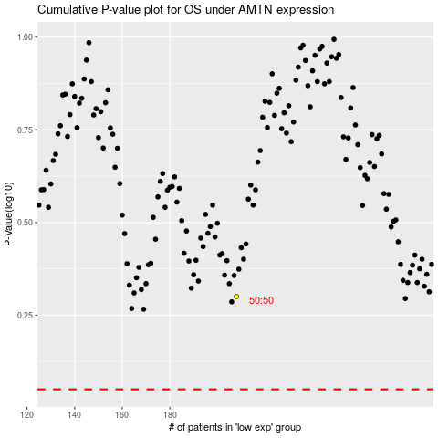

 |  |  |  |  |  | cases_OS | p_OS | rank | exp
 |  |  |  |  |  |  | cases_RFS | p_RFS | rank | exp

