AMZ1 _multivariate
Reported by Tex Li-Hsing Chi. tex@gate.sinica.edu.tw 2019-08-22

Table 2. The clinicopathological features of HNSCC cohort and AMZ1 expression. (Chi square test)
Cutoff at -0.235 (49.8%)
 |  | AMZ1 expression |  | AMZ1 expression |  | (Optimised)
 | Features | Low | (%) | High | (%) | Case no | P-value | Remark | Matthews
Gender | Female | 155 | 37.3 | 151 | 36.4 | 415 | 0.6768 | 0 | 0
2 | Male | 52 | 12.5 | 57 | 13.7
Age at diagnosis | <=65y | 138 | 33.3 | 136 | 32.8 | 415 | 0.8634 | 0 | 0
4 | >65y | 69 | 16.6 | 72 | 17.3
Clinical T Status | T1+T2 | 65 | 15.7 | 84 | 20.2 | 415 | 0.0711 | 0 | 0
6 | T3+T4 | 142 | 34.2 | 124 | 29.9
Clinical N Status | N0 | 116 | 28 | 100 | 24.1 | 415 | 0.1273 | 1 | 0
8 | N1-3 | 91 | 21.9 | 108 | 26
Clinical M Status | M0 | 204 | 49.2 | 208 | 50.1 | 415 | 0.1232 | 0 | 0
10 | M1 | 3 | 0.7 | 0 | 0
Clinical Stage | Stage I+II | 46 | 11.1 | 56 | 13.5 | 415 | 0.3182 | 0 | 0
12 | Stage III+IV | 161 | 38.8 | 152 | 36.6
Surgical Margin status | Negative | 154 | 37.1 | 164 | 39.5 | 415 | 0.2984 | 0 | 0
14 | Positive | 53 | 12.8 | 44 | 10.6
Tobacco Exposure | Low | 80 | 19.3 | 81 | 19.5 | 415 | 1 | 0 | 0
16 | High | 127 | 30.6 | 127 | 30.6

Table 3. Univariate/Multivariate Cox's proportional hazards regression analyses on OS time of AMZ1 gene expression in HNSCC

 |  | Univariate |  |  |  | Multivariate
 | Features | HR | CI95%(L) | CI95%(H) | P-value | HR | CI95%(L) | CI95%(H) | P-value
1 | Female | 1 |  |  |  | 1
Gender | Male | 1.157 | 0.843 | 1.587 | 0.367 | 1.197 | 0.857 | 1.671 | 0.292
11 | <=65y | 1 |  |  |  | 1
Age at diagnosis | >65y | 1.329 | 0.99 | 1.784 | 0.058 | 1.392 | 1.024 | 1.891 | 0.035
12 | T1+T2 | 1 |  |  |  | 1
Clinical T Status | T3+T4 | 1.409 | 1.028 | 1.931 | 0.033 | 2.175 | 1.15 | 4.114 | 0.017
13 | N0 | 1 |  |  |  | 1
Clinical N Status | N1-3 | 1.185 | 0.89 | 1.577 | 0.246 | 1.273 | 0.889 | 1.823 | 0.188
14 | M0 | 1 |  |  |  | 1
Clinical M Status | M1 | 4.097 | 1.009 | 16.644 | 0.049 | 8.607 | 1.857 | 39.893 | 0.006
15 | Stage I+II | 1 |  |  |  | 1
Clinical Stage | Stage III+IV | 1.245 | 0.882 | 1.759 | 0.213 | 0.499 | 0.233 | 1.071 | 0.074
16 | Negative | 1 |  |  |  | 1
Surgical Margin status | Positive | 1.591 | 1.155 | 2.191 | 0.004 | 1.666 | 1.205 | 2.302 | 0.002
17 | Low | 1 |  |  |  | 1
Tobacco Exposure | High | 1.364 | 1.008 | 1.844 | 0.044 | 1.45 | 1.052 | 1.999 | 0.023
18 | Low | 1 |  |  |  | 1
RNAseq(z-score) | High | 0.839 | 0.63 | 1.117 | 0.229 | 0.871 | 0.65 | 1.167 | 0.354

Table 4. Univariate/Multivariate Cox's proportional hazards regression analyses on RFS time of AMZ1 gene expression in HNSCC

 |  | Univariate |  |  |  | Multivariate
 | Features | HR | CI95%(L) | CI95%(H) | P-value | HR | CI95%(L) | CI95%(H) | P-value
1 | Female | 1 |  |  |  | 1
Gender | Male | 1.157 | 0.843 | 1.587 | 0.367 | 1.197 | 0.857 | 1.671 | 0.292
11 | <=65y | 1 |  |  |  | 1
Age at diagnosis | >65y | 1.329 | 0.99 | 1.784 | 0.058 | 1.392 | 1.024 | 1.891 | 0.035
12 | T1+T2 | 1 |  |  |  | 1
Clinical T Status | T3+T4 | 1.409 | 1.028 | 1.931 | 0.033 | 2.175 | 1.15 | 4.114 | 0.017
13 | N0 | 1 |  |  |  | 1
Clinical N Status | N1-3 | 1.185 | 0.89 | 1.577 | 0.246 | 1.273 | 0.889 | 1.823 | 0.188
14 | M0 | 1 |  |  |  | 1
Clinical M Status | M1 | 4.097 | 1.009 | 16.644 | 0.049 | 8.607 | 1.857 | 39.893 | 0.006
15 | Stage I+II | 1 |  |  |  | 1
Clinical Stage | Stage III+IV | 1.245 | 0.882 | 1.759 | 0.213 | 0.499 | 0.233 | 1.071 | 0.074
16 | Negative | 1 |  |  |  | 1
Surgical Margin status | Positive | 1.591 | 1.155 | 2.191 | 0.004 | 1.666 | 1.205 | 2.302 | 0.002
17 | Low | 1 |  |  |  | 1
Tobacco Exposure | High | 1.364 | 1.008 | 1.844 | 0.044 | 1.45 | 1.052 | 1.999 | 0.023
18 | Low | 1 |  |  |  | 1
RNAseq(z-score) | High | 0.839 | 0.63 | 1.117 | 0.229 | 0.871 | 0.65 | 1.167 | 0.354

Kaplan-Meier survival estimate: Cutoff at -0.235 (49.8%)



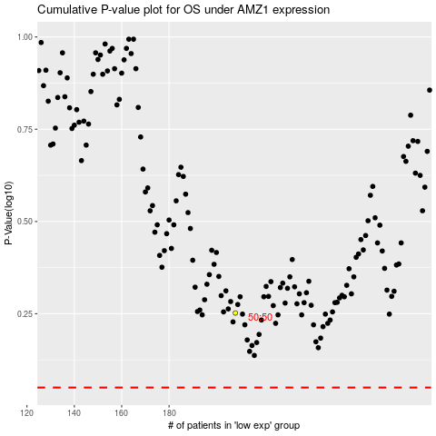

 |  |  |  |  |  | cases_OS | p_OS | rank | exp
 |  |  |  |  |  |  | cases_RFS | p_RFS | rank | exp

