ANAPC13 _multivariate
Reported by Tex Li-Hsing Chi. tex@gate.sinica.edu.tw 2019-08-22

Table 2. The clinicopathological features of HNSCC cohort and ANAPC13 expression. (Chi square test)
Cutoff at -0.145 (49.8%)
 |  | ANAPC13 expression |  | ANAPC13 expression |  | (Optimised)
 | Features | Low | (%) | High | (%) | Case no | P-value | Remark | Matthews
Gender | Female | 147 | 35.4 | 159 | 38.3 | 415 | 0.2523 | 0 | 0
2 | Male | 60 | 14.5 | 49 | 11.8
Age at diagnosis | <=65y | 130 | 31.3 | 144 | 34.7 | 415 | 0.2009 | 0 | 0
4 | >65y | 77 | 18.6 | 64 | 15.4
Clinical T Status | T1+T2 | 76 | 18.3 | 73 | 17.6 | 415 | 0.8092 | 0 | 0
6 | T3+T4 | 131 | 31.6 | 135 | 32.5
Clinical N Status | N0 | 100 | 24.1 | 116 | 28 | 415 | 0.1548 | 0 | 0
8 | N1-3 | 107 | 25.8 | 92 | 22.2
Clinical M Status | M0 | 204 | 49.2 | 208 | 50.1 | 415 | 0.1232 | 0 | 0
10 | M1 | 3 | 0.7 | 0 | 0
Clinical Stage | Stage I+II | 52 | 12.5 | 50 | 12 | 415 | 0.8871 | 0 | 0
12 | Stage III+IV | 155 | 37.3 | 158 | 38.1
Surgical Margin status | Negative | 164 | 39.5 | 154 | 37.1 | 415 | 0.2462 | 0 | 0
14 | Positive | 43 | 10.4 | 54 | 13
Tobacco Exposure | Low | 90 | 21.7 | 71 | 17.1 | 415 | 0.0559 | 0 | 0
16 | High | 117 | 28.2 | 137 | 33

Table 3. Univariate/Multivariate Cox's proportional hazards regression analyses on OS time of ANAPC13 gene expression in HNSCC

 |  | Univariate |  |  |  | Multivariate
 | Features | HR | CI95%(L) | CI95%(H) | P-value | HR | CI95%(L) | CI95%(H) | P-value
1 | Female | 1 |  |  |  | 1
Gender | Male | 1.157 | 0.843 | 1.587 | 0.367 | 1.203 | 0.861 | 1.681 | 0.279
11 | <=65y | 1 |  |  |  | 1
Age at diagnosis | >65y | 1.329 | 0.99 | 1.784 | 0.058 | 1.392 | 1.024 | 1.891 | 0.034
12 | T1+T2 | 1 |  |  |  | 1
Clinical T Status | T3+T4 | 1.409 | 1.028 | 1.931 | 0.033 | 2.223 | 1.175 | 4.205 | 0.014
13 | N0 | 1 |  |  |  | 1
Clinical N Status | N1-3 | 1.185 | 0.89 | 1.577 | 0.246 | 1.27 | 0.886 | 1.82 | 0.193
14 | M0 | 1 |  |  |  | 1
Clinical M Status | M1 | 4.097 | 1.009 | 16.644 | 0.049 | 9.953 | 2.156 | 45.937 | 0.003
15 | Stage I+II | 1 |  |  |  | 1
Clinical Stage | Stage III+IV | 1.245 | 0.882 | 1.759 | 0.213 | 0.501 | 0.233 | 1.075 | 0.076
16 | Negative | 1 |  |  |  | 1
Surgical Margin status | Positive | 1.591 | 1.155 | 2.191 | 0.004 | 1.641 | 1.183 | 2.275 | 0.003
17 | Low | 1 |  |  |  | 1
Tobacco Exposure | High | 1.364 | 1.008 | 1.844 | 0.044 | 1.427 | 1.032 | 1.972 | 0.031
18 | Low | 1 |  |  |  | 1
RNAseq(z-score) | High | 1.14 | 0.855 | 1.521 | 0.371 | 1.127 | 0.834 | 1.523 | 0.436

Table 4. Univariate/Multivariate Cox's proportional hazards regression analyses on RFS time of ANAPC13 gene expression in HNSCC

 |  | Univariate |  |  |  | Multivariate
 | Features | HR | CI95%(L) | CI95%(H) | P-value | HR | CI95%(L) | CI95%(H) | P-value
1 | Female | 1 |  |  |  | 1
Gender | Male | 1.157 | 0.843 | 1.587 | 0.367 | 1.203 | 0.861 | 1.681 | 0.279
11 | <=65y | 1 |  |  |  | 1
Age at diagnosis | >65y | 1.329 | 0.99 | 1.784 | 0.058 | 1.392 | 1.024 | 1.891 | 0.034
12 | T1+T2 | 1 |  |  |  | 1
Clinical T Status | T3+T4 | 1.409 | 1.028 | 1.931 | 0.033 | 2.223 | 1.175 | 4.205 | 0.014
13 | N0 | 1 |  |  |  | 1
Clinical N Status | N1-3 | 1.185 | 0.89 | 1.577 | 0.246 | 1.27 | 0.886 | 1.82 | 0.193
14 | M0 | 1 |  |  |  | 1
Clinical M Status | M1 | 4.097 | 1.009 | 16.644 | 0.049 | 9.953 | 2.156 | 45.937 | 0.003
15 | Stage I+II | 1 |  |  |  | 1
Clinical Stage | Stage III+IV | 1.245 | 0.882 | 1.759 | 0.213 | 0.501 | 0.233 | 1.075 | 0.076
16 | Negative | 1 |  |  |  | 1
Surgical Margin status | Positive | 1.591 | 1.155 | 2.191 | 0.004 | 1.641 | 1.183 | 2.275 | 0.003
17 | Low | 1 |  |  |  | 1
Tobacco Exposure | High | 1.364 | 1.008 | 1.844 | 0.044 | 1.427 | 1.032 | 1.972 | 0.031
18 | Low | 1 |  |  |  | 1
RNAseq(z-score) | High | 1.14 | 0.855 | 1.521 | 0.371 | 1.127 | 0.834 | 1.523 | 0.436

Kaplan-Meier survival estimate: Cutoff at -0.145 (49.8%)



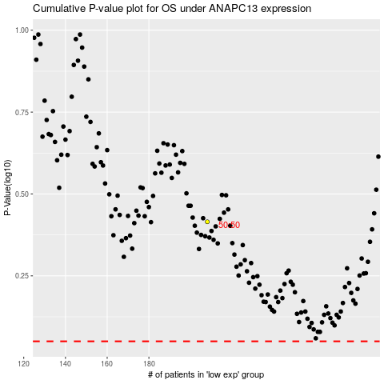

 |  |  |  |  |  | cases_OS | p_OS | rank | exp
 |  |  |  |  |  |  | cases_RFS | p_RFS | rank | exp

