ANAPC16 _multivariate
Reported by Tex Li-Hsing Chi. tex@gate.sinica.edu.tw 2019-08-22

Table 2. The clinicopathological features of HNSCC cohort and ANAPC16 expression. (Chi square test)
Cutoff at -0.322 (49.8%)
 |  | ANAPC16 expression |  | ANAPC16 expression |  | (Optimised)
 | Features | Low | (%) | High | (%) | Case no | P-value | Remark | Matthews
Gender | Female | 148 | 35.7 | 158 | 38.1 | 415 | 0.3567 | 0 | 0
2 | Male | 59 | 14.2 | 50 | 12
Age at diagnosis | <=65y | 133 | 32 | 141 | 34 | 415 | 0.5111 | 0 | 0
4 | >65y | 74 | 17.8 | 67 | 16.1
Clinical T Status | T1+T2 | 71 | 17.1 | 78 | 18.8 | 415 | 0.5638 | 0 | 0
6 | T3+T4 | 136 | 32.8 | 130 | 31.3
Clinical N Status | N0 | 116 | 28 | 100 | 24.1 | 415 | 0.1273 | 1 | 0
8 | N1-3 | 91 | 21.9 | 108 | 26
Clinical M Status | M0 | 206 | 49.6 | 206 | 49.6 | 415 | 1 | 0 | 0
10 | M1 | 1 | 0.2 | 2 | 0.5
Clinical Stage | Stage I+II | 52 | 12.5 | 50 | 12 | 415 | 0.8871 | 0 | 0
12 | Stage III+IV | 155 | 37.3 | 158 | 38.1
Surgical Margin status | Negative | 167 | 40.2 | 151 | 36.4 | 415 | 0.0632 | 0 | 0
14 | Positive | 40 | 9.6 | 57 | 13.7
Tobacco Exposure | Low | 82 | 19.8 | 79 | 19 | 415 | 0.763 | 0 | 0
16 | High | 125 | 30.1 | 129 | 31.1

Table 3. Univariate/Multivariate Cox's proportional hazards regression analyses on OS time of ANAPC16 gene expression in HNSCC

 |  | Univariate |  |  |  | Multivariate
 | Features | HR | CI95%(L) | CI95%(H) | P-value | HR | CI95%(L) | CI95%(H) | P-value
1 | Female | 1 |  |  |  | 1
Gender | Male | 1.157 | 0.843 | 1.587 | 0.367 | 1.181 | 0.846 | 1.65 | 0.329
11 | <=65y | 1 |  |  |  | 1
Age at diagnosis | >65y | 1.329 | 0.99 | 1.784 | 0.058 | 1.417 | 1.042 | 1.927 | 0.026
12 | T1+T2 | 1 |  |  |  | 1
Clinical T Status | T3+T4 | 1.409 | 1.028 | 1.931 | 0.033 | 2.227 | 1.177 | 4.211 | 0.014
13 | N0 | 1 |  |  |  | 1
Clinical N Status | N1-3 | 1.185 | 0.89 | 1.577 | 0.246 | 1.21 | 0.847 | 1.731 | 0.295
14 | M0 | 1 |  |  |  | 1
Clinical M Status | M1 | 4.097 | 1.009 | 16.644 | 0.049 | 9.369 | 2.044 | 42.948 | 0.004
15 | Stage I+II | 1 |  |  |  | 1
Clinical Stage | Stage III+IV | 1.245 | 0.882 | 1.759 | 0.213 | 0.505 | 0.236 | 1.085 | 0.08
16 | Negative | 1 |  |  |  | 1
Surgical Margin status | Positive | 1.591 | 1.155 | 2.191 | 0.004 | 1.623 | 1.172 | 2.248 | 0.004
17 | Low | 1 |  |  |  | 1
Tobacco Exposure | High | 1.364 | 1.008 | 1.844 | 0.044 | 1.441 | 1.047 | 1.983 | 0.025
18 | Low | 1 |  |  |  | 1
RNAseq(z-score) | High | 1.264 | 0.949 | 1.685 | 0.11 | 1.236 | 0.921 | 1.658 | 0.157

Table 4. Univariate/Multivariate Cox's proportional hazards regression analyses on RFS time of ANAPC16 gene expression in HNSCC

 |  | Univariate |  |  |  | Multivariate
 | Features | HR | CI95%(L) | CI95%(H) | P-value | HR | CI95%(L) | CI95%(H) | P-value
1 | Female | 1 |  |  |  | 1
Gender | Male | 1.157 | 0.843 | 1.587 | 0.367 | 1.181 | 0.846 | 1.65 | 0.329
11 | <=65y | 1 |  |  |  | 1
Age at diagnosis | >65y | 1.329 | 0.99 | 1.784 | 0.058 | 1.417 | 1.042 | 1.927 | 0.026
12 | T1+T2 | 1 |  |  |  | 1
Clinical T Status | T3+T4 | 1.409 | 1.028 | 1.931 | 0.033 | 2.227 | 1.177 | 4.211 | 0.014
13 | N0 | 1 |  |  |  | 1
Clinical N Status | N1-3 | 1.185 | 0.89 | 1.577 | 0.246 | 1.21 | 0.847 | 1.731 | 0.295
14 | M0 | 1 |  |  |  | 1
Clinical M Status | M1 | 4.097 | 1.009 | 16.644 | 0.049 | 9.369 | 2.044 | 42.948 | 0.004
15 | Stage I+II | 1 |  |  |  | 1
Clinical Stage | Stage III+IV | 1.245 | 0.882 | 1.759 | 0.213 | 0.505 | 0.236 | 1.085 | 0.08
16 | Negative | 1 |  |  |  | 1
Surgical Margin status | Positive | 1.591 | 1.155 | 2.191 | 0.004 | 1.623 | 1.172 | 2.248 | 0.004
17 | Low | 1 |  |  |  | 1
Tobacco Exposure | High | 1.364 | 1.008 | 1.844 | 0.044 | 1.441 | 1.047 | 1.983 | 0.025
18 | Low | 1 |  |  |  | 1
RNAseq(z-score) | High | 1.264 | 0.949 | 1.685 | 0.11 | 1.236 | 0.921 | 1.658 | 0.157

Kaplan-Meier survival estimate: Cutoff at -0.322 (49.8%)



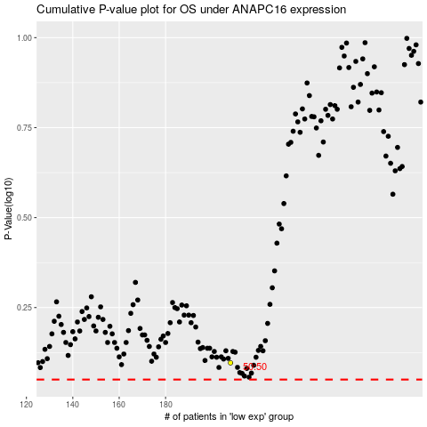

 |  |  |  |  |  | cases_OS | p_OS | rank | exp
 |  |  |  |  |  |  | cases_RFS | p_RFS | rank | exp

