ANAPC5 _multivariate
Reported by Tex Li-Hsing Chi. tex@gate.sinica.edu.tw 2019-08-22

Table 2. The clinicopathological features of HNSCC cohort and ANAPC5 expression. (Chi square test)
Cutoff at -0.328 (42.0%)
 |  | ANAPC5 expression |  | ANAPC5 expression |  | (Optimised)
 | Features | Low | (%) | High | (%) | Case no | P-value | Remark | Matthews
Gender | Female | 120 | 28.9 | 186 | 44.8 | 415 | 0.0779 | 0 | 0
2 | Male | 54 | 13 | 55 | 13.3
Age at diagnosis | <=65y | 117 | 28.2 | 157 | 37.8 | 415 | 0.734 | 0 | 0
4 | >65y | 57 | 13.7 | 84 | 20.2
Clinical T Status | T1+T2 | 63 | 15.2 | 86 | 20.7 | 415 | 0.9954 | 0 | 0
6 | T3+T4 | 111 | 26.7 | 155 | 37.3
Clinical N Status | N0 | 86 | 20.7 | 130 | 31.3 | 415 | 0.4184 | 0 | 0
8 | N1-3 | 88 | 21.2 | 111 | 26.7
Clinical M Status | M0 | 173 | 41.7 | 239 | 57.6 | 415 | 1 | 0 | 0
10 | M1 | 1 | 0.2 | 2 | 0.5
Clinical Stage | Stage I+II | 46 | 11.1 | 56 | 13.5 | 415 | 0.5276 | 0 | 0
12 | Stage III+IV | 128 | 30.8 | 185 | 44.6
Surgical Margin status | Negative | 135 | 32.5 | 183 | 44.1 | 415 | 0.7255 | 0 | 0
14 | Positive | 39 | 9.4 | 58 | 14
Tobacco Exposure | Low | 79 | 19 | 82 | 19.8 | 415 | 0.0246 | 1 | 0
16 | High | 95 | 22.9 | 159 | 38.3

Table 3. Univariate/Multivariate Cox's proportional hazards regression analyses on OS time of ANAPC5 gene expression in HNSCC

 |  | Univariate |  |  |  | Multivariate
 | Features | HR | CI95%(L) | CI95%(H) | P-value | HR | CI95%(L) | CI95%(H) | P-value
1 | Female | 1 |  |  |  | 1
Gender | Male | 1.157 | 0.843 | 1.587 | 0.367 | 1.154 | 0.824 | 1.616 | 0.405
11 | <=65y | 1 |  |  |  | 1
Age at diagnosis | >65y | 1.329 | 0.99 | 1.784 | 0.058 | 1.43 | 1.052 | 1.943 | 0.022
12 | T1+T2 | 1 |  |  |  | 1
Clinical T Status | T3+T4 | 1.409 | 1.028 | 1.931 | 0.033 | 2.147 | 1.135 | 4.06 | 0.019
13 | N0 | 1 |  |  |  | 1
Clinical N Status | N1-3 | 1.185 | 0.89 | 1.577 | 0.246 | 1.202 | 0.843 | 1.716 | 0.31
14 | M0 | 1 |  |  |  | 1
Clinical M Status | M1 | 4.097 | 1.009 | 16.644 | 0.049 | 9.309 | 2.03 | 42.69 | 0.004
15 | Stage I+II | 1 |  |  |  | 1
Clinical Stage | Stage III+IV | 1.245 | 0.882 | 1.759 | 0.213 | 0.528 | 0.246 | 1.135 | 0.102
16 | Negative | 1 |  |  |  | 1
Surgical Margin status | Positive | 1.591 | 1.155 | 2.191 | 0.004 | 1.689 | 1.222 | 2.334 | 0.002
17 | Low | 1 |  |  |  | 1
Tobacco Exposure | High | 1.364 | 1.008 | 1.844 | 0.044 | 1.559 | 1.125 | 2.159 | 0.008
18 | Low | 1 |  |  |  | 1
RNAseq(z-score) | High | 0.739 | 0.554 | 0.985 | 0.039 | 0.692 | 0.514 | 0.931 | 0.015

Table 4. Univariate/Multivariate Cox's proportional hazards regression analyses on RFS time of ANAPC5 gene expression in HNSCC

 |  | Univariate |  |  |  | Multivariate
 | Features | HR | CI95%(L) | CI95%(H) | P-value | HR | CI95%(L) | CI95%(H) | P-value
1 | Female | 1 |  |  |  | 1
Gender | Male | 1.157 | 0.843 | 1.587 | 0.367 | 1.154 | 0.824 | 1.616 | 0.405
11 | <=65y | 1 |  |  |  | 1
Age at diagnosis | >65y | 1.329 | 0.99 | 1.784 | 0.058 | 1.43 | 1.052 | 1.943 | 0.022
12 | T1+T2 | 1 |  |  |  | 1
Clinical T Status | T3+T4 | 1.409 | 1.028 | 1.931 | 0.033 | 2.147 | 1.135 | 4.06 | 0.019
13 | N0 | 1 |  |  |  | 1
Clinical N Status | N1-3 | 1.185 | 0.89 | 1.577 | 0.246 | 1.202 | 0.843 | 1.716 | 0.31
14 | M0 | 1 |  |  |  | 1
Clinical M Status | M1 | 4.097 | 1.009 | 16.644 | 0.049 | 9.309 | 2.03 | 42.69 | 0.004
15 | Stage I+II | 1 |  |  |  | 1
Clinical Stage | Stage III+IV | 1.245 | 0.882 | 1.759 | 0.213 | 0.528 | 0.246 | 1.135 | 0.102
16 | Negative | 1 |  |  |  | 1
Surgical Margin status | Positive | 1.591 | 1.155 | 2.191 | 0.004 | 1.689 | 1.222 | 2.334 | 0.002
17 | Low | 1 |  |  |  | 1
Tobacco Exposure | High | 1.364 | 1.008 | 1.844 | 0.044 | 1.559 | 1.125 | 2.159 | 0.008
18 | Low | 1 |  |  |  | 1
RNAseq(z-score) | High | 0.739 | 0.554 | 0.985 | 0.039 | 0.692 | 0.514 | 0.931 | 0.015

Kaplan-Meier survival estimate: Cutoff at -0.328 (42.0%)



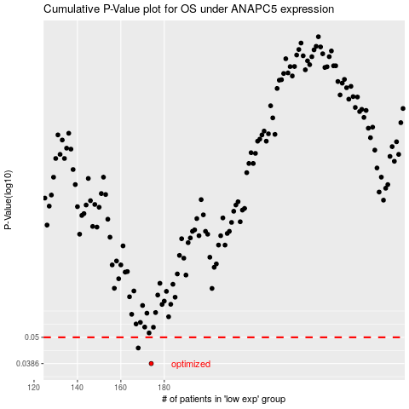

 |  |  |  |  |  | cases_OS | p_OS | rank | exp
 |  |  |  |  |  | 174 | 0.0386 | 131 | -0.32838591264
 |  |  |  |  |  | 168 | 0.045 | 109 | -0.36228297318
 |  |  |  |  |  |  | cases_RFS | p_RFS | rank | exp
 |  |  |  |  |  |  | 173 | 0.0386 | 296 | -0.33031027166
 |  |  |  |  |  |  | 167 | 0.045 | 92 | -0.3823934018

