ANAPC7 _multivariate
Reported by Tex Li-Hsing Chi. tex@gate.sinica.edu.tw 2019-08-22

Table 2. The clinicopathological features of HNSCC cohort and ANAPC7 expression. (Chi square test)
Cutoff at -0.516 (32.6%)
 |  | ANAPC7 expression |  | ANAPC7 expression |  | (Optimised)
 | Features | Low | (%) | High | (%) | Case no | P-value | Remark | Matthews
Gender | Female | 90 | 21.7 | 216 | 52 | 415 | 0.0201 | 1 | 0
2 | Male | 46 | 11.1 | 63 | 15.2
Age at diagnosis | <=65y | 88 | 21.2 | 186 | 44.8 | 415 | 0.7753 | 0 | 0
4 | >65y | 48 | 11.6 | 93 | 22.4
Clinical T Status | T1+T2 | 46 | 11.1 | 103 | 24.8 | 415 | 0.6117 | 0 | 0
6 | T3+T4 | 90 | 21.7 | 176 | 42.4
Clinical N Status | N0 | 71 | 17.1 | 145 | 34.9 | 415 | 1 | 0 | 0
8 | N1-3 | 65 | 15.7 | 134 | 32.3
Clinical M Status | M0 | 136 | 32.8 | 276 | 66.5 | 415 | 0.554 | 0 | 0
10 | M1 | 0 | 0 | 3 | 0.7
Clinical Stage | Stage I+II | 34 | 8.2 | 68 | 16.4 | 415 | 0.9858 | 0 | 0
12 | Stage III+IV | 102 | 24.6 | 211 | 50.8
Surgical Margin status | Negative | 102 | 24.6 | 216 | 52 | 415 | 0.6217 | 0 | 0
14 | Positive | 34 | 8.2 | 63 | 15.2
Tobacco Exposure | Low | 57 | 13.7 | 104 | 25.1 | 415 | 0.3912 | 0 | 0
16 | High | 79 | 19 | 175 | 42.2

Table 3. Univariate/Multivariate Cox's proportional hazards regression analyses on OS time of ANAPC7 gene expression in HNSCC

 |  | Univariate |  |  |  | Multivariate
 | Features | HR | CI95%(L) | CI95%(H) | P-value | HR | CI95%(L) | CI95%(H) | P-value
1 | Female | 1 |  |  |  | 1
Gender | Male | 1.157 | 0.843 | 1.587 | 0.367 | 1.151 | 0.823 | 1.609 | 0.411
11 | <=65y | 1 |  |  |  | 1
Age at diagnosis | >65y | 1.329 | 0.99 | 1.784 | 0.058 | 1.415 | 1.039 | 1.926 | 0.027
12 | T1+T2 | 1 |  |  |  | 1
Clinical T Status | T3+T4 | 1.409 | 1.028 | 1.931 | 0.033 | 2.11 | 1.114 | 3.996 | 0.022
13 | N0 | 1 |  |  |  | 1
Clinical N Status | N1-3 | 1.185 | 0.89 | 1.577 | 0.246 | 1.243 | 0.871 | 1.773 | 0.231
14 | M0 | 1 |  |  |  | 1
Clinical M Status | M1 | 4.097 | 1.009 | 16.644 | 0.049 | 9.969 | 2.173 | 45.736 | 0.003
15 | Stage I+II | 1 |  |  |  | 1
Clinical Stage | Stage III+IV | 1.245 | 0.882 | 1.759 | 0.213 | 0.528 | 0.245 | 1.134 | 0.102
16 | Negative | 1 |  |  |  | 1
Surgical Margin status | Positive | 1.591 | 1.155 | 2.191 | 0.004 | 1.654 | 1.197 | 2.285 | 0.002
17 | Low | 1 |  |  |  | 1
Tobacco Exposure | High | 1.364 | 1.008 | 1.844 | 0.044 | 1.467 | 1.065 | 2.019 | 0.019
18 | Low | 1 |  |  |  | 1
RNAseq(z-score) | High | 0.742 | 0.553 | 0.996 | 0.047 | 0.743 | 0.55 | 1.004 | 0.053

Table 4. Univariate/Multivariate Cox's proportional hazards regression analyses on RFS time of ANAPC7 gene expression in HNSCC

 |  | Univariate |  |  |  | Multivariate
 | Features | HR | CI95%(L) | CI95%(H) | P-value | HR | CI95%(L) | CI95%(H) | P-value
1 | Female | 1 |  |  |  | 1
Gender | Male | 1.157 | 0.843 | 1.587 | 0.367 | 1.151 | 0.823 | 1.609 | 0.411
11 | <=65y | 1 |  |  |  | 1
Age at diagnosis | >65y | 1.329 | 0.99 | 1.784 | 0.058 | 1.415 | 1.039 | 1.926 | 0.027
12 | T1+T2 | 1 |  |  |  | 1
Clinical T Status | T3+T4 | 1.409 | 1.028 | 1.931 | 0.033 | 2.11 | 1.114 | 3.996 | 0.022
13 | N0 | 1 |  |  |  | 1
Clinical N Status | N1-3 | 1.185 | 0.89 | 1.577 | 0.246 | 1.243 | 0.871 | 1.773 | 0.231
14 | M0 | 1 |  |  |  | 1
Clinical M Status | M1 | 4.097 | 1.009 | 16.644 | 0.049 | 9.969 | 2.173 | 45.736 | 0.003
15 | Stage I+II | 1 |  |  |  | 1
Clinical Stage | Stage III+IV | 1.245 | 0.882 | 1.759 | 0.213 | 0.528 | 0.245 | 1.134 | 0.102
16 | Negative | 1 |  |  |  | 1
Surgical Margin status | Positive | 1.591 | 1.155 | 2.191 | 0.004 | 1.654 | 1.197 | 2.285 | 0.002
17 | Low | 1 |  |  |  | 1
Tobacco Exposure | High | 1.364 | 1.008 | 1.844 | 0.044 | 1.467 | 1.065 | 2.019 | 0.019
18 | Low | 1 |  |  |  | 1
RNAseq(z-score) | High | 0.742 | 0.553 | 0.996 | 0.047 | 0.743 | 0.55 | 1.004 | 0.053

Kaplan-Meier survival estimate: Cutoff at -0.516 (32.6%)



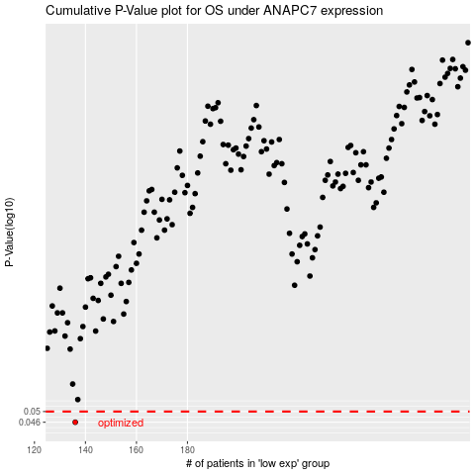

 |  |  |  |  |  | cases_OS | p_OS | rank | exp
 |  |  |  |  |  | 136 | 0.046 | 337 | -0.51631043554
 |  |  |  |  |  |  | cases_RFS | p_RFS | rank | exp
 |  |  |  |  |  |  | 135 | 0.046 | 308 | -0.51751730622

