ANG _multivariate
Reported by Tex Li-Hsing Chi. tex@gate.sinica.edu.tw 2019-08-22

Table 2. The clinicopathological features of HNSCC cohort and ANG expression. (Chi square test)
Cutoff at -0.323 (49.8%)
 |  | ANG expression |  | ANG expression |  | (Optimised)
 | Features | Low | (%) | High | (%) | Case no | P-value | Remark | Matthews
Gender | Female | 153 | 36.9 | 153 | 36.9 | 415 | 1 | 0 | 0
2 | Male | 54 | 13 | 55 | 13.3
Age at diagnosis | <=65y | 141 | 34 | 133 | 32 | 415 | 0.4272 | 0 | 0
4 | >65y | 66 | 15.9 | 75 | 18.1
Clinical T Status | T1+T2 | 82 | 19.8 | 67 | 16.1 | 415 | 0.1417 | 0 | 0
6 | T3+T4 | 125 | 30.1 | 141 | 34
Clinical N Status | N0 | 114 | 27.5 | 102 | 24.6 | 415 | 0.2576 | 1 | 0
8 | N1-3 | 93 | 22.4 | 106 | 25.5
Clinical M Status | M0 | 206 | 49.6 | 206 | 49.6 | 415 | 1 | 0 | 0
10 | M1 | 1 | 0.2 | 2 | 0.5
Clinical Stage | Stage I+II | 56 | 13.5 | 46 | 11.1 | 415 | 0.2918 | 0 | 0
12 | Stage III+IV | 151 | 36.4 | 162 | 39
Surgical Margin status | Negative | 161 | 38.8 | 157 | 37.8 | 415 | 0.6429 | 0 | 0
14 | Positive | 46 | 11.1 | 51 | 12.3
Tobacco Exposure | Low | 86 | 20.7 | 75 | 18.1 | 415 | 0.2687 | 0 | 0
16 | High | 121 | 29.2 | 133 | 32

Table 3. Univariate/Multivariate Cox's proportional hazards regression analyses on OS time of ANG gene expression in HNSCC

 |  | Univariate |  |  |  | Multivariate
 | Features | HR | CI95%(L) | CI95%(H) | P-value | HR | CI95%(L) | CI95%(H) | P-value
1 | Female | 1 |  |  |  | 1
Gender | Male | 1.157 | 0.843 | 1.587 | 0.367 | 1.196 | 0.857 | 1.67 | 0.293
11 | <=65y | 1 |  |  |  | 1
Age at diagnosis | >65y | 1.329 | 0.99 | 1.784 | 0.058 | 1.369 | 1.006 | 1.863 | 0.046
12 | T1+T2 | 1 |  |  |  | 1
Clinical T Status | T3+T4 | 1.409 | 1.028 | 1.931 | 0.033 | 2.167 | 1.145 | 4.1 | 0.017
13 | N0 | 1 |  |  |  | 1
Clinical N Status | N1-3 | 1.185 | 0.89 | 1.577 | 0.246 | 1.234 | 0.865 | 1.761 | 0.246
14 | M0 | 1 |  |  |  | 1
Clinical M Status | M1 | 4.097 | 1.009 | 16.644 | 0.049 | 9.185 | 2.002 | 42.138 | 0.004
15 | Stage I+II | 1 |  |  |  | 1
Clinical Stage | Stage III+IV | 1.245 | 0.882 | 1.759 | 0.213 | 0.503 | 0.235 | 1.078 | 0.077
16 | Negative | 1 |  |  |  | 1
Surgical Margin status | Positive | 1.591 | 1.155 | 2.191 | 0.004 | 1.666 | 1.206 | 2.303 | 0.002
17 | Low | 1 |  |  |  | 1
Tobacco Exposure | High | 1.364 | 1.008 | 1.844 | 0.044 | 1.447 | 1.051 | 1.993 | 0.024
18 | Low | 1 |  |  |  | 1
RNAseq(z-score) | High | 1.254 | 0.941 | 1.672 | 0.122 | 1.164 | 0.87 | 1.558 | 0.307

Table 4. Univariate/Multivariate Cox's proportional hazards regression analyses on RFS time of ANG gene expression in HNSCC

 |  | Univariate |  |  |  | Multivariate
 | Features | HR | CI95%(L) | CI95%(H) | P-value | HR | CI95%(L) | CI95%(H) | P-value
1 | Female | 1 |  |  |  | 1
Gender | Male | 1.157 | 0.843 | 1.587 | 0.367 | 1.196 | 0.857 | 1.67 | 0.293
11 | <=65y | 1 |  |  |  | 1
Age at diagnosis | >65y | 1.329 | 0.99 | 1.784 | 0.058 | 1.369 | 1.006 | 1.863 | 0.046
12 | T1+T2 | 1 |  |  |  | 1
Clinical T Status | T3+T4 | 1.409 | 1.028 | 1.931 | 0.033 | 2.167 | 1.145 | 4.1 | 0.017
13 | N0 | 1 |  |  |  | 1
Clinical N Status | N1-3 | 1.185 | 0.89 | 1.577 | 0.246 | 1.234 | 0.865 | 1.761 | 0.246
14 | M0 | 1 |  |  |  | 1
Clinical M Status | M1 | 4.097 | 1.009 | 16.644 | 0.049 | 9.185 | 2.002 | 42.138 | 0.004
15 | Stage I+II | 1 |  |  |  | 1
Clinical Stage | Stage III+IV | 1.245 | 0.882 | 1.759 | 0.213 | 0.503 | 0.235 | 1.078 | 0.077
16 | Negative | 1 |  |  |  | 1
Surgical Margin status | Positive | 1.591 | 1.155 | 2.191 | 0.004 | 1.666 | 1.206 | 2.303 | 0.002
17 | Low | 1 |  |  |  | 1
Tobacco Exposure | High | 1.364 | 1.008 | 1.844 | 0.044 | 1.447 | 1.051 | 1.993 | 0.024
18 | Low | 1 |  |  |  | 1
RNAseq(z-score) | High | 1.254 | 0.941 | 1.672 | 0.122 | 1.164 | 0.87 | 1.558 | 0.307

Kaplan-Meier survival estimate: Cutoff at -0.323 (49.8%)



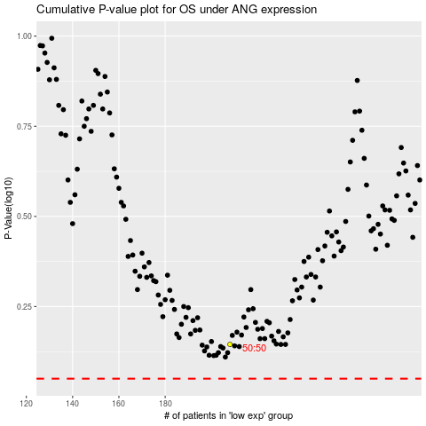

 |  |  |  |  |  | cases_OS | p_OS | rank | exp
 |  |  |  |  |  |  | cases_RFS | p_RFS | rank | exp

